PPP1R1A _multivariate
Reported by Tex Li-Hsing Chi. tex@gate.sinica.edu.tw 2019-08-16

Table 2. The clinicopathological features of HNSCC cohort and PPP1R1A expression. (Chi square test)
Cutoff at -0.175 (50.0%)
 |  | PPP1R1A expression |  | PPP1R1A expression |  | (Optimised)
 | Features | Low | (%) | High | (%) | Case no | P-value | Remark | Matthews
Gender | Female | 155 | 37.3 | 151 | 36.4 | 415 | 0.6768 | 0 | 0
2 | Male | 52 | 12.5 | 57 | 13.7
Age at diagnosis | <=65y | 128 | 30.8 | 146 | 35.2 | 415 | 0.0904 | 0 | 0
4 | >65y | 79 | 19 | 62 | 14.9
Clinical T Status | T1+T2 | 57 | 13.7 | 92 | 22.2 | 415 | 6e-04 | 1 | 0
6 | T3+T4 | 150 | 36.1 | 116 | 28
Clinical N Status | N0 | 114 | 27.5 | 102 | 24.6 | 415 | 0.2576 | 1 | 0
8 | N1-3 | 93 | 22.4 | 106 | 25.5
Clinical M Status | M0 | 204 | 49.2 | 208 | 50.1 | 415 | 0.1232 | 0 | 0
10 | M1 | 3 | 0.7 | 0 | 0
Clinical Stage | Stage I+II | 38 | 9.2 | 64 | 15.4 | 415 | 0.0048 | 1 | 0
12 | Stage III+IV | 169 | 40.7 | 144 | 34.7
Surgical Margin status | Negative | 156 | 37.6 | 162 | 39 | 415 | 0.5636 | 0 | 0
14 | Positive | 51 | 12.3 | 46 | 11.1
Tobacco Exposure | Low | 78 | 18.8 | 83 | 20 | 415 | 0.6873 | 0 | 0
16 | High | 129 | 31.1 | 125 | 30.1

Table 3. Univariate/Multivariate Cox's proportional hazards regression analyses on OS time of PPP1R1A gene expression in HNSCC

 |  | Univariate |  |  |  | Multivariate
 | Features | HR | CI95%(L) | CI95%(H) | P-value | HR | CI95%(L) | CI95%(H) | P-value
1 | Female | 1 |  |  |  | 1
Gender | Male | 1.157 | 0.843 | 1.587 | 0.367 | 1.203 | 0.861 | 1.681 | 0.279
11 | <=65y | 1 |  |  |  | 1
Age at diagnosis | >65y | 1.329 | 0.99 | 1.784 | 0.058 | 1.391 | 1.023 | 1.891 | 0.035
12 | T1+T2 | 1 |  |  |  | 1
Clinical T Status | T3+T4 | 1.409 | 1.028 | 1.931 | 0.033 | 2.202 | 1.165 | 4.164 | 0.015
13 | N0 | 1 |  |  |  | 1
Clinical N Status | N1-3 | 1.185 | 0.89 | 1.577 | 0.246 | 1.247 | 0.869 | 1.79 | 0.231
14 | M0 | 1 |  |  |  | 1
Clinical M Status | M1 | 4.097 | 1.009 | 16.644 | 0.049 | 9.291 | 2.011 | 42.925 | 0.004
15 | Stage I+II | 1 |  |  |  | 1
Clinical Stage | Stage III+IV | 1.245 | 0.882 | 1.759 | 0.213 | 0.502 | 0.233 | 1.08 | 0.078
16 | Negative | 1 |  |  |  | 1
Surgical Margin status | Positive | 1.591 | 1.155 | 2.191 | 0.004 | 1.671 | 1.209 | 2.309 | 0.002
17 | Low | 1 |  |  |  | 1
Tobacco Exposure | High | 1.364 | 1.008 | 1.844 | 0.044 | 1.454 | 1.055 | 2.004 | 0.022
18 | Low | 1 |  |  |  | 1
RNAseq(z-score) | High | 0.939 | 0.703 | 1.254 | 0.669 | 0.977 | 0.724 | 1.317 | 0.876

Table 4. Univariate/Multivariate Cox's proportional hazards regression analyses on RFS time of PPP1R1A gene expression in HNSCC

 |  | Univariate |  |  |  | Multivariate
 | Features | HR | CI95%(L) | CI95%(H) | P-value | HR | CI95%(L) | CI95%(H) | P-value
1 | Female | 1 |  |  |  | 1
Gender | Male | 1.157 | 0.843 | 1.587 | 0.367 | 1.203 | 0.861 | 1.681 | 0.279
11 | <=65y | 1 |  |  |  | 1
Age at diagnosis | >65y | 1.329 | 0.99 | 1.784 | 0.058 | 1.391 | 1.023 | 1.891 | 0.035
12 | T1+T2 | 1 |  |  |  | 1
Clinical T Status | T3+T4 | 1.409 | 1.028 | 1.931 | 0.033 | 2.202 | 1.165 | 4.164 | 0.015
13 | N0 | 1 |  |  |  | 1
Clinical N Status | N1-3 | 1.185 | 0.89 | 1.577 | 0.246 | 1.247 | 0.869 | 1.79 | 0.231
14 | M0 | 1 |  |  |  | 1
Clinical M Status | M1 | 4.097 | 1.009 | 16.644 | 0.049 | 9.291 | 2.011 | 42.925 | 0.004
15 | Stage I+II | 1 |  |  |  | 1
Clinical Stage | Stage III+IV | 1.245 | 0.882 | 1.759 | 0.213 | 0.502 | 0.233 | 1.08 | 0.078
16 | Negative | 1 |  |  |  | 1
Surgical Margin status | Positive | 1.591 | 1.155 | 2.191 | 0.004 | 1.671 | 1.209 | 2.309 | 0.002
17 | Low | 1 |  |  |  | 1
Tobacco Exposure | High | 1.364 | 1.008 | 1.844 | 0.044 | 1.454 | 1.055 | 2.004 | 0.022
18 | Low | 1 |  |  |  | 1
RNAseq(z-score) | High | 0.939 | 0.703 | 1.254 | 0.669 | 0.977 | 0.724 | 1.317 | 0.876

Kaplan-Meier survival estimate: Cutoff at -0.175 (50.0%)



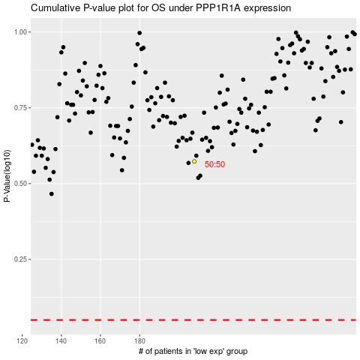

 |  |  |  |  |  | cases_OS | p_OS | rank | exp
 |  |  |  |  |  |  | cases_RFS | p_RFS | rank | exp

