PPP1R1B _multivariate
Reported by Tex Li-Hsing Chi. tex@gate.sinica.edu.tw 2019-08-16

Table 2. The clinicopathological features of HNSCC cohort and PPP1R1B expression. (Chi square test)
Cutoff at -0.206 (50.0%)
 |  | PPP1R1B expression |  | PPP1R1B expression |  | (Optimised)
 | Features | Low | (%) | High | (%) | Case no | P-value | Remark | Matthews
Gender | Female | 145 | 34.9 | 161 | 38.8 | 415 | 0.1116 | 0 | 0
2 | Male | 62 | 14.9 | 47 | 11.3
Age at diagnosis | <=65y | 128 | 30.8 | 146 | 35.2 | 415 | 0.0904 | 0 | 0
4 | >65y | 79 | 19 | 62 | 14.9
Clinical T Status | T1+T2 | 79 | 19 | 70 | 16.9 | 415 | 0.3924 | 0 | 0
6 | T3+T4 | 128 | 30.8 | 138 | 33.3
Clinical N Status | N0 | 101 | 24.3 | 115 | 27.7 | 415 | 0.2201 | 0 | 0
8 | N1-3 | 106 | 25.5 | 93 | 22.4
Clinical M Status | M0 | 204 | 49.2 | 208 | 50.1 | 415 | 0.1232 | 0 | 0
10 | M1 | 3 | 0.7 | 0 | 0
Clinical Stage | Stage I+II | 51 | 12.3 | 51 | 12.3 | 415 | 1 | 0 | 0
12 | Stage III+IV | 156 | 37.6 | 157 | 37.8
Surgical Margin status | Negative | 156 | 37.6 | 162 | 39 | 415 | 0.5636 | 0 | 0
14 | Positive | 51 | 12.3 | 46 | 11.1
Tobacco Exposure | Low | 105 | 25.3 | 56 | 13.5 | 415 | 0 | 1 | 0
16 | High | 102 | 24.6 | 152 | 36.6

Table 3. Univariate/Multivariate Cox's proportional hazards regression analyses on OS time of PPP1R1B gene expression in HNSCC

 |  | Univariate |  |  |  | Multivariate
 | Features | HR | CI95%(L) | CI95%(H) | P-value | HR | CI95%(L) | CI95%(H) | P-value
1 | Female | 1 |  |  |  | 1
Gender | Male | 1.157 | 0.843 | 1.587 | 0.367 | 1.2 | 0.859 | 1.675 | 0.286
11 | <=65y | 1 |  |  |  | 1
Age at diagnosis | >65y | 1.329 | 0.99 | 1.784 | 0.058 | 1.394 | 1.025 | 1.895 | 0.034
12 | T1+T2 | 1 |  |  |  | 1
Clinical T Status | T3+T4 | 1.409 | 1.028 | 1.931 | 0.033 | 2.207 | 1.168 | 4.173 | 0.015
13 | N0 | 1 |  |  |  | 1
Clinical N Status | N1-3 | 1.185 | 0.89 | 1.577 | 0.246 | 1.23 | 0.861 | 1.757 | 0.254
14 | M0 | 1 |  |  |  | 1
Clinical M Status | M1 | 4.097 | 1.009 | 16.644 | 0.049 | 9.01 | 1.954 | 41.552 | 0.005
15 | Stage I+II | 1 |  |  |  | 1
Clinical Stage | Stage III+IV | 1.245 | 0.882 | 1.759 | 0.213 | 0.51 | 0.238 | 1.097 | 0.085
16 | Negative | 1 |  |  |  | 1
Surgical Margin status | Positive | 1.591 | 1.155 | 2.191 | 0.004 | 1.654 | 1.195 | 2.289 | 0.002
17 | Low | 1 |  |  |  | 1
Tobacco Exposure | High | 1.364 | 1.008 | 1.844 | 0.044 | 1.484 | 1.069 | 2.06 | 0.018
18 | Low | 1 |  |  |  | 1
RNAseq(z-score) | High | 0.935 | 0.701 | 1.245 | 0.644 | 0.911 | 0.675 | 1.23 | 0.544

Table 4. Univariate/Multivariate Cox's proportional hazards regression analyses on RFS time of PPP1R1B gene expression in HNSCC

 |  | Univariate |  |  |  | Multivariate
 | Features | HR | CI95%(L) | CI95%(H) | P-value | HR | CI95%(L) | CI95%(H) | P-value
1 | Female | 1 |  |  |  | 1
Gender | Male | 1.157 | 0.843 | 1.587 | 0.367 | 1.2 | 0.859 | 1.675 | 0.286
11 | <=65y | 1 |  |  |  | 1
Age at diagnosis | >65y | 1.329 | 0.99 | 1.784 | 0.058 | 1.394 | 1.025 | 1.895 | 0.034
12 | T1+T2 | 1 |  |  |  | 1
Clinical T Status | T3+T4 | 1.409 | 1.028 | 1.931 | 0.033 | 2.207 | 1.168 | 4.173 | 0.015
13 | N0 | 1 |  |  |  | 1
Clinical N Status | N1-3 | 1.185 | 0.89 | 1.577 | 0.246 | 1.23 | 0.861 | 1.757 | 0.254
14 | M0 | 1 |  |  |  | 1
Clinical M Status | M1 | 4.097 | 1.009 | 16.644 | 0.049 | 9.01 | 1.954 | 41.552 | 0.005
15 | Stage I+II | 1 |  |  |  | 1
Clinical Stage | Stage III+IV | 1.245 | 0.882 | 1.759 | 0.213 | 0.51 | 0.238 | 1.097 | 0.085
16 | Negative | 1 |  |  |  | 1
Surgical Margin status | Positive | 1.591 | 1.155 | 2.191 | 0.004 | 1.654 | 1.195 | 2.289 | 0.002
17 | Low | 1 |  |  |  | 1
Tobacco Exposure | High | 1.364 | 1.008 | 1.844 | 0.044 | 1.484 | 1.069 | 2.06 | 0.018
18 | Low | 1 |  |  |  | 1
RNAseq(z-score) | High | 0.935 | 0.701 | 1.245 | 0.644 | 0.911 | 0.675 | 1.23 | 0.544

Kaplan-Meier survival estimate: Cutoff at -0.206 (50.0%)



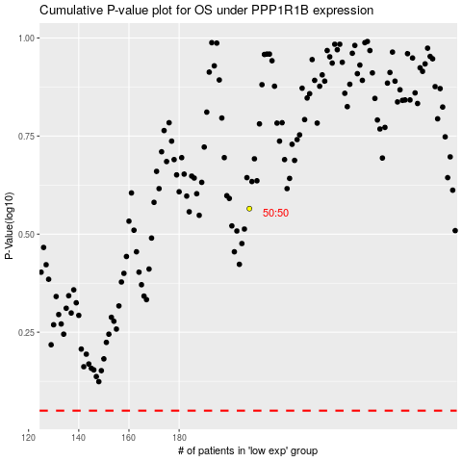

 |  |  |  |  |  | cases_OS | p_OS | rank | exp
 |  |  |  |  |  |  | cases_RFS | p_RFS | rank | exp

