PPP1R1C _multivariate
Reported by Tex Li-Hsing Chi. tex@gate.sinica.edu.tw 2019-08-16

Table 2. The clinicopathological features of HNSCC cohort and PPP1R1C expression. (Chi square test)
Cutoff at -0.095 (69.8%)
 |  | PPP1R1C expression |  | PPP1R1C expression |  | (Optimised)
 | Features | Low | (%) | High | (%) | Case no | P-value | Remark | Matthews
Gender | Female | 207 | 49.9 | 99 | 23.9 | 415 | 0.1237 | 0 | 0
2 | Male | 83 | 20 | 26 | 6.3
Age at diagnosis | <=65y | 184 | 44.3 | 90 | 21.7 | 415 | 0.1154 | 0 | 0
4 | >65y | 106 | 25.5 | 35 | 8.4
Clinical T Status | T1+T2 | 107 | 25.8 | 42 | 10.1 | 415 | 0.5956 | 0 | 0
6 | T3+T4 | 183 | 44.1 | 83 | 20
Clinical N Status | N0 | 149 | 35.9 | 67 | 16.1 | 415 | 0.7578 | 0 | 0
8 | N1-3 | 141 | 34 | 58 | 14
Clinical M Status | M0 | 288 | 69.4 | 124 | 29.9 | 415 | 1 | 0 | 0
10 | M1 | 2 | 0.5 | 1 | 0.2
Clinical Stage | Stage I+II | 74 | 17.8 | 28 | 6.7 | 415 | 0.5807 | 0 | 0
12 | Stage III+IV | 216 | 52 | 97 | 23.4
Surgical Margin status | Negative | 220 | 53 | 98 | 23.6 | 415 | 0.6148 | 0 | 0
14 | Positive | 70 | 16.9 | 27 | 6.5
Tobacco Exposure | Low | 116 | 28 | 45 | 10.8 | 415 | 0.5102 | 0 | 0
16 | High | 174 | 41.9 | 80 | 19.3

Table 3. Univariate/Multivariate Cox's proportional hazards regression analyses on OS time of PPP1R1C gene expression in HNSCC

 |  | Univariate |  |  |  | Multivariate
 | Features | HR | CI95%(L) | CI95%(H) | P-value | HR | CI95%(L) | CI95%(H) | P-value
1 | Female | 1 |  |  |  | 1
Gender | Male | 1.157 | 0.843 | 1.587 | 0.367 | 1.2 | 0.859 | 1.677 | 0.285
11 | <=65y | 1 |  |  |  | 1
Age at diagnosis | >65y | 1.329 | 0.99 | 1.784 | 0.058 | 1.357 | 0.997 | 1.848 | 0.052
12 | T1+T2 | 1 |  |  |  | 1
Clinical T Status | T3+T4 | 1.409 | 1.028 | 1.931 | 0.033 | 2.239 | 1.184 | 4.234 | 0.013
13 | N0 | 1 |  |  |  | 1
Clinical N Status | N1-3 | 1.185 | 0.89 | 1.577 | 0.246 | 1.222 | 0.857 | 1.744 | 0.268
14 | M0 | 1 |  |  |  | 1
Clinical M Status | M1 | 4.097 | 1.009 | 16.644 | 0.049 | 9.932 | 2.163 | 45.594 | 0.003
15 | Stage I+II | 1 |  |  |  | 1
Clinical Stage | Stage III+IV | 1.245 | 0.882 | 1.759 | 0.213 | 0.504 | 0.235 | 1.083 | 0.079
16 | Negative | 1 |  |  |  | 1
Surgical Margin status | Positive | 1.591 | 1.155 | 2.191 | 0.004 | 1.668 | 1.207 | 2.306 | 0.002
17 | Low | 1 |  |  |  | 1
Tobacco Exposure | High | 1.364 | 1.008 | 1.844 | 0.044 | 1.479 | 1.072 | 2.04 | 0.017
18 | Low | 1 |  |  |  | 1
RNAseq(z-score) | High | 0.685 | 0.489 | 0.961 | 0.028 | 0.692 | 0.493 | 0.972 | 0.034

Table 4. Univariate/Multivariate Cox's proportional hazards regression analyses on RFS time of PPP1R1C gene expression in HNSCC

 |  | Univariate |  |  |  | Multivariate
 | Features | HR | CI95%(L) | CI95%(H) | P-value | HR | CI95%(L) | CI95%(H) | P-value
1 | Female | 1 |  |  |  | 1
Gender | Male | 1.157 | 0.843 | 1.587 | 0.367 | 1.2 | 0.859 | 1.677 | 0.285
11 | <=65y | 1 |  |  |  | 1
Age at diagnosis | >65y | 1.329 | 0.99 | 1.784 | 0.058 | 1.357 | 0.997 | 1.848 | 0.052
12 | T1+T2 | 1 |  |  |  | 1
Clinical T Status | T3+T4 | 1.409 | 1.028 | 1.931 | 0.033 | 2.239 | 1.184 | 4.234 | 0.013
13 | N0 | 1 |  |  |  | 1
Clinical N Status | N1-3 | 1.185 | 0.89 | 1.577 | 0.246 | 1.222 | 0.857 | 1.744 | 0.268
14 | M0 | 1 |  |  |  | 1
Clinical M Status | M1 | 4.097 | 1.009 | 16.644 | 0.049 | 9.932 | 2.163 | 45.594 | 0.003
15 | Stage I+II | 1 |  |  |  | 1
Clinical Stage | Stage III+IV | 1.245 | 0.882 | 1.759 | 0.213 | 0.504 | 0.235 | 1.083 | 0.079
16 | Negative | 1 |  |  |  | 1
Surgical Margin status | Positive | 1.591 | 1.155 | 2.191 | 0.004 | 1.668 | 1.207 | 2.306 | 0.002
17 | Low | 1 |  |  |  | 1
Tobacco Exposure | High | 1.364 | 1.008 | 1.844 | 0.044 | 1.479 | 1.072 | 2.04 | 0.017
18 | Low | 1 |  |  |  | 1
RNAseq(z-score) | High | 0.685 | 0.489 | 0.961 | 0.028 | 0.692 | 0.493 | 0.972 | 0.034

Kaplan-Meier survival estimate: Cutoff at -0.095 (69.8%)

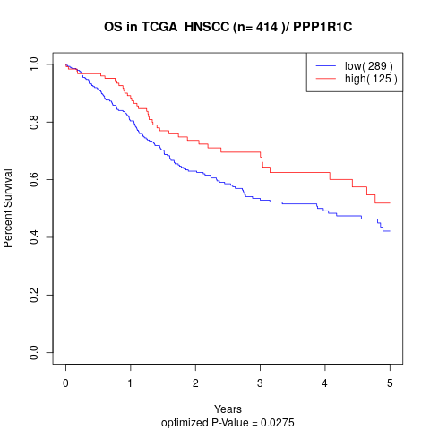

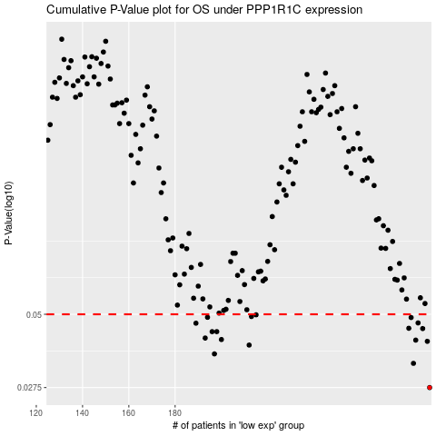

 |  |  |  |  |  | cases_OS | p_OS | rank | exp
 |  |  |  |  |  | 290 | 0.0275 | 160 | -0.095004925001
 |  |  |  |  |  | 283 | 0.0335 | 164 | -0.11178733554
 |  |  |  |  |  | 197 | 0.0362 | 234 | -0.33685567207
 |  |  |  |  |  | 212 | 0.0389 | 189 | -0.29705441725
 |  |  |  |  |  | 289 | 0.0401 | 413 | -0.095443379178
 |  |  |  |  |  | 284 | 0.0405 | 376 | -0.10866623409
 |  |  |  |  |  | 200 | 0.0407 | 166 | -0.3301577076
 |  |  |  |  |  | 193 | 0.0412 | 93 | -0.33982677603
 |  |  |  |  |  | 196 | 0.0434 | 209 | -0.33767488908
 |  |  |  |  |  | 198 | 0.0434 | 335 | -0.33322688684
 |  |  |  |  |  | 287 | 0.0445 | 84 | -0.10008753197
 |  |  |  |  |  | 281 | 0.0446 | 348 | -0.11458248091
 |  |  |  |  |  | 189 | 0.0465 | 120 | -0.34668339168
 |  |  |  |  |  | 285 | 0.0466 | 126 | -0.10512110131
 |  |  |  |  |  | 282 | 0.0487 | 297 | -0.11283154877
 |  |  |  |  |  | 194 | 0.0488 | 395 | -0.33841333822
 |  |  |  |  |  | 213 | 0.0491 | 110 | -0.29305352288
 |  |  |  |  |  | 215 | 0.0498 | 272 | -0.28750650063
 |  |  |  |  |  |  | cases_RFS | p_RFS | rank | exp
 |  |  |  |  |  |  | 289 | 0.0275 | 413 | -0.095443379178
 |  |  |  |  |  |  | 282 | 0.0335 | 297 | -0.11283154877
 |  |  |  |  |  |  | 196 | 0.0362 | 209 | -0.33767488908
 |  |  |  |  |  |  | 211 | 0.0389 | 66 | -0.30178510705
 |  |  |  |  |  |  | 288 | 0.0401 | 88 | -0.099556771653
 |  |  |  |  |  |  | 283 | 0.0405 | 164 | -0.11178733554
 |  |  |  |  |  |  | 199 | 0.0407 | 200 | -0.33037116556
 |  |  |  |  |  |  | 192 | 0.0412 | 285 | -0.34243442456
 |  |  |  |  |  |  | 197 | 0.0434 | 234 | -0.33685567207
 |  |  |  |  |  |  | 195 | 0.0434 | 411 | -0.33834122405
 |  |  |  |  |  |  | 286 | 0.0445 | 404 | -0.1030528668
 |  |  |  |  |  |  | 280 | 0.0446 | 180 | -0.11625264518
 |  |  |  |  |  |  | 188 | 0.0465 | 107 | -0.34711607672
 |  |  |  |  |  |  | 284 | 0.0466 | 376 | -0.10866623409
 |  |  |  |  |  |  | 281 | 0.0487 | 348 | -0.11458248091
 |  |  |  |  |  |  | 193 | 0.0488 | 93 | -0.33982677603
 |  |  |  |  |  |  | 212 | 0.0491 | 189 | -0.29705441725
 |  |  |  |  |  |  | 214 | 0.0498 | 214 | -0.28991222947

