PPP1R2 _multivariate
Reported by Tex Li-Hsing Chi. tex@gate.sinica.edu.tw 2019-08-16

Table 2. The clinicopathological features of HNSCC cohort and PPP1R2 expression. (Chi square test)
Cutoff at -0.131 (50.0%)
 |  | PPP1R2 expression |  | PPP1R2 expression |  | (Optimised)
 | Features | Low | (%) | High | (%) | Case no | P-value | Remark | Matthews
Gender | Female | 148 | 35.7 | 158 | 38.1 | 415 | 0.3567 | 0 | 0
2 | Male | 59 | 14.2 | 50 | 12
Age at diagnosis | <=65y | 131 | 31.6 | 143 | 34.5 | 415 | 0.2839 | 0 | 0
4 | >65y | 76 | 18.3 | 65 | 15.7
Clinical T Status | T1+T2 | 75 | 18.1 | 74 | 17.8 | 415 | 0.9707 | 0 | 0
6 | T3+T4 | 132 | 31.8 | 134 | 32.3
Clinical N Status | N0 | 109 | 26.3 | 107 | 25.8 | 415 | 0.8812 | 0 | 0
8 | N1-3 | 98 | 23.6 | 101 | 24.3
Clinical M Status | M0 | 206 | 49.6 | 206 | 49.6 | 415 | 1 | 0 | 0
10 | M1 | 1 | 0.2 | 2 | 0.5
Clinical Stage | Stage I+II | 52 | 12.5 | 50 | 12 | 415 | 0.8871 | 0 | 0
12 | Stage III+IV | 155 | 37.3 | 158 | 38.1
Surgical Margin status | Negative | 160 | 38.6 | 158 | 38.1 | 415 | 0.8167 | 0 | 0
14 | Positive | 47 | 11.3 | 50 | 12
Tobacco Exposure | Low | 83 | 20 | 78 | 18.8 | 415 | 0.6152 | 0 | 0
16 | High | 124 | 29.9 | 130 | 31.3

Table 3. Univariate/Multivariate Cox's proportional hazards regression analyses on OS time of PPP1R2 gene expression in HNSCC

 |  | Univariate |  |  |  | Multivariate
 | Features | HR | CI95%(L) | CI95%(H) | P-value | HR | CI95%(L) | CI95%(H) | P-value
1 | Female | 1 |  |  |  | 1
Gender | Male | 1.157 | 0.843 | 1.587 | 0.367 | 1.198 | 0.857 | 1.676 | 0.291
11 | <=65y | 1 |  |  |  | 1
Age at diagnosis | >65y | 1.329 | 0.99 | 1.784 | 0.058 | 1.377 | 1.012 | 1.873 | 0.042
12 | T1+T2 | 1 |  |  |  | 1
Clinical T Status | T3+T4 | 1.409 | 1.028 | 1.931 | 0.033 | 2.207 | 1.168 | 4.169 | 0.015
13 | N0 | 1 |  |  |  | 1
Clinical N Status | N1-3 | 1.185 | 0.89 | 1.577 | 0.246 | 1.244 | 0.872 | 1.775 | 0.228
14 | M0 | 1 |  |  |  | 1
Clinical M Status | M1 | 4.097 | 1.009 | 16.644 | 0.049 | 9.554 | 2.084 | 43.801 | 0.004
15 | Stage I+II | 1 |  |  |  | 1
Clinical Stage | Stage III+IV | 1.245 | 0.882 | 1.759 | 0.213 | 0.505 | 0.235 | 1.083 | 0.079
16 | Negative | 1 |  |  |  | 1
Surgical Margin status | Positive | 1.591 | 1.155 | 2.191 | 0.004 | 1.651 | 1.195 | 2.281 | 0.002
17 | Low | 1 |  |  |  | 1
Tobacco Exposure | High | 1.364 | 1.008 | 1.844 | 0.044 | 1.45 | 1.051 | 2 | 0.024
18 | Low | 1 |  |  |  | 1
RNAseq(z-score) | High | 0.795 | 0.597 | 1.06 | 0.118 | 0.838 | 0.628 | 1.118 | 0.23

Table 4. Univariate/Multivariate Cox's proportional hazards regression analyses on RFS time of PPP1R2 gene expression in HNSCC

 |  | Univariate |  |  |  | Multivariate
 | Features | HR | CI95%(L) | CI95%(H) | P-value | HR | CI95%(L) | CI95%(H) | P-value
1 | Female | 1 |  |  |  | 1
Gender | Male | 1.157 | 0.843 | 1.587 | 0.367 | 1.198 | 0.857 | 1.676 | 0.291
11 | <=65y | 1 |  |  |  | 1
Age at diagnosis | >65y | 1.329 | 0.99 | 1.784 | 0.058 | 1.377 | 1.012 | 1.873 | 0.042
12 | T1+T2 | 1 |  |  |  | 1
Clinical T Status | T3+T4 | 1.409 | 1.028 | 1.931 | 0.033 | 2.207 | 1.168 | 4.169 | 0.015
13 | N0 | 1 |  |  |  | 1
Clinical N Status | N1-3 | 1.185 | 0.89 | 1.577 | 0.246 | 1.244 | 0.872 | 1.775 | 0.228
14 | M0 | 1 |  |  |  | 1
Clinical M Status | M1 | 4.097 | 1.009 | 16.644 | 0.049 | 9.554 | 2.084 | 43.801 | 0.004
15 | Stage I+II | 1 |  |  |  | 1
Clinical Stage | Stage III+IV | 1.245 | 0.882 | 1.759 | 0.213 | 0.505 | 0.235 | 1.083 | 0.079
16 | Negative | 1 |  |  |  | 1
Surgical Margin status | Positive | 1.591 | 1.155 | 2.191 | 0.004 | 1.651 | 1.195 | 2.281 | 0.002
17 | Low | 1 |  |  |  | 1
Tobacco Exposure | High | 1.364 | 1.008 | 1.844 | 0.044 | 1.45 | 1.051 | 2 | 0.024
18 | Low | 1 |  |  |  | 1
RNAseq(z-score) | High | 0.795 | 0.597 | 1.06 | 0.118 | 0.838 | 0.628 | 1.118 | 0.23

Kaplan-Meier survival estimate: Cutoff at -0.131 (50.0%)



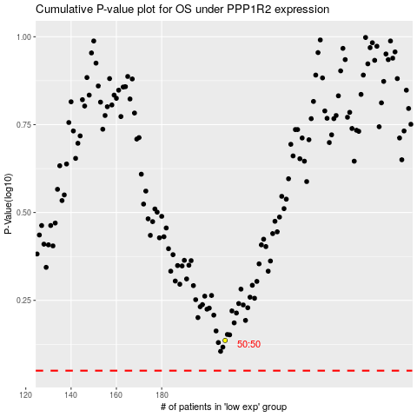

 |  |  |  |  |  | cases_OS | p_OS | rank | exp
 |  |  |  |  |  |  | cases_RFS | p_RFS | rank | exp

