PPP1R2P1 _multivariate
Reported by Tex Li-Hsing Chi. tex@gate.sinica.edu.tw 2019-08-16

Table 2. The clinicopathological features of HNSCC cohort and PPP1R2P1 expression. (Chi square test)
Cutoff at -0.224 (49.8%)
 |  | PPP1R2P1 expression |  | PPP1R2P1 expression |  | (Optimised)
 | Features | Low | (%) | High | (%) | Case no | P-value | Remark | Matthews
Gender | Female | 152 | 36.6 | 154 | 37.1 | 415 | 0.9766 | 0 | 0
2 | Male | 55 | 13.3 | 54 | 13
Age at diagnosis | <=65y | 132 | 31.8 | 142 | 34.2 | 415 | 0.3874 | 0 | 0
4 | >65y | 75 | 18.1 | 66 | 15.9
Clinical T Status | T1+T2 | 74 | 17.8 | 75 | 18.1 | 415 | 1 | 0 | 0
6 | T3+T4 | 133 | 32 | 133 | 32
Clinical N Status | N0 | 115 | 27.7 | 101 | 24.3 | 415 | 0.184 | 1 | 0
8 | N1-3 | 92 | 22.2 | 107 | 25.8
Clinical M Status | M0 | 204 | 49.2 | 208 | 50.1 | 415 | 0.1232 | 0 | 0
10 | M1 | 3 | 0.7 | 0 | 0
Clinical Stage | Stage I+II | 52 | 12.5 | 50 | 12 | 415 | 0.8871 | 0 | 0
12 | Stage III+IV | 155 | 37.3 | 158 | 38.1
Surgical Margin status | Negative | 163 | 39.3 | 155 | 37.3 | 415 | 0.3537 | 0 | 0
14 | Positive | 44 | 10.6 | 53 | 12.8
Tobacco Exposure | Low | 92 | 22.2 | 69 | 16.6 | 415 | 0.0206 | 1 | 0
16 | High | 115 | 27.7 | 139 | 33.5

Table 3. Univariate/Multivariate Cox's proportional hazards regression analyses on OS time of PPP1R2P1 gene expression in HNSCC

 |  | Univariate |  |  |  | Multivariate
 | Features | HR | CI95%(L) | CI95%(H) | P-value | HR | CI95%(L) | CI95%(H) | P-value
1 | Female | 1 |  |  |  | 1
Gender | Male | 1.157 | 0.843 | 1.587 | 0.367 | 1.191 | 0.854 | 1.662 | 0.304
11 | <=65y | 1 |  |  |  | 1
Age at diagnosis | >65y | 1.329 | 0.99 | 1.784 | 0.058 | 1.4 | 1.03 | 1.904 | 0.032
12 | T1+T2 | 1 |  |  |  | 1
Clinical T Status | T3+T4 | 1.409 | 1.028 | 1.931 | 0.033 | 2.247 | 1.186 | 4.258 | 0.013
13 | N0 | 1 |  |  |  | 1
Clinical N Status | N1-3 | 1.185 | 0.89 | 1.577 | 0.246 | 1.234 | 0.864 | 1.761 | 0.247
14 | M0 | 1 |  |  |  | 1
Clinical M Status | M1 | 4.097 | 1.009 | 16.644 | 0.049 | 10.547 | 2.272 | 48.96 | 0.003
15 | Stage I+II | 1 |  |  |  | 1
Clinical Stage | Stage III+IV | 1.245 | 0.882 | 1.759 | 0.213 | 0.499 | 0.232 | 1.073 | 0.075
16 | Negative | 1 |  |  |  | 1
Surgical Margin status | Positive | 1.591 | 1.155 | 2.191 | 0.004 | 1.678 | 1.213 | 2.32 | 0.002
17 | Low | 1 |  |  |  | 1
Tobacco Exposure | High | 1.364 | 1.008 | 1.844 | 0.044 | 1.437 | 1.043 | 1.979 | 0.027
18 | Low | 1 |  |  |  | 1
RNAseq(z-score) | High | 1.166 | 0.873 | 1.557 | 0.298 | 1.197 | 0.893 | 1.606 | 0.229

Table 4. Univariate/Multivariate Cox's proportional hazards regression analyses on RFS time of PPP1R2P1 gene expression in HNSCC

 |  | Univariate |  |  |  | Multivariate
 | Features | HR | CI95%(L) | CI95%(H) | P-value | HR | CI95%(L) | CI95%(H) | P-value
1 | Female | 1 |  |  |  | 1
Gender | Male | 1.157 | 0.843 | 1.587 | 0.367 | 1.191 | 0.854 | 1.662 | 0.304
11 | <=65y | 1 |  |  |  | 1
Age at diagnosis | >65y | 1.329 | 0.99 | 1.784 | 0.058 | 1.4 | 1.03 | 1.904 | 0.032
12 | T1+T2 | 1 |  |  |  | 1
Clinical T Status | T3+T4 | 1.409 | 1.028 | 1.931 | 0.033 | 2.247 | 1.186 | 4.258 | 0.013
13 | N0 | 1 |  |  |  | 1
Clinical N Status | N1-3 | 1.185 | 0.89 | 1.577 | 0.246 | 1.234 | 0.864 | 1.761 | 0.247
14 | M0 | 1 |  |  |  | 1
Clinical M Status | M1 | 4.097 | 1.009 | 16.644 | 0.049 | 10.547 | 2.272 | 48.96 | 0.003
15 | Stage I+II | 1 |  |  |  | 1
Clinical Stage | Stage III+IV | 1.245 | 0.882 | 1.759 | 0.213 | 0.499 | 0.232 | 1.073 | 0.075
16 | Negative | 1 |  |  |  | 1
Surgical Margin status | Positive | 1.591 | 1.155 | 2.191 | 0.004 | 1.678 | 1.213 | 2.32 | 0.002
17 | Low | 1 |  |  |  | 1
Tobacco Exposure | High | 1.364 | 1.008 | 1.844 | 0.044 | 1.437 | 1.043 | 1.979 | 0.027
18 | Low | 1 |  |  |  | 1
RNAseq(z-score) | High | 1.166 | 0.873 | 1.557 | 0.298 | 1.197 | 0.893 | 1.606 | 0.229

Kaplan-Meier survival estimate: Cutoff at -0.224 (49.8%)



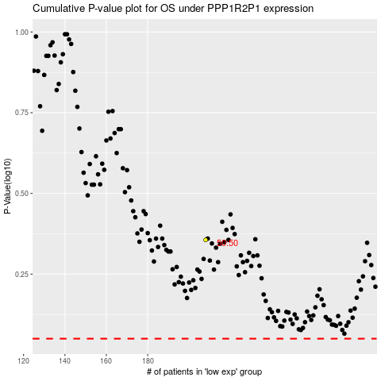

 |  |  |  |  |  | cases_OS | p_OS | rank | exp
 |  |  |  |  |  |  | cases_RFS | p_RFS | rank | exp

