PPP1R3C _multivariate
Reported by Tex Li-Hsing Chi. tex@gate.sinica.edu.tw 2019-08-16

Table 2. The clinicopathological features of HNSCC cohort and PPP1R3C expression. (Chi square test)
Cutoff at -0.288 (50.0%)
 |  | PPP1R3C expression |  | PPP1R3C expression |  | (Optimised)
 | Features | Low | (%) | High | (%) | Case no | P-value | Remark | Matthews
Gender | Female | 154 | 37.1 | 152 | 36.6 | 415 | 0.8463 | 0 | 0
2 | Male | 53 | 12.8 | 56 | 13.5
Age at diagnosis | <=65y | 134 | 32.3 | 140 | 33.7 | 415 | 0.6529 | 0 | 0
4 | >65y | 73 | 17.6 | 68 | 16.4
Clinical T Status | T1+T2 | 69 | 16.6 | 80 | 19.3 | 415 | 0.3239 | 0 | 0
6 | T3+T4 | 138 | 33.3 | 128 | 30.8
Clinical N Status | N0 | 107 | 25.8 | 109 | 26.3 | 415 | 0.9624 | 0 | 0
8 | N1-3 | 100 | 24.1 | 99 | 23.9
Clinical M Status | M0 | 204 | 49.2 | 208 | 50.1 | 415 | 0.1232 | 0 | 0
10 | M1 | 3 | 0.7 | 0 | 0
Clinical Stage | Stage I+II | 46 | 11.1 | 56 | 13.5 | 415 | 0.3182 | 0 | 0
12 | Stage III+IV | 161 | 38.8 | 152 | 36.6
Surgical Margin status | Negative | 162 | 39 | 156 | 37.6 | 415 | 0.4867 | 0 | 0
14 | Positive | 45 | 10.8 | 52 | 12.5
Tobacco Exposure | Low | 85 | 20.5 | 76 | 18.3 | 415 | 0.3655 | 0 | 0
16 | High | 122 | 29.4 | 132 | 31.8

Table 3. Univariate/Multivariate Cox's proportional hazards regression analyses on OS time of PPP1R3C gene expression in HNSCC

 |  | Univariate |  |  |  | Multivariate
 | Features | HR | CI95%(L) | CI95%(H) | P-value | HR | CI95%(L) | CI95%(H) | P-value
1 | Female | 1 |  |  |  | 1
Gender | Male | 1.157 | 0.843 | 1.587 | 0.367 | 1.208 | 0.866 | 1.684 | 0.266
11 | <=65y | 1 |  |  |  | 1
Age at diagnosis | >65y | 1.329 | 0.99 | 1.784 | 0.058 | 1.425 | 1.048 | 1.937 | 0.024
12 | T1+T2 | 1 |  |  |  | 1
Clinical T Status | T3+T4 | 1.409 | 1.028 | 1.931 | 0.033 | 2.232 | 1.182 | 4.217 | 0.013
13 | N0 | 1 |  |  |  | 1
Clinical N Status | N1-3 | 1.185 | 0.89 | 1.577 | 0.246 | 1.259 | 0.883 | 1.795 | 0.203
14 | M0 | 1 |  |  |  | 1
Clinical M Status | M1 | 4.097 | 1.009 | 16.644 | 0.049 | 10.878 | 2.352 | 50.311 | 0.002
15 | Stage I+II | 1 |  |  |  | 1
Clinical Stage | Stage III+IV | 1.245 | 0.882 | 1.759 | 0.213 | 0.508 | 0.237 | 1.091 | 0.082
16 | Negative | 1 |  |  |  | 1
Surgical Margin status | Positive | 1.591 | 1.155 | 2.191 | 0.004 | 1.644 | 1.19 | 2.272 | 0.003
17 | Low | 1 |  |  |  | 1
Tobacco Exposure | High | 1.364 | 1.008 | 1.844 | 0.044 | 1.4 | 1.015 | 1.931 | 0.04
18 | Low | 1 |  |  |  | 1
RNAseq(z-score) | High | 1.267 | 0.95 | 1.689 | 0.107 | 1.313 | 0.978 | 1.764 | 0.07

Table 4. Univariate/Multivariate Cox's proportional hazards regression analyses on RFS time of PPP1R3C gene expression in HNSCC

 |  | Univariate |  |  |  | Multivariate
 | Features | HR | CI95%(L) | CI95%(H) | P-value | HR | CI95%(L) | CI95%(H) | P-value
1 | Female | 1 |  |  |  | 1
Gender | Male | 1.157 | 0.843 | 1.587 | 0.367 | 1.208 | 0.866 | 1.684 | 0.266
11 | <=65y | 1 |  |  |  | 1
Age at diagnosis | >65y | 1.329 | 0.99 | 1.784 | 0.058 | 1.425 | 1.048 | 1.937 | 0.024
12 | T1+T2 | 1 |  |  |  | 1
Clinical T Status | T3+T4 | 1.409 | 1.028 | 1.931 | 0.033 | 2.232 | 1.182 | 4.217 | 0.013
13 | N0 | 1 |  |  |  | 1
Clinical N Status | N1-3 | 1.185 | 0.89 | 1.577 | 0.246 | 1.259 | 0.883 | 1.795 | 0.203
14 | M0 | 1 |  |  |  | 1
Clinical M Status | M1 | 4.097 | 1.009 | 16.644 | 0.049 | 10.878 | 2.352 | 50.311 | 0.002
15 | Stage I+II | 1 |  |  |  | 1
Clinical Stage | Stage III+IV | 1.245 | 0.882 | 1.759 | 0.213 | 0.508 | 0.237 | 1.091 | 0.082
16 | Negative | 1 |  |  |  | 1
Surgical Margin status | Positive | 1.591 | 1.155 | 2.191 | 0.004 | 1.644 | 1.19 | 2.272 | 0.003
17 | Low | 1 |  |  |  | 1
Tobacco Exposure | High | 1.364 | 1.008 | 1.844 | 0.044 | 1.4 | 1.015 | 1.931 | 0.04
18 | Low | 1 |  |  |  | 1
RNAseq(z-score) | High | 1.267 | 0.95 | 1.689 | 0.107 | 1.313 | 0.978 | 1.764 | 0.07

Kaplan-Meier survival estimate: Cutoff at -0.288 (50.0%)



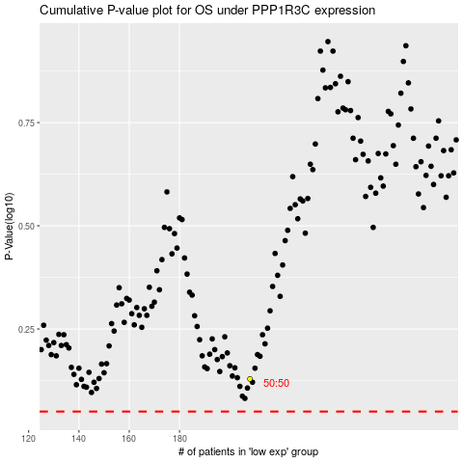

 |  |  |  |  |  | cases_OS | p_OS | rank | exp
 |  |  |  |  |  |  | cases_RFS | p_RFS | rank | exp

