PPP1R3D _multivariate
Reported by Tex Li-Hsing Chi. tex@gate.sinica.edu.tw 2019-08-16

Table 2. The clinicopathological features of HNSCC cohort and PPP1R3D expression. (Chi square test)
Cutoff at -0.305 (50.5%)
 |  | PPP1R3D expression |  | PPP1R3D expression |  | (Optimised)
 | Features | Low | (%) | High | (%) | Case no | P-value | Remark | Matthews
Gender | Female | 150 | 36.1 | 156 | 37.6 | 415 | 0.3325 | 0 | 0
2 | Male | 60 | 14.5 | 49 | 11.8
Age at diagnosis | <=65y | 136 | 32.8 | 138 | 33.3 | 415 | 0.6557 | 0 | 0
4 | >65y | 74 | 17.8 | 67 | 16.1
Clinical T Status | T1+T2 | 80 | 19.3 | 69 | 16.6 | 415 | 0.4011 | 0 | 0
6 | T3+T4 | 130 | 31.3 | 136 | 32.8
Clinical N Status | N0 | 105 | 25.3 | 111 | 26.7 | 415 | 0.455 | 0 | 0
8 | N1-3 | 105 | 25.3 | 94 | 22.7
Clinical M Status | M0 | 208 | 50.1 | 204 | 49.2 | 415 | 1 | 0 | 0
10 | M1 | 2 | 0.5 | 1 | 0.2
Clinical Stage | Stage I+II | 54 | 13 | 48 | 11.6 | 415 | 0.6672 | 0 | 0
12 | Stage III+IV | 156 | 37.6 | 157 | 37.8
Surgical Margin status | Negative | 156 | 37.6 | 162 | 39 | 415 | 0.2966 | 0 | 0
14 | Positive | 54 | 13 | 43 | 10.4
Tobacco Exposure | Low | 93 | 22.4 | 68 | 16.4 | 415 | 0.0209 | 1 | 0
16 | High | 117 | 28.2 | 137 | 33

Table 3. Univariate/Multivariate Cox's proportional hazards regression analyses on OS time of PPP1R3D gene expression in HNSCC

 |  | Univariate |  |  |  | Multivariate
 | Features | HR | CI95%(L) | CI95%(H) | P-value | HR | CI95%(L) | CI95%(H) | P-value
1 | Female | 1 |  |  |  | 1
Gender | Male | 1.157 | 0.843 | 1.587 | 0.367 | 1.183 | 0.845 | 1.657 | 0.328
11 | <=65y | 1 |  |  |  | 1
Age at diagnosis | >65y | 1.329 | 0.99 | 1.784 | 0.058 | 1.374 | 1.01 | 1.869 | 0.043
12 | T1+T2 | 1 |  |  |  | 1
Clinical T Status | T3+T4 | 1.409 | 1.028 | 1.931 | 0.033 | 2.215 | 1.172 | 4.185 | 0.014
13 | N0 | 1 |  |  |  | 1
Clinical N Status | N1-3 | 1.185 | 0.89 | 1.577 | 0.246 | 1.239 | 0.869 | 1.768 | 0.237
14 | M0 | 1 |  |  |  | 1
Clinical M Status | M1 | 4.097 | 1.009 | 16.644 | 0.049 | 8.47 | 1.842 | 38.939 | 0.006
15 | Stage I+II | 1 |  |  |  | 1
Clinical Stage | Stage III+IV | 1.245 | 0.882 | 1.759 | 0.213 | 0.526 | 0.245 | 1.132 | 0.1
16 | Negative | 1 |  |  |  | 1
Surgical Margin status | Positive | 1.591 | 1.155 | 2.191 | 0.004 | 1.612 | 1.166 | 2.229 | 0.004
17 | Low | 1 |  |  |  | 1
Tobacco Exposure | High | 1.364 | 1.008 | 1.844 | 0.044 | 1.523 | 1.101 | 2.108 | 0.011
18 | Low | 1 |  |  |  | 1
RNAseq(z-score) | High | 0.734 | 0.55 | 0.981 | 0.037 | 0.725 | 0.538 | 0.978 | 0.035

Table 4. Univariate/Multivariate Cox's proportional hazards regression analyses on RFS time of PPP1R3D gene expression in HNSCC

 |  | Univariate |  |  |  | Multivariate
 | Features | HR | CI95%(L) | CI95%(H) | P-value | HR | CI95%(L) | CI95%(H) | P-value
1 | Female | 1 |  |  |  | 1
Gender | Male | 1.157 | 0.843 | 1.587 | 0.367 | 1.183 | 0.845 | 1.657 | 0.328
11 | <=65y | 1 |  |  |  | 1
Age at diagnosis | >65y | 1.329 | 0.99 | 1.784 | 0.058 | 1.374 | 1.01 | 1.869 | 0.043
12 | T1+T2 | 1 |  |  |  | 1
Clinical T Status | T3+T4 | 1.409 | 1.028 | 1.931 | 0.033 | 2.215 | 1.172 | 4.185 | 0.014
13 | N0 | 1 |  |  |  | 1
Clinical N Status | N1-3 | 1.185 | 0.89 | 1.577 | 0.246 | 1.239 | 0.869 | 1.768 | 0.237
14 | M0 | 1 |  |  |  | 1
Clinical M Status | M1 | 4.097 | 1.009 | 16.644 | 0.049 | 8.47 | 1.842 | 38.939 | 0.006
15 | Stage I+II | 1 |  |  |  | 1
Clinical Stage | Stage III+IV | 1.245 | 0.882 | 1.759 | 0.213 | 0.526 | 0.245 | 1.132 | 0.1
16 | Negative | 1 |  |  |  | 1
Surgical Margin status | Positive | 1.591 | 1.155 | 2.191 | 0.004 | 1.612 | 1.166 | 2.229 | 0.004
17 | Low | 1 |  |  |  | 1
Tobacco Exposure | High | 1.364 | 1.008 | 1.844 | 0.044 | 1.523 | 1.101 | 2.108 | 0.011
18 | Low | 1 |  |  |  | 1
RNAseq(z-score) | High | 0.734 | 0.55 | 0.981 | 0.037 | 0.725 | 0.538 | 0.978 | 0.035

Kaplan-Meier survival estimate: Cutoff at -0.305 (50.5%)

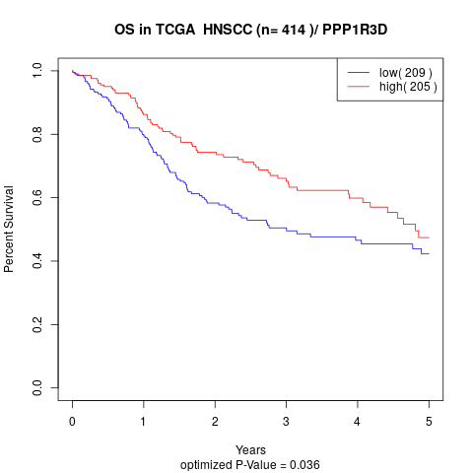

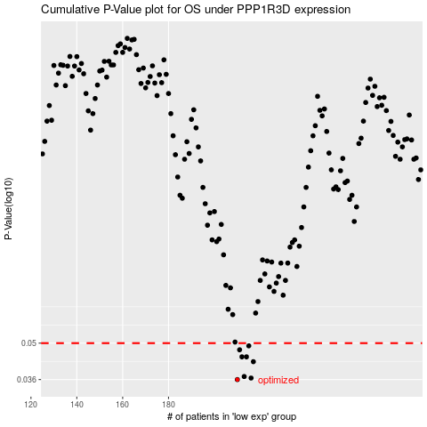

 |  |  |  |  |  | cases_OS | p_OS | rank | exp
 |  |  |  |  |  | 210 | 0.036 | 51 | -0.30545178759
 |  |  |  |  |  | 216 | 0.0365 | 100 | -0.2844851032
 |  |  |  |  |  | 213 | 0.037 | 234 | -0.28793832928
 |  |  |  |  |  | 217 | 0.0423 | 26 | -0.28181174771
 |  |  |  |  |  | 212 | 0.0442 | 267 | -0.29182618846
 |  |  |  |  |  | 214 | 0.0442 | 346 | -0.28634836387
 |  |  |  |  |  | 211 | 0.0471 | 279 | -0.29556164936
 |  |  |  |  |  | 215 | 0.0488 | 308 | -0.28452213854
 |  |  |  |  |  |  | cases_RFS | p_RFS | rank | exp
 |  |  |  |  |  |  | 209 | 0.036 | 413 | -0.30998074126
 |  |  |  |  |  |  | 215 | 0.0365 | 308 | -0.28452213854
 |  |  |  |  |  |  | 212 | 0.037 | 267 | -0.29182618846
 |  |  |  |  |  |  | 216 | 0.0423 | 100 | -0.2844851032
 |  |  |  |  |  |  | 213 | 0.0442 | 234 | -0.28793832928
 |  |  |  |  |  |  | 211 | 0.0442 | 279 | -0.29556164936
 |  |  |  |  |  |  | 210 | 0.0471 | 51 | -0.30545178759
 |  |  |  |  |  |  | 214 | 0.0488 | 346 | -0.28634836387

