PPP1R3F _multivariate
Reported by Tex Li-Hsing Chi. tex@gate.sinica.edu.tw 2019-08-16

Table 2. The clinicopathological features of HNSCC cohort and PPP1R3F expression. (Chi square test)
Cutoff at -0.365 (50.0%)
 |  | PPP1R3F expression |  | PPP1R3F expression |  | (Optimised)
 | Features | Low | (%) | High | (%) | Case no | P-value | Remark | Matthews
Gender | Female | 147 | 35.4 | 159 | 38.3 | 415 | 0.2523 | 0 | 0
2 | Male | 60 | 14.5 | 49 | 11.8
Age at diagnosis | <=65y | 131 | 31.6 | 143 | 34.5 | 415 | 0.2839 | 0 | 0
4 | >65y | 76 | 18.3 | 65 | 15.7
Clinical T Status | T1+T2 | 65 | 15.7 | 84 | 20.2 | 415 | 0.0711 | 0 | 0
6 | T3+T4 | 142 | 34.2 | 124 | 29.9
Clinical N Status | N0 | 110 | 26.5 | 106 | 25.5 | 415 | 0.7294 | 0 | 0
8 | N1-3 | 97 | 23.4 | 102 | 24.6
Clinical M Status | M0 | 205 | 49.4 | 207 | 49.9 | 415 | 0.6232 | 0 | 0
10 | M1 | 2 | 0.5 | 1 | 0.2
Clinical Stage | Stage I+II | 48 | 11.6 | 54 | 13 | 415 | 0.5878 | 0 | 0
12 | Stage III+IV | 159 | 38.3 | 154 | 37.1
Surgical Margin status | Negative | 159 | 38.3 | 159 | 38.3 | 415 | 1 | 0 | 0
14 | Positive | 48 | 11.6 | 49 | 11.8
Tobacco Exposure | Low | 76 | 18.3 | 85 | 20.5 | 415 | 0.4207 | 0 | 0
16 | High | 131 | 31.6 | 123 | 29.6

Table 3. Univariate/Multivariate Cox's proportional hazards regression analyses on OS time of PPP1R3F gene expression in HNSCC

 |  | Univariate |  |  |  | Multivariate
 | Features | HR | CI95%(L) | CI95%(H) | P-value | HR | CI95%(L) | CI95%(H) | P-value
1 | Female | 1 |  |  |  | 1
Gender | Male | 1.157 | 0.843 | 1.587 | 0.367 | 1.189 | 0.85 | 1.664 | 0.313
11 | <=65y | 1 |  |  |  | 1
Age at diagnosis | >65y | 1.329 | 0.99 | 1.784 | 0.058 | 1.393 | 1.024 | 1.894 | 0.035
12 | T1+T2 | 1 |  |  |  | 1
Clinical T Status | T3+T4 | 1.409 | 1.028 | 1.931 | 0.033 | 2.184 | 1.154 | 4.131 | 0.016
13 | N0 | 1 |  |  |  | 1
Clinical N Status | N1-3 | 1.185 | 0.89 | 1.577 | 0.246 | 1.253 | 0.877 | 1.79 | 0.216
14 | M0 | 1 |  |  |  | 1
Clinical M Status | M1 | 4.097 | 1.009 | 16.644 | 0.049 | 9.056 | 1.966 | 41.706 | 0.005
15 | Stage I+II | 1 |  |  |  | 1
Clinical Stage | Stage III+IV | 1.245 | 0.882 | 1.759 | 0.213 | 0.504 | 0.235 | 1.081 | 0.078
16 | Negative | 1 |  |  |  | 1
Surgical Margin status | Positive | 1.591 | 1.155 | 2.191 | 0.004 | 1.678 | 1.214 | 2.319 | 0.002
17 | Low | 1 |  |  |  | 1
Tobacco Exposure | High | 1.364 | 1.008 | 1.844 | 0.044 | 1.452 | 1.053 | 2.001 | 0.023
18 | Low | 1 |  |  |  | 1
RNAseq(z-score) | High | 0.87 | 0.653 | 1.16 | 0.343 | 0.91 | 0.68 | 1.218 | 0.526

Table 4. Univariate/Multivariate Cox's proportional hazards regression analyses on RFS time of PPP1R3F gene expression in HNSCC

 |  | Univariate |  |  |  | Multivariate
 | Features | HR | CI95%(L) | CI95%(H) | P-value | HR | CI95%(L) | CI95%(H) | P-value
1 | Female | 1 |  |  |  | 1
Gender | Male | 1.157 | 0.843 | 1.587 | 0.367 | 1.189 | 0.85 | 1.664 | 0.313
11 | <=65y | 1 |  |  |  | 1
Age at diagnosis | >65y | 1.329 | 0.99 | 1.784 | 0.058 | 1.393 | 1.024 | 1.894 | 0.035
12 | T1+T2 | 1 |  |  |  | 1
Clinical T Status | T3+T4 | 1.409 | 1.028 | 1.931 | 0.033 | 2.184 | 1.154 | 4.131 | 0.016
13 | N0 | 1 |  |  |  | 1
Clinical N Status | N1-3 | 1.185 | 0.89 | 1.577 | 0.246 | 1.253 | 0.877 | 1.79 | 0.216
14 | M0 | 1 |  |  |  | 1
Clinical M Status | M1 | 4.097 | 1.009 | 16.644 | 0.049 | 9.056 | 1.966 | 41.706 | 0.005
15 | Stage I+II | 1 |  |  |  | 1
Clinical Stage | Stage III+IV | 1.245 | 0.882 | 1.759 | 0.213 | 0.504 | 0.235 | 1.081 | 0.078
16 | Negative | 1 |  |  |  | 1
Surgical Margin status | Positive | 1.591 | 1.155 | 2.191 | 0.004 | 1.678 | 1.214 | 2.319 | 0.002
17 | Low | 1 |  |  |  | 1
Tobacco Exposure | High | 1.364 | 1.008 | 1.844 | 0.044 | 1.452 | 1.053 | 2.001 | 0.023
18 | Low | 1 |  |  |  | 1
RNAseq(z-score) | High | 0.87 | 0.653 | 1.16 | 0.343 | 0.91 | 0.68 | 1.218 | 0.526

Kaplan-Meier survival estimate: Cutoff at -0.365 (50.0%)



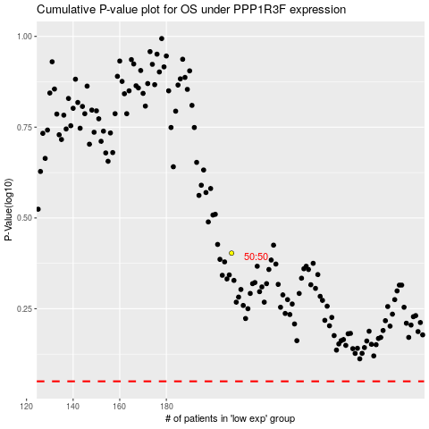

 |  |  |  |  |  | cases_OS | p_OS | rank | exp
 |  |  |  |  |  |  | cases_RFS | p_RFS | rank | exp

