PPP1R7 _multivariate
Reported by Tex Li-Hsing Chi. tex@gate.sinica.edu.tw 2019-08-16

Table 2. The clinicopathological features of HNSCC cohort and PPP1R7 expression. (Chi square test)
Cutoff at -0.276 (50.0%)
 |  | PPP1R7 expression |  | PPP1R7 expression |  | (Optimised)
 | Features | Low | (%) | High | (%) | Case no | P-value | Remark | Matthews
Gender | Female | 148 | 35.7 | 158 | 38.1 | 415 | 0.3567 | 0 | 0
2 | Male | 59 | 14.2 | 50 | 12
Age at diagnosis | <=65y | 129 | 31.1 | 145 | 34.9 | 415 | 0.1372 | 0 | 0
4 | >65y | 78 | 18.8 | 63 | 15.2
Clinical T Status | T1+T2 | 69 | 16.6 | 80 | 19.3 | 415 | 0.3239 | 0 | 0
6 | T3+T4 | 138 | 33.3 | 128 | 30.8
Clinical N Status | N0 | 102 | 24.6 | 114 | 27.5 | 415 | 0.3031 | 0 | 0
8 | N1-3 | 105 | 25.3 | 94 | 22.7
Clinical M Status | M0 | 206 | 49.6 | 206 | 49.6 | 415 | 1 | 0 | 0
10 | M1 | 1 | 0.2 | 2 | 0.5
Clinical Stage | Stage I+II | 47 | 11.3 | 55 | 13.3 | 415 | 0.4413 | 0 | 0
12 | Stage III+IV | 160 | 38.6 | 153 | 36.9
Surgical Margin status | Negative | 158 | 38.1 | 160 | 38.6 | 415 | 0.9081 | 0 | 0
14 | Positive | 49 | 11.8 | 48 | 11.6
Tobacco Exposure | Low | 77 | 18.6 | 84 | 20.2 | 415 | 0.5459 | 0 | 0
16 | High | 130 | 31.3 | 124 | 29.9

Table 3. Univariate/Multivariate Cox's proportional hazards regression analyses on OS time of PPP1R7 gene expression in HNSCC

 |  | Univariate |  |  |  | Multivariate
 | Features | HR | CI95%(L) | CI95%(H) | P-value | HR | CI95%(L) | CI95%(H) | P-value
1 | Female | 1 |  |  |  | 1
Gender | Male | 1.157 | 0.843 | 1.587 | 0.367 | 1.199 | 0.859 | 1.675 | 0.286
11 | <=65y | 1 |  |  |  | 1
Age at diagnosis | >65y | 1.329 | 0.99 | 1.784 | 0.058 | 1.385 | 1.018 | 1.885 | 0.038
12 | T1+T2 | 1 |  |  |  | 1
Clinical T Status | T3+T4 | 1.409 | 1.028 | 1.931 | 0.033 | 2.209 | 1.168 | 4.178 | 0.015
13 | N0 | 1 |  |  |  | 1
Clinical N Status | N1-3 | 1.185 | 0.89 | 1.577 | 0.246 | 1.234 | 0.864 | 1.762 | 0.247
14 | M0 | 1 |  |  |  | 1
Clinical M Status | M1 | 4.097 | 1.009 | 16.644 | 0.049 | 9.683 | 2.104 | 44.57 | 0.004
15 | Stage I+II | 1 |  |  |  | 1
Clinical Stage | Stage III+IV | 1.245 | 0.882 | 1.759 | 0.213 | 0.503 | 0.234 | 1.079 | 0.078
16 | Negative | 1 |  |  |  | 1
Surgical Margin status | Positive | 1.591 | 1.155 | 2.191 | 0.004 | 1.687 | 1.218 | 2.335 | 0.002
17 | Low | 1 |  |  |  | 1
Tobacco Exposure | High | 1.364 | 1.008 | 1.844 | 0.044 | 1.449 | 1.052 | 1.997 | 0.023
18 | Low | 1 |  |  |  | 1
RNAseq(z-score) | High | 0.924 | 0.694 | 1.231 | 0.589 | 0.926 | 0.693 | 1.237 | 0.602

Table 4. Univariate/Multivariate Cox's proportional hazards regression analyses on RFS time of PPP1R7 gene expression in HNSCC

 |  | Univariate |  |  |  | Multivariate
 | Features | HR | CI95%(L) | CI95%(H) | P-value | HR | CI95%(L) | CI95%(H) | P-value
1 | Female | 1 |  |  |  | 1
Gender | Male | 1.157 | 0.843 | 1.587 | 0.367 | 1.199 | 0.859 | 1.675 | 0.286
11 | <=65y | 1 |  |  |  | 1
Age at diagnosis | >65y | 1.329 | 0.99 | 1.784 | 0.058 | 1.385 | 1.018 | 1.885 | 0.038
12 | T1+T2 | 1 |  |  |  | 1
Clinical T Status | T3+T4 | 1.409 | 1.028 | 1.931 | 0.033 | 2.209 | 1.168 | 4.178 | 0.015
13 | N0 | 1 |  |  |  | 1
Clinical N Status | N1-3 | 1.185 | 0.89 | 1.577 | 0.246 | 1.234 | 0.864 | 1.762 | 0.247
14 | M0 | 1 |  |  |  | 1
Clinical M Status | M1 | 4.097 | 1.009 | 16.644 | 0.049 | 9.683 | 2.104 | 44.57 | 0.004
15 | Stage I+II | 1 |  |  |  | 1
Clinical Stage | Stage III+IV | 1.245 | 0.882 | 1.759 | 0.213 | 0.503 | 0.234 | 1.079 | 0.078
16 | Negative | 1 |  |  |  | 1
Surgical Margin status | Positive | 1.591 | 1.155 | 2.191 | 0.004 | 1.687 | 1.218 | 2.335 | 0.002
17 | Low | 1 |  |  |  | 1
Tobacco Exposure | High | 1.364 | 1.008 | 1.844 | 0.044 | 1.449 | 1.052 | 1.997 | 0.023
18 | Low | 1 |  |  |  | 1
RNAseq(z-score) | High | 0.924 | 0.694 | 1.231 | 0.589 | 0.926 | 0.693 | 1.237 | 0.602

Kaplan-Meier survival estimate: Cutoff at -0.276 (50.0%)



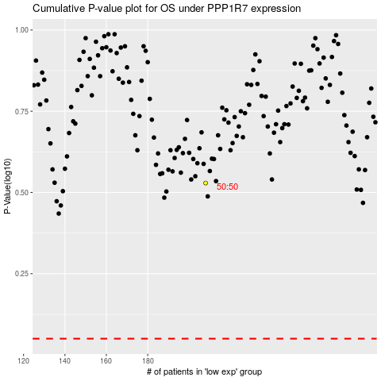

 |  |  |  |  |  | cases_OS | p_OS | rank | exp
 |  |  |  |  |  |  | cases_RFS | p_RFS | rank | exp

