PPP1R9A _multivariate
Reported by Tex Li-Hsing Chi. tex@gate.sinica.edu.tw 2019-08-16

Table 2. The clinicopathological features of HNSCC cohort and PPP1R9A expression. (Chi square test)
Cutoff at -0.303 (50.0%)
 |  | PPP1R9A expression |  | PPP1R9A expression |  | (Optimised)
 | Features | Low | (%) | High | (%) | Case no | P-value | Remark | Matthews
Gender | Female | 153 | 36.9 | 153 | 36.9 | 415 | 1 | 0 | 0
2 | Male | 54 | 13 | 55 | 13.3
Age at diagnosis | <=65y | 129 | 31.1 | 145 | 34.9 | 415 | 0.1372 | 0 | 0
4 | >65y | 78 | 18.8 | 63 | 15.2
Clinical T Status | T1+T2 | 60 | 14.5 | 89 | 21.4 | 415 | 0.0047 | 1 | 0
6 | T3+T4 | 147 | 35.4 | 119 | 28.7
Clinical N Status | N0 | 109 | 26.3 | 107 | 25.8 | 415 | 0.8812 | 0 | 0
8 | N1-3 | 98 | 23.6 | 101 | 24.3
Clinical M Status | M0 | 204 | 49.2 | 208 | 50.1 | 415 | 0.1232 | 0 | 0
10 | M1 | 3 | 0.7 | 0 | 0
Clinical Stage | Stage I+II | 40 | 9.6 | 62 | 14.9 | 415 | 0.018 | 1 | 0
12 | Stage III+IV | 167 | 40.2 | 146 | 35.2
Surgical Margin status | Negative | 157 | 37.8 | 161 | 38.8 | 415 | 0.729 | 0 | 0
14 | Positive | 50 | 12 | 47 | 11.3
Tobacco Exposure | Low | 90 | 21.7 | 71 | 17.1 | 415 | 0.0559 | 0 | 0
16 | High | 117 | 28.2 | 137 | 33

Table 3. Univariate/Multivariate Cox's proportional hazards regression analyses on OS time of PPP1R9A gene expression in HNSCC

 |  | Univariate |  |  |  | Multivariate
 | Features | HR | CI95%(L) | CI95%(H) | P-value | HR | CI95%(L) | CI95%(H) | P-value
1 | Female | 1 |  |  |  | 1
Gender | Male | 1.157 | 0.843 | 1.587 | 0.367 | 1.204 | 0.861 | 1.682 | 0.277
11 | <=65y | 1 |  |  |  | 1
Age at diagnosis | >65y | 1.329 | 0.99 | 1.784 | 0.058 | 1.389 | 1.022 | 1.888 | 0.036
12 | T1+T2 | 1 |  |  |  | 1
Clinical T Status | T3+T4 | 1.409 | 1.028 | 1.931 | 0.033 | 2.2 | 1.163 | 4.16 | 0.015
13 | N0 | 1 |  |  |  | 1
Clinical N Status | N1-3 | 1.185 | 0.89 | 1.577 | 0.246 | 1.244 | 0.872 | 1.775 | 0.229
14 | M0 | 1 |  |  |  | 1
Clinical M Status | M1 | 4.097 | 1.009 | 16.644 | 0.049 | 9.171 | 1.988 | 42.305 | 0.005
15 | Stage I+II | 1 |  |  |  | 1
Clinical Stage | Stage III+IV | 1.245 | 0.882 | 1.759 | 0.213 | 0.501 | 0.233 | 1.076 | 0.076
16 | Negative | 1 |  |  |  | 1
Surgical Margin status | Positive | 1.591 | 1.155 | 2.191 | 0.004 | 1.675 | 1.212 | 2.316 | 0.002
17 | Low | 1 |  |  |  | 1
Tobacco Exposure | High | 1.364 | 1.008 | 1.844 | 0.044 | 1.461 | 1.059 | 2.018 | 0.021
18 | Low | 1 |  |  |  | 1
RNAseq(z-score) | High | 0.93 | 0.698 | 1.238 | 0.617 | 0.948 | 0.708 | 1.269 | 0.72

Table 4. Univariate/Multivariate Cox's proportional hazards regression analyses on RFS time of PPP1R9A gene expression in HNSCC

 |  | Univariate |  |  |  | Multivariate
 | Features | HR | CI95%(L) | CI95%(H) | P-value | HR | CI95%(L) | CI95%(H) | P-value
1 | Female | 1 |  |  |  | 1
Gender | Male | 1.157 | 0.843 | 1.587 | 0.367 | 1.204 | 0.861 | 1.682 | 0.277
11 | <=65y | 1 |  |  |  | 1
Age at diagnosis | >65y | 1.329 | 0.99 | 1.784 | 0.058 | 1.389 | 1.022 | 1.888 | 0.036
12 | T1+T2 | 1 |  |  |  | 1
Clinical T Status | T3+T4 | 1.409 | 1.028 | 1.931 | 0.033 | 2.2 | 1.163 | 4.16 | 0.015
13 | N0 | 1 |  |  |  | 1
Clinical N Status | N1-3 | 1.185 | 0.89 | 1.577 | 0.246 | 1.244 | 0.872 | 1.775 | 0.229
14 | M0 | 1 |  |  |  | 1
Clinical M Status | M1 | 4.097 | 1.009 | 16.644 | 0.049 | 9.171 | 1.988 | 42.305 | 0.005
15 | Stage I+II | 1 |  |  |  | 1
Clinical Stage | Stage III+IV | 1.245 | 0.882 | 1.759 | 0.213 | 0.501 | 0.233 | 1.076 | 0.076
16 | Negative | 1 |  |  |  | 1
Surgical Margin status | Positive | 1.591 | 1.155 | 2.191 | 0.004 | 1.675 | 1.212 | 2.316 | 0.002
17 | Low | 1 |  |  |  | 1
Tobacco Exposure | High | 1.364 | 1.008 | 1.844 | 0.044 | 1.461 | 1.059 | 2.018 | 0.021
18 | Low | 1 |  |  |  | 1
RNAseq(z-score) | High | 0.93 | 0.698 | 1.238 | 0.617 | 0.948 | 0.708 | 1.269 | 0.72

Kaplan-Meier survival estimate: Cutoff at -0.303 (50.0%)



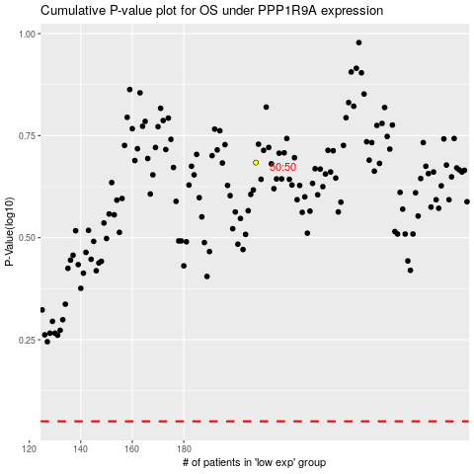

 |  |  |  |  |  | cases_OS | p_OS | rank | exp
 |  |  |  |  |  |  | cases_RFS | p_RFS | rank | exp

