PPP2CA _multivariate
Reported by Tex Li-Hsing Chi. tex@gate.sinica.edu.tw 2019-08-16

Table 2. The clinicopathological features of HNSCC cohort and PPP2CA expression. (Chi square test)
Cutoff at -0.125 (50.0%)
 |  | PPP2CA expression |  | PPP2CA expression |  | (Optimised)
 | Features | Low | (%) | High | (%) | Case no | P-value | Remark | Matthews
Gender | Female | 167 | 40.2 | 139 | 33.5 | 415 | 0.002 | 1 | 0
2 | Male | 40 | 9.6 | 69 | 16.6
Age at diagnosis | <=65y | 143 | 34.5 | 131 | 31.6 | 415 | 0.2269 | 0 | 0
4 | >65y | 64 | 15.4 | 77 | 18.6
Clinical T Status | T1+T2 | 75 | 18.1 | 74 | 17.8 | 415 | 0.9707 | 0 | 0
6 | T3+T4 | 132 | 31.8 | 134 | 32.3
Clinical N Status | N0 | 104 | 25.1 | 112 | 27 | 415 | 0.5243 | 0 | 0
8 | N1-3 | 103 | 24.8 | 96 | 23.1
Clinical M Status | M0 | 207 | 49.9 | 205 | 49.4 | 415 | 0.2482 | 0 | 0
10 | M1 | 0 | 0 | 3 | 0.7
Clinical Stage | Stage I+II | 54 | 13 | 48 | 11.6 | 415 | 0.5498 | 0 | 0
12 | Stage III+IV | 153 | 36.9 | 160 | 38.6
Surgical Margin status | Negative | 164 | 39.5 | 154 | 37.1 | 415 | 0.2462 | 0 | 0
14 | Positive | 43 | 10.4 | 54 | 13
Tobacco Exposure | Low | 72 | 17.3 | 89 | 21.4 | 415 | 0.1071 | 0 | 0
16 | High | 135 | 32.5 | 119 | 28.7

Table 3. Univariate/Multivariate Cox's proportional hazards regression analyses on OS time of PPP2CA gene expression in HNSCC

 |  | Univariate |  |  |  | Multivariate
 | Features | HR | CI95%(L) | CI95%(H) | P-value | HR | CI95%(L) | CI95%(H) | P-value
1 | Female | 1 |  |  |  | 1
Gender | Male | 1.157 | 0.843 | 1.587 | 0.367 | 1.181 | 0.843 | 1.654 | 0.334
11 | <=65y | 1 |  |  |  | 1
Age at diagnosis | >65y | 1.329 | 0.99 | 1.784 | 0.058 | 1.39 | 1.022 | 1.889 | 0.036
12 | T1+T2 | 1 |  |  |  | 1
Clinical T Status | T3+T4 | 1.409 | 1.028 | 1.931 | 0.033 | 2.251 | 1.188 | 4.266 | 0.013
13 | N0 | 1 |  |  |  | 1
Clinical N Status | N1-3 | 1.185 | 0.89 | 1.577 | 0.246 | 1.267 | 0.885 | 1.813 | 0.197
14 | M0 | 1 |  |  |  | 1
Clinical M Status | M1 | 4.097 | 1.009 | 16.644 | 0.049 | 8.943 | 1.941 | 41.211 | 0.005
15 | Stage I+II | 1 |  |  |  | 1
Clinical Stage | Stage III+IV | 1.245 | 0.882 | 1.759 | 0.213 | 0.492 | 0.229 | 1.059 | 0.07
16 | Negative | 1 |  |  |  | 1
Surgical Margin status | Positive | 1.591 | 1.155 | 2.191 | 0.004 | 1.65 | 1.192 | 2.283 | 0.003
17 | Low | 1 |  |  |  | 1
Tobacco Exposure | High | 1.364 | 1.008 | 1.844 | 0.044 | 1.467 | 1.063 | 2.022 | 0.02
18 | Low | 1 |  |  |  | 1
RNAseq(z-score) | High | 1.127 | 0.845 | 1.502 | 0.416 | 1.123 | 0.832 | 1.516 | 0.447

Table 4. Univariate/Multivariate Cox's proportional hazards regression analyses on RFS time of PPP2CA gene expression in HNSCC

 |  | Univariate |  |  |  | Multivariate
 | Features | HR | CI95%(L) | CI95%(H) | P-value | HR | CI95%(L) | CI95%(H) | P-value
1 | Female | 1 |  |  |  | 1
Gender | Male | 1.157 | 0.843 | 1.587 | 0.367 | 1.181 | 0.843 | 1.654 | 0.334
11 | <=65y | 1 |  |  |  | 1
Age at diagnosis | >65y | 1.329 | 0.99 | 1.784 | 0.058 | 1.39 | 1.022 | 1.889 | 0.036
12 | T1+T2 | 1 |  |  |  | 1
Clinical T Status | T3+T4 | 1.409 | 1.028 | 1.931 | 0.033 | 2.251 | 1.188 | 4.266 | 0.013
13 | N0 | 1 |  |  |  | 1
Clinical N Status | N1-3 | 1.185 | 0.89 | 1.577 | 0.246 | 1.267 | 0.885 | 1.813 | 0.197
14 | M0 | 1 |  |  |  | 1
Clinical M Status | M1 | 4.097 | 1.009 | 16.644 | 0.049 | 8.943 | 1.941 | 41.211 | 0.005
15 | Stage I+II | 1 |  |  |  | 1
Clinical Stage | Stage III+IV | 1.245 | 0.882 | 1.759 | 0.213 | 0.492 | 0.229 | 1.059 | 0.07
16 | Negative | 1 |  |  |  | 1
Surgical Margin status | Positive | 1.591 | 1.155 | 2.191 | 0.004 | 1.65 | 1.192 | 2.283 | 0.003
17 | Low | 1 |  |  |  | 1
Tobacco Exposure | High | 1.364 | 1.008 | 1.844 | 0.044 | 1.467 | 1.063 | 2.022 | 0.02
18 | Low | 1 |  |  |  | 1
RNAseq(z-score) | High | 1.127 | 0.845 | 1.502 | 0.416 | 1.123 | 0.832 | 1.516 | 0.447

Kaplan-Meier survival estimate: Cutoff at -0.125 (50.0%)



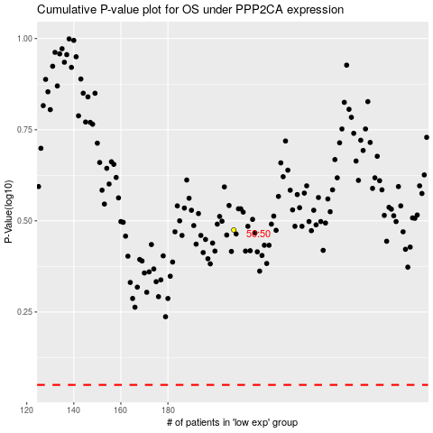

 |  |  |  |  |  | cases_OS | p_OS | rank | exp
 |  |  |  |  |  |  | cases_RFS | p_RFS | rank | exp

