PPP2R1A _multivariate
Reported by Tex Li-Hsing Chi. tex@gate.sinica.edu.tw 2019-08-16

Table 2. The clinicopathological features of HNSCC cohort and PPP2R1A expression. (Chi square test)
Cutoff at -0.186 (50.0%)
 |  | PPP2R1A expression |  | PPP2R1A expression |  | (Optimised)
 | Features | Low | (%) | High | (%) | Case no | P-value | Remark | Matthews
Gender | Female | 156 | 37.6 | 150 | 36.1 | 415 | 0.5222 | 0 | 0
2 | Male | 51 | 12.3 | 58 | 14
Age at diagnosis | <=65y | 141 | 34 | 133 | 32 | 415 | 0.4272 | 0 | 0
4 | >65y | 66 | 15.9 | 75 | 18.1
Clinical T Status | T1+T2 | 80 | 19.3 | 69 | 16.6 | 415 | 0.2891 | 0 | 0
6 | T3+T4 | 127 | 30.6 | 139 | 33.5
Clinical N Status | N0 | 103 | 24.8 | 113 | 27.2 | 415 | 0.4047 | 0 | 0
8 | N1-3 | 104 | 25.1 | 95 | 22.9
Clinical M Status | M0 | 205 | 49.4 | 207 | 49.9 | 415 | 0.6232 | 0 | 0
10 | M1 | 2 | 0.5 | 1 | 0.2
Clinical Stage | Stage I+II | 48 | 11.6 | 54 | 13 | 415 | 0.5878 | 0 | 0
12 | Stage III+IV | 159 | 38.3 | 154 | 37.1
Surgical Margin status | Negative | 155 | 37.3 | 163 | 39.3 | 415 | 0.4187 | 0 | 0
14 | Positive | 52 | 12.5 | 45 | 10.8
Tobacco Exposure | Low | 80 | 19.3 | 81 | 19.5 | 415 | 1 | 0 | 0
16 | High | 127 | 30.6 | 127 | 30.6

Table 3. Univariate/Multivariate Cox's proportional hazards regression analyses on OS time of PPP2R1A gene expression in HNSCC

 |  | Univariate |  |  |  | Multivariate
 | Features | HR | CI95%(L) | CI95%(H) | P-value | HR | CI95%(L) | CI95%(H) | P-value
1 | Female | 1 |  |  |  | 1
Gender | Male | 1.157 | 0.843 | 1.587 | 0.367 | 1.192 | 0.853 | 1.667 | 0.304
11 | <=65y | 1 |  |  |  | 1
Age at diagnosis | >65y | 1.329 | 0.99 | 1.784 | 0.058 | 1.391 | 1.023 | 1.891 | 0.035
12 | T1+T2 | 1 |  |  |  | 1
Clinical T Status | T3+T4 | 1.409 | 1.028 | 1.931 | 0.033 | 2.156 | 1.137 | 4.089 | 0.019
13 | N0 | 1 |  |  |  | 1
Clinical N Status | N1-3 | 1.185 | 0.89 | 1.577 | 0.246 | 1.234 | 0.865 | 1.761 | 0.246
14 | M0 | 1 |  |  |  | 1
Clinical M Status | M1 | 4.097 | 1.009 | 16.644 | 0.049 | 9.328 | 2.035 | 42.761 | 0.004
15 | Stage I+II | 1 |  |  |  | 1
Clinical Stage | Stage III+IV | 1.245 | 0.882 | 1.759 | 0.213 | 0.518 | 0.24 | 1.116 | 0.093
16 | Negative | 1 |  |  |  | 1
Surgical Margin status | Positive | 1.591 | 1.155 | 2.191 | 0.004 | 1.671 | 1.21 | 2.309 | 0.002
17 | Low | 1 |  |  |  | 1
Tobacco Exposure | High | 1.364 | 1.008 | 1.844 | 0.044 | 1.451 | 1.053 | 2 | 0.023
18 | Low | 1 |  |  |  | 1
RNAseq(z-score) | High | 1.156 | 0.868 | 1.539 | 0.323 | 1.104 | 0.826 | 1.474 | 0.504

Table 4. Univariate/Multivariate Cox's proportional hazards regression analyses on RFS time of PPP2R1A gene expression in HNSCC

 |  | Univariate |  |  |  | Multivariate
 | Features | HR | CI95%(L) | CI95%(H) | P-value | HR | CI95%(L) | CI95%(H) | P-value
1 | Female | 1 |  |  |  | 1
Gender | Male | 1.157 | 0.843 | 1.587 | 0.367 | 1.192 | 0.853 | 1.667 | 0.304
11 | <=65y | 1 |  |  |  | 1
Age at diagnosis | >65y | 1.329 | 0.99 | 1.784 | 0.058 | 1.391 | 1.023 | 1.891 | 0.035
12 | T1+T2 | 1 |  |  |  | 1
Clinical T Status | T3+T4 | 1.409 | 1.028 | 1.931 | 0.033 | 2.156 | 1.137 | 4.089 | 0.019
13 | N0 | 1 |  |  |  | 1
Clinical N Status | N1-3 | 1.185 | 0.89 | 1.577 | 0.246 | 1.234 | 0.865 | 1.761 | 0.246
14 | M0 | 1 |  |  |  | 1
Clinical M Status | M1 | 4.097 | 1.009 | 16.644 | 0.049 | 9.328 | 2.035 | 42.761 | 0.004
15 | Stage I+II | 1 |  |  |  | 1
Clinical Stage | Stage III+IV | 1.245 | 0.882 | 1.759 | 0.213 | 0.518 | 0.24 | 1.116 | 0.093
16 | Negative | 1 |  |  |  | 1
Surgical Margin status | Positive | 1.591 | 1.155 | 2.191 | 0.004 | 1.671 | 1.21 | 2.309 | 0.002
17 | Low | 1 |  |  |  | 1
Tobacco Exposure | High | 1.364 | 1.008 | 1.844 | 0.044 | 1.451 | 1.053 | 2 | 0.023
18 | Low | 1 |  |  |  | 1
RNAseq(z-score) | High | 1.156 | 0.868 | 1.539 | 0.323 | 1.104 | 0.826 | 1.474 | 0.504

Kaplan-Meier survival estimate: Cutoff at -0.186 (50.0%)

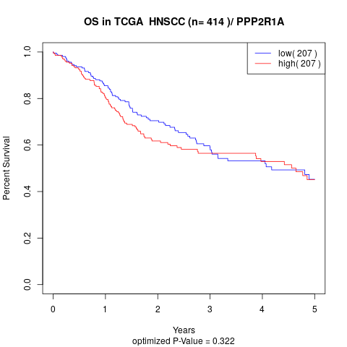

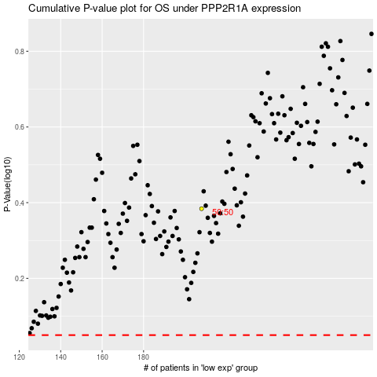

 |  |  |  |  |  | cases_OS | p_OS | rank | exp
 |  |  |  |  |  |  | cases_RFS | p_RFS | rank | exp

