PPP2R1B _multivariate
Reported by Tex Li-Hsing Chi. tex@gate.sinica.edu.tw 2019-08-16

Table 2. The clinicopathological features of HNSCC cohort and PPP2R1B expression. (Chi square test)
Cutoff at -0.144 (50.0%)
 |  | PPP2R1B expression |  | PPP2R1B expression |  | (Optimised)
 | Features | Low | (%) | High | (%) | Case no | P-value | Remark | Matthews
Gender | Female | 169 | 40.7 | 137 | 33 | 415 | 4e-04 | 1 | 0
2 | Male | 38 | 9.2 | 71 | 17.1
Age at diagnosis | <=65y | 136 | 32.8 | 138 | 33.3 | 415 | 0.9719 | 0 | 0
4 | >65y | 71 | 17.1 | 70 | 16.9
Clinical T Status | T1+T2 | 77 | 18.6 | 72 | 17.3 | 415 | 0.6556 | 0 | 0
6 | T3+T4 | 130 | 31.3 | 136 | 32.8
Clinical N Status | N0 | 92 | 22.2 | 124 | 29.9 | 415 | 0.0027 | 1 | 0
8 | N1-3 | 115 | 27.7 | 84 | 20.2
Clinical M Status | M0 | 204 | 49.2 | 208 | 50.1 | 415 | 0.1232 | 0 | 0
10 | M1 | 3 | 0.7 | 0 | 0
Clinical Stage | Stage I+II | 42 | 10.1 | 60 | 14.5 | 415 | 0.0561 | 0 | 0
12 | Stage III+IV | 165 | 39.8 | 148 | 35.7
Surgical Margin status | Negative | 157 | 37.8 | 161 | 38.8 | 415 | 0.729 | 0 | 0
14 | Positive | 50 | 12 | 47 | 11.3
Tobacco Exposure | Low | 80 | 19.3 | 81 | 19.5 | 415 | 1 | 0 | 0
16 | High | 127 | 30.6 | 127 | 30.6

Table 3. Univariate/Multivariate Cox's proportional hazards regression analyses on OS time of PPP2R1B gene expression in HNSCC

 |  | Univariate |  |  |  | Multivariate
 | Features | HR | CI95%(L) | CI95%(H) | P-value | HR | CI95%(L) | CI95%(H) | P-value
1 | Female | 1 |  |  |  | 1
Gender | Male | 1.157 | 0.843 | 1.587 | 0.367 | 1.212 | 0.863 | 1.703 | 0.267
11 | <=65y | 1 |  |  |  | 1
Age at diagnosis | >65y | 1.329 | 0.99 | 1.784 | 0.058 | 1.39 | 1.023 | 1.89 | 0.035
12 | T1+T2 | 1 |  |  |  | 1
Clinical T Status | T3+T4 | 1.409 | 1.028 | 1.931 | 0.033 | 2.215 | 1.17 | 4.192 | 0.015
13 | N0 | 1 |  |  |  | 1
Clinical N Status | N1-3 | 1.185 | 0.89 | 1.577 | 0.246 | 1.237 | 0.866 | 1.766 | 0.243
14 | M0 | 1 |  |  |  | 1
Clinical M Status | M1 | 4.097 | 1.009 | 16.644 | 0.049 | 9.294 | 2.023 | 42.694 | 0.004
15 | Stage I+II | 1 |  |  |  | 1
Clinical Stage | Stage III+IV | 1.245 | 0.882 | 1.759 | 0.213 | 0.5 | 0.232 | 1.075 | 0.076
16 | Negative | 1 |  |  |  | 1
Surgical Margin status | Positive | 1.591 | 1.155 | 2.191 | 0.004 | 1.668 | 1.207 | 2.306 | 0.002
17 | Low | 1 |  |  |  | 1
Tobacco Exposure | High | 1.364 | 1.008 | 1.844 | 0.044 | 1.456 | 1.057 | 2.007 | 0.022
18 | Low | 1 |  |  |  | 1
RNAseq(z-score) | High | 0.953 | 0.715 | 1.271 | 0.744 | 0.958 | 0.71 | 1.292 | 0.776

Table 4. Univariate/Multivariate Cox's proportional hazards regression analyses on RFS time of PPP2R1B gene expression in HNSCC

 |  | Univariate |  |  |  | Multivariate
 | Features | HR | CI95%(L) | CI95%(H) | P-value | HR | CI95%(L) | CI95%(H) | P-value
1 | Female | 1 |  |  |  | 1
Gender | Male | 1.157 | 0.843 | 1.587 | 0.367 | 1.212 | 0.863 | 1.703 | 0.267
11 | <=65y | 1 |  |  |  | 1
Age at diagnosis | >65y | 1.329 | 0.99 | 1.784 | 0.058 | 1.39 | 1.023 | 1.89 | 0.035
12 | T1+T2 | 1 |  |  |  | 1
Clinical T Status | T3+T4 | 1.409 | 1.028 | 1.931 | 0.033 | 2.215 | 1.17 | 4.192 | 0.015
13 | N0 | 1 |  |  |  | 1
Clinical N Status | N1-3 | 1.185 | 0.89 | 1.577 | 0.246 | 1.237 | 0.866 | 1.766 | 0.243
14 | M0 | 1 |  |  |  | 1
Clinical M Status | M1 | 4.097 | 1.009 | 16.644 | 0.049 | 9.294 | 2.023 | 42.694 | 0.004
15 | Stage I+II | 1 |  |  |  | 1
Clinical Stage | Stage III+IV | 1.245 | 0.882 | 1.759 | 0.213 | 0.5 | 0.232 | 1.075 | 0.076
16 | Negative | 1 |  |  |  | 1
Surgical Margin status | Positive | 1.591 | 1.155 | 2.191 | 0.004 | 1.668 | 1.207 | 2.306 | 0.002
17 | Low | 1 |  |  |  | 1
Tobacco Exposure | High | 1.364 | 1.008 | 1.844 | 0.044 | 1.456 | 1.057 | 2.007 | 0.022
18 | Low | 1 |  |  |  | 1
RNAseq(z-score) | High | 0.953 | 0.715 | 1.271 | 0.744 | 0.958 | 0.71 | 1.292 | 0.776

Kaplan-Meier survival estimate: Cutoff at -0.144 (50.0%)



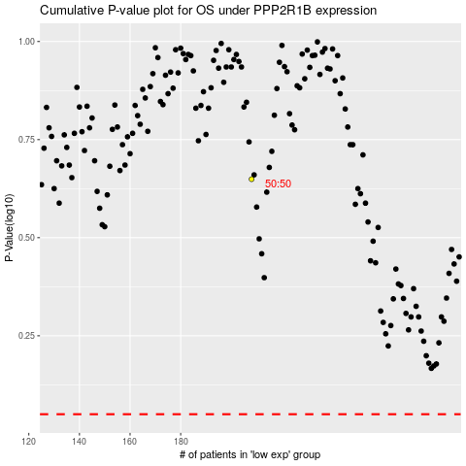

 |  |  |  |  |  | cases_OS | p_OS | rank | exp
 |  |  |  |  |  |  | cases_RFS | p_RFS | rank | exp

