PPP2R2A _multivariate
Reported by Tex Li-Hsing Chi. tex@gate.sinica.edu.tw 2019-08-16

Table 2. The clinicopathological features of HNSCC cohort and PPP2R2A expression. (Chi square test)
Cutoff at 0.056 (65.5%)
 |  | PPP2R2A expression |  | PPP2R2A expression |  | (Optimised)
 | Features | Low | (%) | High | (%) | Case no | P-value | Remark | Matthews
Gender | Female | 198 | 47.7 | 108 | 26 | 415 | 0.6289 | 0 | 0
2 | Male | 74 | 17.8 | 35 | 8.4
Age at diagnosis | <=65y | 179 | 43.1 | 95 | 22.9 | 415 | 0.9851 | 0 | 0
4 | >65y | 93 | 22.4 | 48 | 11.6
Clinical T Status | T1+T2 | 93 | 22.4 | 56 | 13.5 | 415 | 0.3706 | 0 | 0
6 | T3+T4 | 179 | 43.1 | 87 | 21
Clinical N Status | N0 | 140 | 33.7 | 76 | 18.3 | 415 | 0.8247 | 0 | 0
8 | N1-3 | 132 | 31.8 | 67 | 16.1
Clinical M Status | M0 | 269 | 64.8 | 143 | 34.5 | 415 | 0.5543 | 0 | 0
10 | M1 | 3 | 0.7 | 0 | 0
Clinical Stage | Stage I+II | 63 | 15.2 | 39 | 9.4 | 415 | 0.4212 | 0 | 0
12 | Stage III+IV | 209 | 50.4 | 104 | 25.1
Surgical Margin status | Negative | 210 | 50.6 | 108 | 26 | 415 | 0.7154 | 0 | 0
14 | Positive | 62 | 14.9 | 35 | 8.4
Tobacco Exposure | Low | 113 | 27.2 | 48 | 11.6 | 415 | 0.1377 | 0 | 0
16 | High | 159 | 38.3 | 95 | 22.9

Table 3. Univariate/Multivariate Cox's proportional hazards regression analyses on OS time of PPP2R2A gene expression in HNSCC

 |  | Univariate |  |  |  | Multivariate
 | Features | HR | CI95%(L) | CI95%(H) | P-value | HR | CI95%(L) | CI95%(H) | P-value
1 | Female | 1 |  |  |  | 1
Gender | Male | 1.157 | 0.843 | 1.587 | 0.367 | 1.188 | 0.85 | 1.662 | 0.313
11 | <=65y | 1 |  |  |  | 1
Age at diagnosis | >65y | 1.329 | 0.99 | 1.784 | 0.058 | 1.395 | 1.027 | 1.897 | 0.033
12 | T1+T2 | 1 |  |  |  | 1
Clinical T Status | T3+T4 | 1.409 | 1.028 | 1.931 | 0.033 | 2.132 | 1.127 | 4.034 | 0.02
13 | N0 | 1 |  |  |  | 1
Clinical N Status | N1-3 | 1.185 | 0.89 | 1.577 | 0.246 | 1.228 | 0.859 | 1.755 | 0.26
14 | M0 | 1 |  |  |  | 1
Clinical M Status | M1 | 4.097 | 1.009 | 16.644 | 0.049 | 8.347 | 1.813 | 38.424 | 0.006
15 | Stage I+II | 1 |  |  |  | 1
Clinical Stage | Stage III+IV | 1.245 | 0.882 | 1.759 | 0.213 | 0.507 | 0.237 | 1.088 | 0.081
16 | Negative | 1 |  |  |  | 1
Surgical Margin status | Positive | 1.591 | 1.155 | 2.191 | 0.004 | 1.705 | 1.233 | 2.359 | 0.001
17 | Low | 1 |  |  |  | 1
Tobacco Exposure | High | 1.364 | 1.008 | 1.844 | 0.044 | 1.483 | 1.076 | 2.044 | 0.016
18 | Low | 1 |  |  |  | 1
RNAseq(z-score) | High | 0.731 | 0.534 | 0.999 | 0.049 | 0.73 | 0.532 | 1.002 | 0.052

Table 4. Univariate/Multivariate Cox's proportional hazards regression analyses on RFS time of PPP2R2A gene expression in HNSCC

 |  | Univariate |  |  |  | Multivariate
 | Features | HR | CI95%(L) | CI95%(H) | P-value | HR | CI95%(L) | CI95%(H) | P-value
1 | Female | 1 |  |  |  | 1
Gender | Male | 1.157 | 0.843 | 1.587 | 0.367 | 1.188 | 0.85 | 1.662 | 0.313
11 | <=65y | 1 |  |  |  | 1
Age at diagnosis | >65y | 1.329 | 0.99 | 1.784 | 0.058 | 1.395 | 1.027 | 1.897 | 0.033
12 | T1+T2 | 1 |  |  |  | 1
Clinical T Status | T3+T4 | 1.409 | 1.028 | 1.931 | 0.033 | 2.132 | 1.127 | 4.034 | 0.02
13 | N0 | 1 |  |  |  | 1
Clinical N Status | N1-3 | 1.185 | 0.89 | 1.577 | 0.246 | 1.228 | 0.859 | 1.755 | 0.26
14 | M0 | 1 |  |  |  | 1
Clinical M Status | M1 | 4.097 | 1.009 | 16.644 | 0.049 | 8.347 | 1.813 | 38.424 | 0.006
15 | Stage I+II | 1 |  |  |  | 1
Clinical Stage | Stage III+IV | 1.245 | 0.882 | 1.759 | 0.213 | 0.507 | 0.237 | 1.088 | 0.081
16 | Negative | 1 |  |  |  | 1
Surgical Margin status | Positive | 1.591 | 1.155 | 2.191 | 0.004 | 1.705 | 1.233 | 2.359 | 0.001
17 | Low | 1 |  |  |  | 1
Tobacco Exposure | High | 1.364 | 1.008 | 1.844 | 0.044 | 1.483 | 1.076 | 2.044 | 0.016
18 | Low | 1 |  |  |  | 1
RNAseq(z-score) | High | 0.731 | 0.534 | 0.999 | 0.049 | 0.73 | 0.532 | 1.002 | 0.052

Kaplan-Meier survival estimate: Cutoff at 0.056 (65.5%)



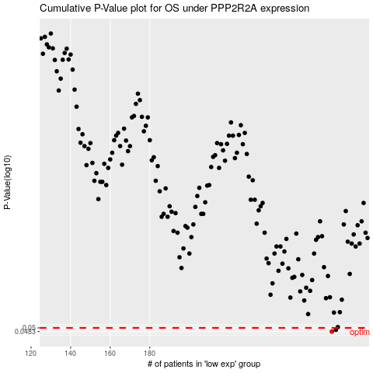

 |  |  |  |  |  | cases_OS | p_OS | rank | exp
 |  |  |  |  |  | 272 | 0.0483 | 135 | 0.055789710841
 |  |  |  |  |  | 274 | 0.0491 | 25 | 0.078534856422
 |  |  |  |  |  |  | cases_RFS | p_RFS | rank | exp
 |  |  |  |  |  |  | 271 | 0.0483 | 239 | 0.053498693589
 |  |  |  |  |  |  | 273 | 0.0491 | 244 | 0.062445276768

