PPP2R2B _multivariate
Reported by Tex Li-Hsing Chi. tex@gate.sinica.edu.tw 2019-08-16

Table 2. The clinicopathological features of HNSCC cohort and PPP2R2B expression. (Chi square test)
Cutoff at -0.405 (49.8%)
 |  | PPP2R2B expression |  | PPP2R2B expression |  | (Optimised)
 | Features | Low | (%) | High | (%) | Case no | P-value | Remark | Matthews
Gender | Female | 157 | 37.8 | 149 | 35.9 | 415 | 0.3881 | 0 | 0
2 | Male | 50 | 12 | 59 | 14.2
Age at diagnosis | <=65y | 140 | 33.7 | 134 | 32.3 | 415 | 0.5574 | 0 | 0
4 | >65y | 67 | 16.1 | 74 | 17.8
Clinical T Status | T1+T2 | 65 | 15.7 | 84 | 20.2 | 415 | 0.0711 | 0 | 0
6 | T3+T4 | 142 | 34.2 | 124 | 29.9
Clinical N Status | N0 | 101 | 24.3 | 115 | 27.7 | 415 | 0.2201 | 0 | 0
8 | N1-3 | 106 | 25.5 | 93 | 22.4
Clinical M Status | M0 | 206 | 49.6 | 206 | 49.6 | 415 | 1 | 0 | 0
10 | M1 | 1 | 0.2 | 2 | 0.5
Clinical Stage | Stage I+II | 46 | 11.1 | 56 | 13.5 | 415 | 0.3182 | 0 | 0
12 | Stage III+IV | 161 | 38.8 | 152 | 36.6
Surgical Margin status | Negative | 158 | 38.1 | 160 | 38.6 | 415 | 0.9081 | 0 | 0
14 | Positive | 49 | 11.8 | 48 | 11.6
Tobacco Exposure | Low | 77 | 18.6 | 84 | 20.2 | 415 | 0.5459 | 0 | 0
16 | High | 130 | 31.3 | 124 | 29.9

Table 3. Univariate/Multivariate Cox's proportional hazards regression analyses on OS time of PPP2R2B gene expression in HNSCC

 |  | Univariate |  |  |  | Multivariate
 | Features | HR | CI95%(L) | CI95%(H) | P-value | HR | CI95%(L) | CI95%(H) | P-value
1 | Female | 1 |  |  |  | 1
Gender | Male | 1.157 | 0.843 | 1.587 | 0.367 | 1.185 | 0.848 | 1.657 | 0.32
11 | <=65y | 1 |  |  |  | 1
Age at diagnosis | >65y | 1.329 | 0.99 | 1.784 | 0.058 | 1.388 | 1.021 | 1.886 | 0.036
12 | T1+T2 | 1 |  |  |  | 1
Clinical T Status | T3+T4 | 1.409 | 1.028 | 1.931 | 0.033 | 2.274 | 1.2 | 4.311 | 0.012
13 | N0 | 1 |  |  |  | 1
Clinical N Status | N1-3 | 1.185 | 0.89 | 1.577 | 0.246 | 1.253 | 0.879 | 1.788 | 0.213
14 | M0 | 1 |  |  |  | 1
Clinical M Status | M1 | 4.097 | 1.009 | 16.644 | 0.049 | 9.476 | 2.067 | 43.443 | 0.004
15 | Stage I+II | 1 |  |  |  | 1
Clinical Stage | Stage III+IV | 1.245 | 0.882 | 1.759 | 0.213 | 0.487 | 0.226 | 1.049 | 0.066
16 | Negative | 1 |  |  |  | 1
Surgical Margin status | Positive | 1.591 | 1.155 | 2.191 | 0.004 | 1.661 | 1.202 | 2.295 | 0.002
17 | Low | 1 |  |  |  | 1
Tobacco Exposure | High | 1.364 | 1.008 | 1.844 | 0.044 | 1.455 | 1.057 | 2.005 | 0.022
18 | Low | 1 |  |  |  | 1
RNAseq(z-score) | High | 1.147 | 0.859 | 1.531 | 0.352 | 1.171 | 0.875 | 1.567 | 0.288

Table 4. Univariate/Multivariate Cox's proportional hazards regression analyses on RFS time of PPP2R2B gene expression in HNSCC

 |  | Univariate |  |  |  | Multivariate
 | Features | HR | CI95%(L) | CI95%(H) | P-value | HR | CI95%(L) | CI95%(H) | P-value
1 | Female | 1 |  |  |  | 1
Gender | Male | 1.157 | 0.843 | 1.587 | 0.367 | 1.185 | 0.848 | 1.657 | 0.32
11 | <=65y | 1 |  |  |  | 1
Age at diagnosis | >65y | 1.329 | 0.99 | 1.784 | 0.058 | 1.388 | 1.021 | 1.886 | 0.036
12 | T1+T2 | 1 |  |  |  | 1
Clinical T Status | T3+T4 | 1.409 | 1.028 | 1.931 | 0.033 | 2.274 | 1.2 | 4.311 | 0.012
13 | N0 | 1 |  |  |  | 1
Clinical N Status | N1-3 | 1.185 | 0.89 | 1.577 | 0.246 | 1.253 | 0.879 | 1.788 | 0.213
14 | M0 | 1 |  |  |  | 1
Clinical M Status | M1 | 4.097 | 1.009 | 16.644 | 0.049 | 9.476 | 2.067 | 43.443 | 0.004
15 | Stage I+II | 1 |  |  |  | 1
Clinical Stage | Stage III+IV | 1.245 | 0.882 | 1.759 | 0.213 | 0.487 | 0.226 | 1.049 | 0.066
16 | Negative | 1 |  |  |  | 1
Surgical Margin status | Positive | 1.591 | 1.155 | 2.191 | 0.004 | 1.661 | 1.202 | 2.295 | 0.002
17 | Low | 1 |  |  |  | 1
Tobacco Exposure | High | 1.364 | 1.008 | 1.844 | 0.044 | 1.455 | 1.057 | 2.005 | 0.022
18 | Low | 1 |  |  |  | 1
RNAseq(z-score) | High | 1.147 | 0.859 | 1.531 | 0.352 | 1.171 | 0.875 | 1.567 | 0.288

Kaplan-Meier survival estimate: Cutoff at -0.405 (49.8%)



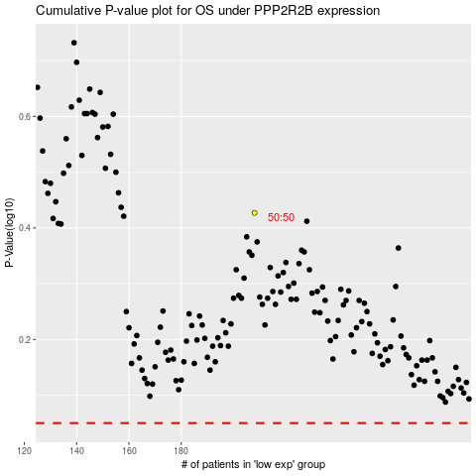

 |  |  |  |  |  | cases_OS | p_OS | rank | exp
 |  |  |  |  |  |  | cases_RFS | p_RFS | rank | exp

