PPP2R2C _multivariate
Reported by Tex Li-Hsing Chi. tex@gate.sinica.edu.tw 2019-08-16

Table 2. The clinicopathological features of HNSCC cohort and PPP2R2C expression. (Chi square test)
Cutoff at -0.191 (50.0%)
 |  | PPP2R2C expression |  | PPP2R2C expression |  | (Optimised)
 | Features | Low | (%) | High | (%) | Case no | P-value | Remark | Matthews
Gender | Female | 163 | 39.3 | 143 | 34.5 | 415 | 0.0277 | 1 | 0
2 | Male | 44 | 10.6 | 65 | 15.7
Age at diagnosis | <=65y | 134 | 32.3 | 140 | 33.7 | 415 | 0.6529 | 0 | 0
4 | >65y | 73 | 17.6 | 68 | 16.4
Clinical T Status | T1+T2 | 75 | 18.1 | 74 | 17.8 | 415 | 0.9707 | 0 | 0
6 | T3+T4 | 132 | 31.8 | 134 | 32.3
Clinical N Status | N0 | 94 | 22.7 | 122 | 29.4 | 415 | 0.0093 | 1 | 0
8 | N1-3 | 113 | 27.2 | 86 | 20.7
Clinical M Status | M0 | 206 | 49.6 | 206 | 49.6 | 415 | 1 | 0 | 0
10 | M1 | 1 | 0.2 | 2 | 0.5
Clinical Stage | Stage I+II | 44 | 10.6 | 58 | 14 | 415 | 0.1459 | 0 | 0
12 | Stage III+IV | 163 | 39.3 | 150 | 36.1
Surgical Margin status | Negative | 153 | 36.9 | 165 | 39.8 | 415 | 0.2036 | 0 | 0
14 | Positive | 54 | 13 | 43 | 10.4
Tobacco Exposure | Low | 74 | 17.8 | 87 | 21 | 415 | 0.227 | 0 | 0
16 | High | 133 | 32 | 121 | 29.2

Table 3. Univariate/Multivariate Cox's proportional hazards regression analyses on OS time of PPP2R2C gene expression in HNSCC

 |  | Univariate |  |  |  | Multivariate
 | Features | HR | CI95%(L) | CI95%(H) | P-value | HR | CI95%(L) | CI95%(H) | P-value
1 | Female | 1 |  |  |  | 1
Gender | Male | 1.157 | 0.843 | 1.587 | 0.367 | 1.23 | 0.877 | 1.725 | 0.23
11 | <=65y | 1 |  |  |  | 1
Age at diagnosis | >65y | 1.329 | 0.99 | 1.784 | 0.058 | 1.377 | 1.012 | 1.874 | 0.042
12 | T1+T2 | 1 |  |  |  | 1
Clinical T Status | T3+T4 | 1.409 | 1.028 | 1.931 | 0.033 | 2.237 | 1.182 | 4.234 | 0.013
13 | N0 | 1 |  |  |  | 1
Clinical N Status | N1-3 | 1.185 | 0.89 | 1.577 | 0.246 | 1.211 | 0.846 | 1.734 | 0.295
14 | M0 | 1 |  |  |  | 1
Clinical M Status | M1 | 4.097 | 1.009 | 16.644 | 0.049 | 10.155 | 2.198 | 46.918 | 0.003
15 | Stage I+II | 1 |  |  |  | 1
Clinical Stage | Stage III+IV | 1.245 | 0.882 | 1.759 | 0.213 | 0.495 | 0.23 | 1.063 | 0.071
16 | Negative | 1 |  |  |  | 1
Surgical Margin status | Positive | 1.591 | 1.155 | 2.191 | 0.004 | 1.672 | 1.21 | 2.31 | 0.002
17 | Low | 1 |  |  |  | 1
Tobacco Exposure | High | 1.364 | 1.008 | 1.844 | 0.044 | 1.452 | 1.053 | 2.003 | 0.023
18 | Low | 1 |  |  |  | 1
RNAseq(z-score) | High | 0.866 | 0.65 | 1.154 | 0.327 | 0.86 | 0.639 | 1.157 | 0.319

Table 4. Univariate/Multivariate Cox's proportional hazards regression analyses on RFS time of PPP2R2C gene expression in HNSCC

 |  | Univariate |  |  |  | Multivariate
 | Features | HR | CI95%(L) | CI95%(H) | P-value | HR | CI95%(L) | CI95%(H) | P-value
1 | Female | 1 |  |  |  | 1
Gender | Male | 1.157 | 0.843 | 1.587 | 0.367 | 1.23 | 0.877 | 1.725 | 0.23
11 | <=65y | 1 |  |  |  | 1
Age at diagnosis | >65y | 1.329 | 0.99 | 1.784 | 0.058 | 1.377 | 1.012 | 1.874 | 0.042
12 | T1+T2 | 1 |  |  |  | 1
Clinical T Status | T3+T4 | 1.409 | 1.028 | 1.931 | 0.033 | 2.237 | 1.182 | 4.234 | 0.013
13 | N0 | 1 |  |  |  | 1
Clinical N Status | N1-3 | 1.185 | 0.89 | 1.577 | 0.246 | 1.211 | 0.846 | 1.734 | 0.295
14 | M0 | 1 |  |  |  | 1
Clinical M Status | M1 | 4.097 | 1.009 | 16.644 | 0.049 | 10.155 | 2.198 | 46.918 | 0.003
15 | Stage I+II | 1 |  |  |  | 1
Clinical Stage | Stage III+IV | 1.245 | 0.882 | 1.759 | 0.213 | 0.495 | 0.23 | 1.063 | 0.071
16 | Negative | 1 |  |  |  | 1
Surgical Margin status | Positive | 1.591 | 1.155 | 2.191 | 0.004 | 1.672 | 1.21 | 2.31 | 0.002
17 | Low | 1 |  |  |  | 1
Tobacco Exposure | High | 1.364 | 1.008 | 1.844 | 0.044 | 1.452 | 1.053 | 2.003 | 0.023
18 | Low | 1 |  |  |  | 1
RNAseq(z-score) | High | 0.866 | 0.65 | 1.154 | 0.327 | 0.86 | 0.639 | 1.157 | 0.319

Kaplan-Meier survival estimate: Cutoff at -0.191 (50.0%)



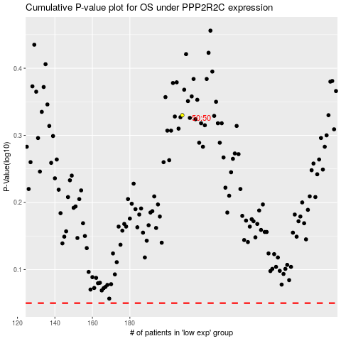

 |  |  |  |  |  | cases_OS | p_OS | rank | exp
 |  |  |  |  |  |  | cases_RFS | p_RFS | rank | exp

