PPP2R2D _multivariate
Reported by Tex Li-Hsing Chi. tex@gate.sinica.edu.tw 2019-08-16

Table 2. The clinicopathological features of HNSCC cohort and PPP2R2D expression. (Chi square test)
Cutoff at -0.068 (50.0%)
 |  | PPP2R2D expression |  | PPP2R2D expression |  | (Optimised)
 | Features | Low | (%) | High | (%) | Case no | P-value | Remark | Matthews
Gender | Female | 142 | 34.2 | 164 | 39.5 | 415 | 0.0238 | 1 | 0
2 | Male | 65 | 15.7 | 44 | 10.6
Age at diagnosis | <=65y | 133 | 32 | 141 | 34 | 415 | 0.5111 | 0 | 0
4 | >65y | 74 | 17.8 | 67 | 16.1
Clinical T Status | T1+T2 | 85 | 20.5 | 64 | 15.4 | 415 | 0.0372 | 1 | 0
6 | T3+T4 | 122 | 29.4 | 144 | 34.7
Clinical N Status | N0 | 110 | 26.5 | 106 | 25.5 | 415 | 0.7294 | 0 | 0
8 | N1-3 | 97 | 23.4 | 102 | 24.6
Clinical M Status | M0 | 206 | 49.6 | 206 | 49.6 | 415 | 1 | 0 | 0
10 | M1 | 1 | 0.2 | 2 | 0.5
Clinical Stage | Stage I+II | 55 | 13.3 | 47 | 11.3 | 415 | 0.4087 | 0 | 0
12 | Stage III+IV | 152 | 36.6 | 161 | 38.8
Surgical Margin status | Negative | 158 | 38.1 | 160 | 38.6 | 415 | 0.9081 | 0 | 0
14 | Positive | 49 | 11.8 | 48 | 11.6
Tobacco Exposure | Low | 85 | 20.5 | 76 | 18.3 | 415 | 0.3655 | 0 | 0
16 | High | 122 | 29.4 | 132 | 31.8

Table 3. Univariate/Multivariate Cox's proportional hazards regression analyses on OS time of PPP2R2D gene expression in HNSCC

 |  | Univariate |  |  |  | Multivariate
 | Features | HR | CI95%(L) | CI95%(H) | P-value | HR | CI95%(L) | CI95%(H) | P-value
1 | Female | 1 |  |  |  | 1
Gender | Male | 1.157 | 0.843 | 1.587 | 0.367 | 1.219 | 0.871 | 1.706 | 0.249
11 | <=65y | 1 |  |  |  | 1
Age at diagnosis | >65y | 1.329 | 0.99 | 1.784 | 0.058 | 1.392 | 1.024 | 1.893 | 0.035
12 | T1+T2 | 1 |  |  |  | 1
Clinical T Status | T3+T4 | 1.409 | 1.028 | 1.931 | 0.033 | 2.13 | 1.122 | 4.044 | 0.021
13 | N0 | 1 |  |  |  | 1
Clinical N Status | N1-3 | 1.185 | 0.89 | 1.577 | 0.246 | 1.231 | 0.862 | 1.757 | 0.253
14 | M0 | 1 |  |  |  | 1
Clinical M Status | M1 | 4.097 | 1.009 | 16.644 | 0.049 | 9.093 | 1.981 | 41.745 | 0.005
15 | Stage I+II | 1 |  |  |  | 1
Clinical Stage | Stage III+IV | 1.245 | 0.882 | 1.759 | 0.213 | 0.519 | 0.241 | 1.118 | 0.094
16 | Negative | 1 |  |  |  | 1
Surgical Margin status | Positive | 1.591 | 1.155 | 2.191 | 0.004 | 1.675 | 1.212 | 2.315 | 0.002
17 | Low | 1 |  |  |  | 1
Tobacco Exposure | High | 1.364 | 1.008 | 1.844 | 0.044 | 1.438 | 1.042 | 1.984 | 0.027
18 | Low | 1 |  |  |  | 1
RNAseq(z-score) | High | 1.211 | 0.909 | 1.613 | 0.191 | 1.153 | 0.861 | 1.543 | 0.339

Table 4. Univariate/Multivariate Cox's proportional hazards regression analyses on RFS time of PPP2R2D gene expression in HNSCC

 |  | Univariate |  |  |  | Multivariate
 | Features | HR | CI95%(L) | CI95%(H) | P-value | HR | CI95%(L) | CI95%(H) | P-value
1 | Female | 1 |  |  |  | 1
Gender | Male | 1.157 | 0.843 | 1.587 | 0.367 | 1.219 | 0.871 | 1.706 | 0.249
11 | <=65y | 1 |  |  |  | 1
Age at diagnosis | >65y | 1.329 | 0.99 | 1.784 | 0.058 | 1.392 | 1.024 | 1.893 | 0.035
12 | T1+T2 | 1 |  |  |  | 1
Clinical T Status | T3+T4 | 1.409 | 1.028 | 1.931 | 0.033 | 2.13 | 1.122 | 4.044 | 0.021
13 | N0 | 1 |  |  |  | 1
Clinical N Status | N1-3 | 1.185 | 0.89 | 1.577 | 0.246 | 1.231 | 0.862 | 1.757 | 0.253
14 | M0 | 1 |  |  |  | 1
Clinical M Status | M1 | 4.097 | 1.009 | 16.644 | 0.049 | 9.093 | 1.981 | 41.745 | 0.005
15 | Stage I+II | 1 |  |  |  | 1
Clinical Stage | Stage III+IV | 1.245 | 0.882 | 1.759 | 0.213 | 0.519 | 0.241 | 1.118 | 0.094
16 | Negative | 1 |  |  |  | 1
Surgical Margin status | Positive | 1.591 | 1.155 | 2.191 | 0.004 | 1.675 | 1.212 | 2.315 | 0.002
17 | Low | 1 |  |  |  | 1
Tobacco Exposure | High | 1.364 | 1.008 | 1.844 | 0.044 | 1.438 | 1.042 | 1.984 | 0.027
18 | Low | 1 |  |  |  | 1
RNAseq(z-score) | High | 1.211 | 0.909 | 1.613 | 0.191 | 1.153 | 0.861 | 1.543 | 0.339

Kaplan-Meier survival estimate: Cutoff at -0.068 (50.0%)



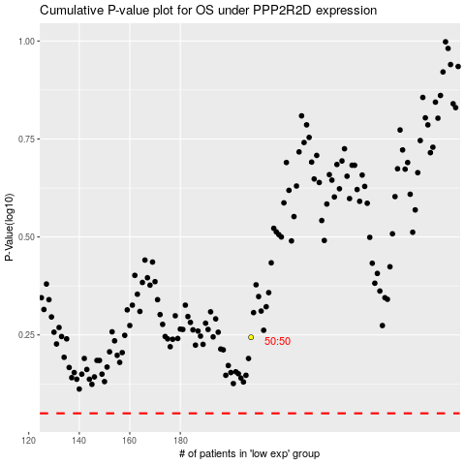

 |  |  |  |  |  | cases_OS | p_OS | rank | exp
 |  |  |  |  |  |  | cases_RFS | p_RFS | rank | exp

