PPP2R5B _multivariate
Reported by Tex Li-Hsing Chi. tex@gate.sinica.edu.tw 2019-08-16

Table 2. The clinicopathological features of HNSCC cohort and PPP2R5B expression. (Chi square test)
Cutoff at -0.063 (50.0%)
 |  | PPP2R5B expression |  | PPP2R5B expression |  | (Optimised)
 | Features | Low | (%) | High | (%) | Case no | P-value | Remark | Matthews
Gender | Female | 158 | 38.1 | 148 | 35.7 | 415 | 0.2774 | 0 | 0
2 | Male | 49 | 11.8 | 60 | 14.5
Age at diagnosis | <=65y | 128 | 30.8 | 146 | 35.2 | 415 | 0.0904 | 0 | 0
4 | >65y | 79 | 19 | 62 | 14.9
Clinical T Status | T1+T2 | 67 | 16.1 | 82 | 19.8 | 415 | 0.1628 | 0 | 0
6 | T3+T4 | 140 | 33.7 | 126 | 30.4
Clinical N Status | N0 | 111 | 26.7 | 105 | 25.3 | 415 | 0.5875 | 0 | 0
8 | N1-3 | 96 | 23.1 | 103 | 24.8
Clinical M Status | M0 | 206 | 49.6 | 206 | 49.6 | 415 | 1 | 0 | 0
10 | M1 | 1 | 0.2 | 2 | 0.5
Clinical Stage | Stage I+II | 46 | 11.1 | 56 | 13.5 | 415 | 0.3182 | 0 | 0
12 | Stage III+IV | 161 | 38.8 | 152 | 36.6
Surgical Margin status | Negative | 157 | 37.8 | 161 | 38.8 | 415 | 0.729 | 0 | 0
14 | Positive | 50 | 12 | 47 | 11.3
Tobacco Exposure | Low | 67 | 16.1 | 94 | 22.7 | 415 | 0.0088 | 1 | 0
16 | High | 140 | 33.7 | 114 | 27.5

Table 3. Univariate/Multivariate Cox's proportional hazards regression analyses on OS time of PPP2R5B gene expression in HNSCC

 |  | Univariate |  |  |  | Multivariate
 | Features | HR | CI95%(L) | CI95%(H) | P-value | HR | CI95%(L) | CI95%(H) | P-value
1 | Female | 1 |  |  |  | 1
Gender | Male | 1.157 | 0.843 | 1.587 | 0.367 | 1.201 | 0.86 | 1.679 | 0.282
11 | <=65y | 1 |  |  |  | 1
Age at diagnosis | >65y | 1.329 | 0.99 | 1.784 | 0.058 | 1.393 | 1.021 | 1.901 | 0.037
12 | T1+T2 | 1 |  |  |  | 1
Clinical T Status | T3+T4 | 1.409 | 1.028 | 1.931 | 0.033 | 2.203 | 1.165 | 4.167 | 0.015
13 | N0 | 1 |  |  |  | 1
Clinical N Status | N1-3 | 1.185 | 0.89 | 1.577 | 0.246 | 1.241 | 0.869 | 1.77 | 0.235
14 | M0 | 1 |  |  |  | 1
Clinical M Status | M1 | 4.097 | 1.009 | 16.644 | 0.049 | 9.393 | 2.046 | 43.131 | 0.004
15 | Stage I+II | 1 |  |  |  | 1
Clinical Stage | Stage III+IV | 1.245 | 0.882 | 1.759 | 0.213 | 0.505 | 0.235 | 1.084 | 0.08
16 | Negative | 1 |  |  |  | 1
Surgical Margin status | Positive | 1.591 | 1.155 | 2.191 | 0.004 | 1.672 | 1.21 | 2.31 | 0.002
17 | Low | 1 |  |  |  | 1
Tobacco Exposure | High | 1.364 | 1.008 | 1.844 | 0.044 | 1.454 | 1.054 | 2.005 | 0.023
18 | Low | 1 |  |  |  | 1
RNAseq(z-score) | High | 0.917 | 0.688 | 1.222 | 0.554 | 1.006 | 0.749 | 1.351 | 0.969

Table 4. Univariate/Multivariate Cox's proportional hazards regression analyses on RFS time of PPP2R5B gene expression in HNSCC

 |  | Univariate |  |  |  | Multivariate
 | Features | HR | CI95%(L) | CI95%(H) | P-value | HR | CI95%(L) | CI95%(H) | P-value
1 | Female | 1 |  |  |  | 1
Gender | Male | 1.157 | 0.843 | 1.587 | 0.367 | 1.201 | 0.86 | 1.679 | 0.282
11 | <=65y | 1 |  |  |  | 1
Age at diagnosis | >65y | 1.329 | 0.99 | 1.784 | 0.058 | 1.393 | 1.021 | 1.901 | 0.037
12 | T1+T2 | 1 |  |  |  | 1
Clinical T Status | T3+T4 | 1.409 | 1.028 | 1.931 | 0.033 | 2.203 | 1.165 | 4.167 | 0.015
13 | N0 | 1 |  |  |  | 1
Clinical N Status | N1-3 | 1.185 | 0.89 | 1.577 | 0.246 | 1.241 | 0.869 | 1.77 | 0.235
14 | M0 | 1 |  |  |  | 1
Clinical M Status | M1 | 4.097 | 1.009 | 16.644 | 0.049 | 9.393 | 2.046 | 43.131 | 0.004
15 | Stage I+II | 1 |  |  |  | 1
Clinical Stage | Stage III+IV | 1.245 | 0.882 | 1.759 | 0.213 | 0.505 | 0.235 | 1.084 | 0.08
16 | Negative | 1 |  |  |  | 1
Surgical Margin status | Positive | 1.591 | 1.155 | 2.191 | 0.004 | 1.672 | 1.21 | 2.31 | 0.002
17 | Low | 1 |  |  |  | 1
Tobacco Exposure | High | 1.364 | 1.008 | 1.844 | 0.044 | 1.454 | 1.054 | 2.005 | 0.023
18 | Low | 1 |  |  |  | 1
RNAseq(z-score) | High | 0.917 | 0.688 | 1.222 | 0.554 | 1.006 | 0.749 | 1.351 | 0.969

Kaplan-Meier survival estimate: Cutoff at -0.063 (50.0%)



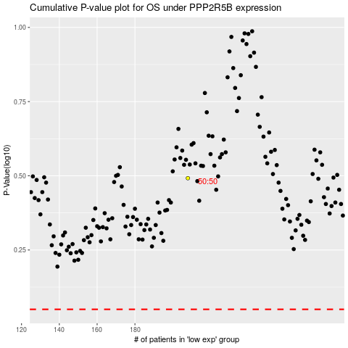

 |  |  |  |  |  | cases_OS | p_OS | rank | exp
 |  |  |  |  |  |  | cases_RFS | p_RFS | rank | exp

