PPP2R5C _multivariate
Reported by Tex Li-Hsing Chi. tex@gate.sinica.edu.tw 2019-08-16

Table 2. The clinicopathological features of HNSCC cohort and PPP2R5C expression. (Chi square test)
Cutoff at 0.263 (68.6%)
 |  | PPP2R5C expression |  | PPP2R5C expression |  | (Optimised)
 | Features | Low | (%) | High | (%) | Case no | P-value | Remark | Matthews
Gender | Female | 213 | 51.3 | 93 | 22.4 | 415 | 0.5711 | 0 | 0
2 | Male | 72 | 17.3 | 37 | 8.9
Age at diagnosis | <=65y | 186 | 44.8 | 88 | 21.2 | 415 | 0.7092 | 0 | 0
4 | >65y | 99 | 23.9 | 42 | 10.1
Clinical T Status | T1+T2 | 102 | 24.6 | 47 | 11.3 | 415 | 1 | 0 | 0
6 | T3+T4 | 183 | 44.1 | 83 | 20
Clinical N Status | N0 | 150 | 36.1 | 66 | 15.9 | 415 | 0.8054 | 0 | 0
8 | N1-3 | 135 | 32.5 | 64 | 15.4
Clinical M Status | M0 | 283 | 68.2 | 129 | 31.1 | 415 | 1 | 0 | 0
10 | M1 | 2 | 0.5 | 1 | 0.2
Clinical Stage | Stage I+II | 71 | 17.1 | 31 | 7.5 | 415 | 0.9116 | 0 | 0
12 | Stage III+IV | 214 | 51.6 | 99 | 23.9
Surgical Margin status | Negative | 218 | 52.5 | 100 | 24.1 | 415 | 1 | 0 | 0
14 | Positive | 67 | 16.1 | 30 | 7.2
Tobacco Exposure | Low | 116 | 28 | 45 | 10.8 | 415 | 0.2775 | 0 | 0
16 | High | 169 | 40.7 | 85 | 20.5

Table 3. Univariate/Multivariate Cox's proportional hazards regression analyses on OS time of PPP2R5C gene expression in HNSCC

 |  | Univariate |  |  |  | Multivariate
 | Features | HR | CI95%(L) | CI95%(H) | P-value | HR | CI95%(L) | CI95%(H) | P-value
1 | Female | 1 |  |  |  | 1
Gender | Male | 1.157 | 0.843 | 1.587 | 0.367 | 1.184 | 0.847 | 1.655 | 0.322
11 | <=65y | 1 |  |  |  | 1
Age at diagnosis | >65y | 1.329 | 0.99 | 1.784 | 0.058 | 1.409 | 1.037 | 1.914 | 0.028
12 | T1+T2 | 1 |  |  |  | 1
Clinical T Status | T3+T4 | 1.409 | 1.028 | 1.931 | 0.033 | 2.297 | 1.213 | 4.351 | 0.011
13 | N0 | 1 |  |  |  | 1
Clinical N Status | N1-3 | 1.185 | 0.89 | 1.577 | 0.246 | 1.281 | 0.897 | 1.83 | 0.174
14 | M0 | 1 |  |  |  | 1
Clinical M Status | M1 | 4.097 | 1.009 | 16.644 | 0.049 | 9.409 | 2.051 | 43.169 | 0.004
15 | Stage I+II | 1 |  |  |  | 1
Clinical Stage | Stage III+IV | 1.245 | 0.882 | 1.759 | 0.213 | 0.473 | 0.22 | 1.018 | 0.056
16 | Negative | 1 |  |  |  | 1
Surgical Margin status | Positive | 1.591 | 1.155 | 2.191 | 0.004 | 1.708 | 1.235 | 2.363 | 0.001
17 | Low | 1 |  |  |  | 1
Tobacco Exposure | High | 1.364 | 1.008 | 1.844 | 0.044 | 1.403 | 1.017 | 1.937 | 0.039
18 | Low | 1 |  |  |  | 1
RNAseq(z-score) | High | 1.366 | 1.012 | 1.842 | 0.041 | 1.414 | 1.044 | 1.915 | 0.025

Table 4. Univariate/Multivariate Cox's proportional hazards regression analyses on RFS time of PPP2R5C gene expression in HNSCC

 |  | Univariate |  |  |  | Multivariate
 | Features | HR | CI95%(L) | CI95%(H) | P-value | HR | CI95%(L) | CI95%(H) | P-value
1 | Female | 1 |  |  |  | 1
Gender | Male | 1.157 | 0.843 | 1.587 | 0.367 | 1.184 | 0.847 | 1.655 | 0.322
11 | <=65y | 1 |  |  |  | 1
Age at diagnosis | >65y | 1.329 | 0.99 | 1.784 | 0.058 | 1.409 | 1.037 | 1.914 | 0.028
12 | T1+T2 | 1 |  |  |  | 1
Clinical T Status | T3+T4 | 1.409 | 1.028 | 1.931 | 0.033 | 2.297 | 1.213 | 4.351 | 0.011
13 | N0 | 1 |  |  |  | 1
Clinical N Status | N1-3 | 1.185 | 0.89 | 1.577 | 0.246 | 1.281 | 0.897 | 1.83 | 0.174
14 | M0 | 1 |  |  |  | 1
Clinical M Status | M1 | 4.097 | 1.009 | 16.644 | 0.049 | 9.409 | 2.051 | 43.169 | 0.004
15 | Stage I+II | 1 |  |  |  | 1
Clinical Stage | Stage III+IV | 1.245 | 0.882 | 1.759 | 0.213 | 0.473 | 0.22 | 1.018 | 0.056
16 | Negative | 1 |  |  |  | 1
Surgical Margin status | Positive | 1.591 | 1.155 | 2.191 | 0.004 | 1.708 | 1.235 | 2.363 | 0.001
17 | Low | 1 |  |  |  | 1
Tobacco Exposure | High | 1.364 | 1.008 | 1.844 | 0.044 | 1.403 | 1.017 | 1.937 | 0.039
18 | Low | 1 |  |  |  | 1
RNAseq(z-score) | High | 1.366 | 1.012 | 1.842 | 0.041 | 1.414 | 1.044 | 1.915 | 0.025

Kaplan-Meier survival estimate: Cutoff at 0.263 (68.6%)



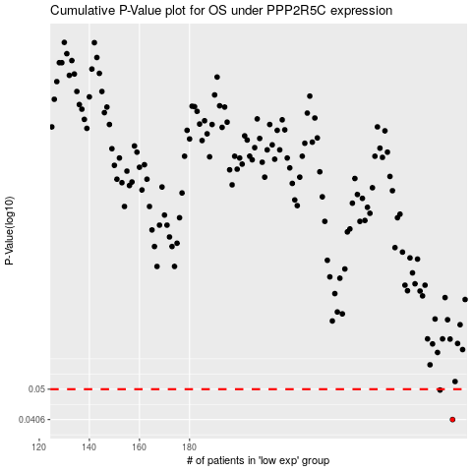

 |  |  |  |  |  | cases_OS | p_OS | rank | exp
 |  |  |  |  |  | 285 | 0.0406 | 65 | 0.26255478395
 |  |  |  |  |  | 280 | 0.0497 | 216 | 0.23059030473
 |  |  |  |  |  |  | cases_RFS | p_RFS | rank | exp
 |  |  |  |  |  |  | 284 | 0.0406 | 205 | 0.26118386962
 |  |  |  |  |  |  | 279 | 0.0497 | 399 | 0.22519397596

