PPP2R5D _multivariate
Reported by Tex Li-Hsing Chi. tex@gate.sinica.edu.tw 2019-08-16

Table 2. The clinicopathological features of HNSCC cohort and PPP2R5D expression. (Chi square test)
Cutoff at -0.111 (49.8%)
 |  | PPP2R5D expression |  | PPP2R5D expression |  | (Optimised)
 | Features | Low | (%) | High | (%) | Case no | P-value | Remark | Matthews
Gender | Female | 144 | 34.7 | 162 | 39 | 415 | 0.0697 | 0 | 0
2 | Male | 63 | 15.2 | 46 | 11.1
Age at diagnosis | <=65y | 128 | 30.8 | 146 | 35.2 | 415 | 0.0904 | 0 | 0
4 | >65y | 79 | 19 | 62 | 14.9
Clinical T Status | T1+T2 | 76 | 18.3 | 73 | 17.6 | 415 | 0.8092 | 0 | 0
6 | T3+T4 | 131 | 31.6 | 135 | 32.5
Clinical N Status | N0 | 111 | 26.7 | 105 | 25.3 | 415 | 0.5875 | 0 | 0
8 | N1-3 | 96 | 23.1 | 103 | 24.8
Clinical M Status | M0 | 206 | 49.6 | 206 | 49.6 | 415 | 1 | 0 | 0
10 | M1 | 1 | 0.2 | 2 | 0.5
Clinical Stage | Stage I+II | 52 | 12.5 | 50 | 12 | 415 | 0.8871 | 0 | 0
12 | Stage III+IV | 155 | 37.3 | 158 | 38.1
Surgical Margin status | Negative | 165 | 39.8 | 153 | 36.9 | 415 | 0.1639 | 0 | 0
14 | Positive | 42 | 10.1 | 55 | 13.3
Tobacco Exposure | Low | 91 | 21.9 | 70 | 16.9 | 415 | 0.0346 | 1 | 0
16 | High | 116 | 28 | 138 | 33.3

Table 3. Univariate/Multivariate Cox's proportional hazards regression analyses on OS time of PPP2R5D gene expression in HNSCC

 |  | Univariate |  |  |  | Multivariate
 | Features | HR | CI95%(L) | CI95%(H) | P-value | HR | CI95%(L) | CI95%(H) | P-value
1 | Female | 1 |  |  |  | 1
Gender | Male | 1.157 | 0.843 | 1.587 | 0.367 | 1.196 | 0.854 | 1.675 | 0.298
11 | <=65y | 1 |  |  |  | 1
Age at diagnosis | >65y | 1.329 | 0.99 | 1.784 | 0.058 | 1.385 | 1.016 | 1.888 | 0.039
12 | T1+T2 | 1 |  |  |  | 1
Clinical T Status | T3+T4 | 1.409 | 1.028 | 1.931 | 0.033 | 2.206 | 1.167 | 4.173 | 0.015
13 | N0 | 1 |  |  |  | 1
Clinical N Status | N1-3 | 1.185 | 0.89 | 1.577 | 0.246 | 1.242 | 0.87 | 1.772 | 0.232
14 | M0 | 1 |  |  |  | 1
Clinical M Status | M1 | 4.097 | 1.009 | 16.644 | 0.049 | 9.5 | 2.067 | 43.654 | 0.004
15 | Stage I+II | 1 |  |  |  | 1
Clinical Stage | Stage III+IV | 1.245 | 0.882 | 1.759 | 0.213 | 0.503 | 0.234 | 1.08 | 0.078
16 | Negative | 1 |  |  |  | 1
Surgical Margin status | Positive | 1.591 | 1.155 | 2.191 | 0.004 | 1.68 | 1.212 | 2.329 | 0.002
17 | Low | 1 |  |  |  | 1
Tobacco Exposure | High | 1.364 | 1.008 | 1.844 | 0.044 | 1.456 | 1.056 | 2.007 | 0.022
18 | Low | 1 |  |  |  | 1
RNAseq(z-score) | High | 1.008 | 0.757 | 1.342 | 0.955 | 0.967 | 0.719 | 1.301 | 0.826

Table 4. Univariate/Multivariate Cox's proportional hazards regression analyses on RFS time of PPP2R5D gene expression in HNSCC

 |  | Univariate |  |  |  | Multivariate
 | Features | HR | CI95%(L) | CI95%(H) | P-value | HR | CI95%(L) | CI95%(H) | P-value
1 | Female | 1 |  |  |  | 1
Gender | Male | 1.157 | 0.843 | 1.587 | 0.367 | 1.196 | 0.854 | 1.675 | 0.298
11 | <=65y | 1 |  |  |  | 1
Age at diagnosis | >65y | 1.329 | 0.99 | 1.784 | 0.058 | 1.385 | 1.016 | 1.888 | 0.039
12 | T1+T2 | 1 |  |  |  | 1
Clinical T Status | T3+T4 | 1.409 | 1.028 | 1.931 | 0.033 | 2.206 | 1.167 | 4.173 | 0.015
13 | N0 | 1 |  |  |  | 1
Clinical N Status | N1-3 | 1.185 | 0.89 | 1.577 | 0.246 | 1.242 | 0.87 | 1.772 | 0.232
14 | M0 | 1 |  |  |  | 1
Clinical M Status | M1 | 4.097 | 1.009 | 16.644 | 0.049 | 9.5 | 2.067 | 43.654 | 0.004
15 | Stage I+II | 1 |  |  |  | 1
Clinical Stage | Stage III+IV | 1.245 | 0.882 | 1.759 | 0.213 | 0.503 | 0.234 | 1.08 | 0.078
16 | Negative | 1 |  |  |  | 1
Surgical Margin status | Positive | 1.591 | 1.155 | 2.191 | 0.004 | 1.68 | 1.212 | 2.329 | 0.002
17 | Low | 1 |  |  |  | 1
Tobacco Exposure | High | 1.364 | 1.008 | 1.844 | 0.044 | 1.456 | 1.056 | 2.007 | 0.022
18 | Low | 1 |  |  |  | 1
RNAseq(z-score) | High | 1.008 | 0.757 | 1.342 | 0.955 | 0.967 | 0.719 | 1.301 | 0.826

Kaplan-Meier survival estimate: Cutoff at -0.111 (49.8%)



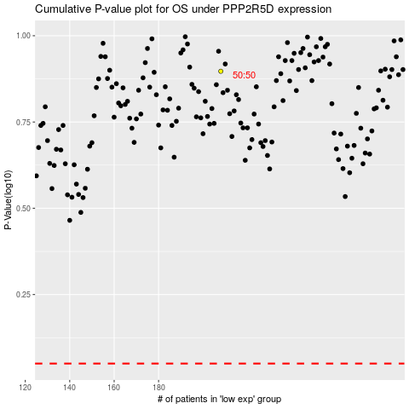

 |  |  |  |  |  | cases_OS | p_OS | rank | exp
 |  |  |  |  |  |  | cases_RFS | p_RFS | rank | exp

