PPP3CB _multivariate
Reported by Tex Li-Hsing Chi. tex@gate.sinica.edu.tw 2019-08-16

Table 2. The clinicopathological features of HNSCC cohort and PPP3CB expression. (Chi square test)
Cutoff at 0.188 (67.4%)
 |  | PPP3CB expression |  | PPP3CB expression |  | (Optimised)
 | Features | Low | (%) | High | (%) | Case no | P-value | Remark | Matthews
Gender | Female | 211 | 50.8 | 95 | 22.9 | 415 | 0.3358 | 0 | 0
2 | Male | 69 | 16.6 | 40 | 9.6
Age at diagnosis | <=65y | 192 | 46.3 | 82 | 19.8 | 415 | 0.1423 | 0 | 0
4 | >65y | 88 | 21.2 | 53 | 12.8
Clinical T Status | T1+T2 | 95 | 22.9 | 54 | 13 | 415 | 0.2719 | 0 | 0
6 | T3+T4 | 185 | 44.6 | 81 | 19.5
Clinical N Status | N0 | 152 | 36.6 | 64 | 15.4 | 415 | 0.2266 | 0 | 0
8 | N1-3 | 128 | 30.8 | 71 | 17.1
Clinical M Status | M0 | 278 | 67 | 134 | 32.3 | 415 | 1 | 0 | 0
10 | M1 | 2 | 0.5 | 1 | 0.2
Clinical Stage | Stage I+II | 63 | 15.2 | 39 | 9.4 | 415 | 0.1955 | 0 | 0
12 | Stage III+IV | 217 | 52.3 | 96 | 23.1
Surgical Margin status | Negative | 220 | 53 | 98 | 23.6 | 415 | 0.2155 | 0 | 0
14 | Positive | 60 | 14.5 | 37 | 8.9
Tobacco Exposure | Low | 101 | 24.3 | 60 | 14.5 | 415 | 0.1077 | 0 | 0
16 | High | 179 | 43.1 | 75 | 18.1

Table 3. Univariate/Multivariate Cox's proportional hazards regression analyses on OS time of PPP3CB gene expression in HNSCC

 |  | Univariate |  |  |  | Multivariate
 | Features | HR | CI95%(L) | CI95%(H) | P-value | HR | CI95%(L) | CI95%(H) | P-value
1 | Female | 1 |  |  |  | 1
Gender | Male | 1.157 | 0.843 | 1.587 | 0.367 | 1.199 | 0.858 | 1.675 | 0.287
11 | <=65y | 1 |  |  |  | 1
Age at diagnosis | >65y | 1.329 | 0.99 | 1.784 | 0.058 | 1.387 | 1.019 | 1.887 | 0.037
12 | T1+T2 | 1 |  |  |  | 1
Clinical T Status | T3+T4 | 1.409 | 1.028 | 1.931 | 0.033 | 2.146 | 1.134 | 4.06 | 0.019
13 | N0 | 1 |  |  |  | 1
Clinical N Status | N1-3 | 1.185 | 0.89 | 1.577 | 0.246 | 1.165 | 0.813 | 1.669 | 0.407
14 | M0 | 1 |  |  |  | 1
Clinical M Status | M1 | 4.097 | 1.009 | 16.644 | 0.049 | 9.762 | 2.129 | 44.767 | 0.003
15 | Stage I+II | 1 |  |  |  | 1
Clinical Stage | Stage III+IV | 1.245 | 0.882 | 1.759 | 0.213 | 0.555 | 0.257 | 1.197 | 0.133
16 | Negative | 1 |  |  |  | 1
Surgical Margin status | Positive | 1.591 | 1.155 | 2.191 | 0.004 | 1.669 | 1.208 | 2.308 | 0.002
17 | Low | 1 |  |  |  | 1
Tobacco Exposure | High | 1.364 | 1.008 | 1.844 | 0.044 | 1.487 | 1.08 | 2.048 | 0.015
18 | Low | 1 |  |  |  | 1
RNAseq(z-score) | High | 1.449 | 1.073 | 1.957 | 0.016 | 1.475 | 1.087 | 2.003 | 0.013

Table 4. Univariate/Multivariate Cox's proportional hazards regression analyses on RFS time of PPP3CB gene expression in HNSCC

 |  | Univariate |  |  |  | Multivariate
 | Features | HR | CI95%(L) | CI95%(H) | P-value | HR | CI95%(L) | CI95%(H) | P-value
1 | Female | 1 |  |  |  | 1
Gender | Male | 1.157 | 0.843 | 1.587 | 0.367 | 1.199 | 0.858 | 1.675 | 0.287
11 | <=65y | 1 |  |  |  | 1
Age at diagnosis | >65y | 1.329 | 0.99 | 1.784 | 0.058 | 1.387 | 1.019 | 1.887 | 0.037
12 | T1+T2 | 1 |  |  |  | 1
Clinical T Status | T3+T4 | 1.409 | 1.028 | 1.931 | 0.033 | 2.146 | 1.134 | 4.06 | 0.019
13 | N0 | 1 |  |  |  | 1
Clinical N Status | N1-3 | 1.185 | 0.89 | 1.577 | 0.246 | 1.165 | 0.813 | 1.669 | 0.407
14 | M0 | 1 |  |  |  | 1
Clinical M Status | M1 | 4.097 | 1.009 | 16.644 | 0.049 | 9.762 | 2.129 | 44.767 | 0.003
15 | Stage I+II | 1 |  |  |  | 1
Clinical Stage | Stage III+IV | 1.245 | 0.882 | 1.759 | 0.213 | 0.555 | 0.257 | 1.197 | 0.133
16 | Negative | 1 |  |  |  | 1
Surgical Margin status | Positive | 1.591 | 1.155 | 2.191 | 0.004 | 1.669 | 1.208 | 2.308 | 0.002
17 | Low | 1 |  |  |  | 1
Tobacco Exposure | High | 1.364 | 1.008 | 1.844 | 0.044 | 1.487 | 1.08 | 2.048 | 0.015
18 | Low | 1 |  |  |  | 1
RNAseq(z-score) | High | 1.449 | 1.073 | 1.957 | 0.016 | 1.475 | 1.087 | 2.003 | 0.013

Kaplan-Meier survival estimate: Cutoff at 0.188 (67.4%)

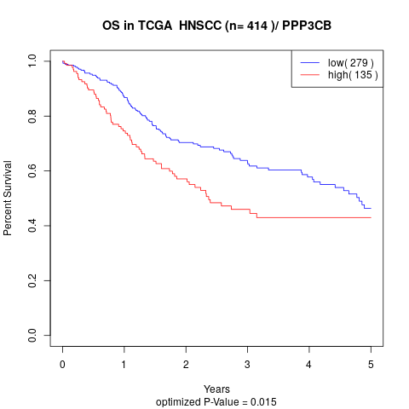

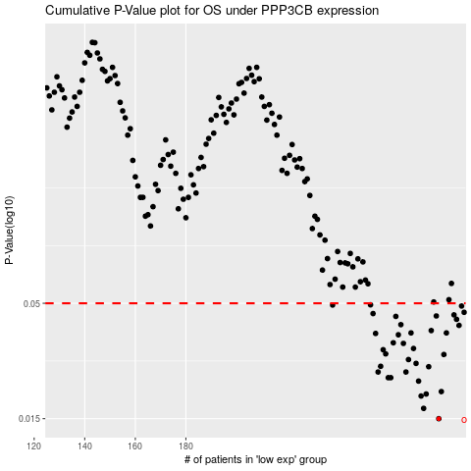

 |  |  |  |  |  | cases_OS | p_OS | rank | exp
 |  |  |  |  |  | 280 | 0.015 | 185 | 0.187518181
 |  |  |  |  |  | 274 | 0.0167 | 142 | 0.16150902251
 |  |  |  |  |  | 273 | 0.019 | 346 | 0.16121893408
 |  |  |  |  |  | 275 | 0.0194 | 65 | 0.16623297297
 |  |  |  |  |  | 281 | 0.0199 | 389 | 0.20049132388
 |  |  |  |  |  | 272 | 0.0222 | 29 | 0.15625028979
 |  |  |  |  |  | 261 | 0.023 | 21 | 0.11148466901
 |  |  |  |  |  | 260 | 0.023 | 333 | 0.099486902948
 |  |  |  |  |  | 256 | 0.0244 | 7 | 0.087261192927
 |  |  |  |  |  | 267 | 0.0244 | 366 | 0.13342749172
 |  |  |  |  |  | 276 | 0.0258 | 115 | 0.17547453484
 |  |  |  |  |  | 257 | 0.0259 | 48 | 0.091667866755
 |  |  |  |  |  | 271 | 0.0267 | 317 | 0.15516761666
 |  |  |  |  |  | 268 | 0.0278 | 284 | 0.13396081747
 |  |  |  |  |  | 282 | 0.0293 | 74 | 0.20173955375
 |  |  |  |  |  | 259 | 0.0295 | 42 | 0.096832897276
 |  |  |  |  |  | 258 | 0.0308 | 145 | 0.092503418527
 |  |  |  |  |  | 270 | 0.0312 | 383 | 0.15360211016
 |  |  |  |  |  | 266 | 0.0329 | 109 | 0.13193335425
 |  |  |  |  |  | 262 | 0.0331 | 385 | 0.11582992663
 |  |  |  |  |  | 264 | 0.036 | 226 | 0.12541304031
 |  |  |  |  |  | 255 | 0.0365 | 131 | 0.082558604627
 |  |  |  |  |  | 283 | 0.0367 | 222 | 0.21275902997
 |  |  |  |  |  | 269 | 0.0367 | 376 | 0.14479555955
 |  |  |  |  |  | 277 | 0.0376 | 69 | 0.17557017906
 |  |  |  |  |  | 288 | 0.0397 | 338 | 0.23478924333
 |  |  |  |  |  | 265 | 0.04 | 167 | 0.12999133968
 |  |  |  |  |  | 287 | 0.0423 | 298 | 0.23205245929
 |  |  |  |  |  | 263 | 0.0436 | 407 | 0.11915926787
 |  |  |  |  |  | 279 | 0.0438 | 245 | 0.18408591298
 |  |  |  |  |  | 286 | 0.0443 | 356 | 0.22728942579
 |  |  |  |  |  | 254 | 0.0449 | 31 | 0.078234951922
 |  |  |  |  |  | 290 | 0.0455 | 205 | 0.24514115204
 |  |  |  |  |  | 289 | 0.0486 | 277 | 0.23945153483
 |  |  |  |  |  | 238 | 0.0491 | 221 | 0.0059531693451
 |  |  |  |  |  | 253 | 0.0492 | 393 | 0.07571154673
 |  |  |  |  |  |  | cases_RFS | p_RFS | rank | exp
 |  |  |  |  |  |  | 279 | 0.015 | 245 | 0.18408591298
 |  |  |  |  |  |  | 273 | 0.0167 | 346 | 0.16121893408
 |  |  |  |  |  |  | 272 | 0.019 | 29 | 0.15625028979
 |  |  |  |  |  |  | 274 | 0.0194 | 142 | 0.16150902251
 |  |  |  |  |  |  | 280 | 0.0199 | 185 | 0.187518181
 |  |  |  |  |  |  | 271 | 0.0222 | 317 | 0.15516761666
 |  |  |  |  |  |  | 259 | 0.023 | 42 | 0.096832897276
 |  |  |  |  |  |  | 260 | 0.023 | 333 | 0.099486902948
 |  |  |  |  |  |  | 266 | 0.0244 | 109 | 0.13193335425
 |  |  |  |  |  |  | 255 | 0.0244 | 131 | 0.082558604627
 |  |  |  |  |  |  | 275 | 0.0258 | 65 | 0.16623297297
 |  |  |  |  |  |  | 256 | 0.0259 | 7 | 0.087261192927
 |  |  |  |  |  |  | 270 | 0.0267 | 383 | 0.15360211016
 |  |  |  |  |  |  | 267 | 0.0278 | 366 | 0.13342749172
 |  |  |  |  |  |  | 281 | 0.0293 | 389 | 0.20049132388
 |  |  |  |  |  |  | 258 | 0.0295 | 145 | 0.092503418527
 |  |  |  |  |  |  | 257 | 0.0308 | 48 | 0.091667866755
 |  |  |  |  |  |  | 269 | 0.0312 | 376 | 0.14479555955
 |  |  |  |  |  |  | 265 | 0.0329 | 167 | 0.12999133968
 |  |  |  |  |  |  | 261 | 0.0331 | 21 | 0.11148466901
 |  |  |  |  |  |  | 263 | 0.036 | 407 | 0.11915926787
 |  |  |  |  |  |  | 254 | 0.0365 | 31 | 0.078234951922
 |  |  |  |  |  |  | 282 | 0.0367 | 74 | 0.20173955375
 |  |  |  |  |  |  | 268 | 0.0367 | 284 | 0.13396081747
 |  |  |  |  |  |  | 276 | 0.0376 | 115 | 0.17547453484
 |  |  |  |  |  |  | 287 | 0.0397 | 298 | 0.23205245929
 |  |  |  |  |  |  | 264 | 0.04 | 226 | 0.12541304031
 |  |  |  |  |  |  | 286 | 0.0423 | 356 | 0.22728942579
 |  |  |  |  |  |  | 262 | 0.0436 | 385 | 0.11582992663
 |  |  |  |  |  |  | 278 | 0.0438 | 252 | 0.18357152187
 |  |  |  |  |  |  | 285 | 0.0443 | 321 | 0.22078027843
 |  |  |  |  |  |  | 253 | 0.0449 | 393 | 0.07571154673
 |  |  |  |  |  |  | 289 | 0.0455 | 277 | 0.23945153483
 |  |  |  |  |  |  | 288 | 0.0486 | 338 | 0.23478924333
 |  |  |  |  |  |  | 237 | 0.0491 | 128 | -0.0013257440435
 |  |  |  |  |  |  | 252 | 0.0492 | 402 | 0.074887889798

