PPP3CC _multivariate
Reported by Tex Li-Hsing Chi. tex@gate.sinica.edu.tw 2019-08-16

Table 2. The clinicopathological features of HNSCC cohort and PPP3CC expression. (Chi square test)
Cutoff at -0.225 (50.0%)
 |  | PPP3CC expression |  | PPP3CC expression |  | (Optimised)
 | Features | Low | (%) | High | (%) | Case no | P-value | Remark | Matthews
Gender | Female | 158 | 38.1 | 148 | 35.7 | 415 | 0.2774 | 0 | 0
2 | Male | 49 | 11.8 | 60 | 14.5
Age at diagnosis | <=65y | 141 | 34 | 133 | 32 | 415 | 0.4272 | 0 | 0
4 | >65y | 66 | 15.9 | 75 | 18.1
Clinical T Status | T1+T2 | 69 | 16.6 | 80 | 19.3 | 415 | 0.3239 | 0 | 0
6 | T3+T4 | 138 | 33.3 | 128 | 30.8
Clinical N Status | N0 | 106 | 25.5 | 110 | 26.5 | 415 | 0.8075 | 0 | 0
8 | N1-3 | 101 | 24.3 | 98 | 23.6
Clinical M Status | M0 | 204 | 49.2 | 208 | 50.1 | 415 | 0.1232 | 0 | 0
10 | M1 | 3 | 0.7 | 0 | 0
Clinical Stage | Stage I+II | 45 | 10.8 | 57 | 13.7 | 415 | 0.2202 | 0 | 0
12 | Stage III+IV | 162 | 39 | 151 | 36.4
Surgical Margin status | Negative | 161 | 38.8 | 157 | 37.8 | 415 | 0.6429 | 0 | 0
14 | Positive | 46 | 11.1 | 51 | 12.3
Tobacco Exposure | Low | 88 | 21.2 | 73 | 17.6 | 415 | 0.1314 | 0 | 0
16 | High | 119 | 28.7 | 135 | 32.5

Table 3. Univariate/Multivariate Cox's proportional hazards regression analyses on OS time of PPP3CC gene expression in HNSCC

 |  | Univariate |  |  |  | Multivariate
 | Features | HR | CI95%(L) | CI95%(H) | P-value | HR | CI95%(L) | CI95%(H) | P-value
1 | Female | 1 |  |  |  | 1
Gender | Male | 1.157 | 0.843 | 1.587 | 0.367 | 1.21 | 0.865 | 1.693 | 0.265
11 | <=65y | 1 |  |  |  | 1
Age at diagnosis | >65y | 1.329 | 0.99 | 1.784 | 0.058 | 1.411 | 1.038 | 1.919 | 0.028
12 | T1+T2 | 1 |  |  |  | 1
Clinical T Status | T3+T4 | 1.409 | 1.028 | 1.931 | 0.033 | 2.199 | 1.163 | 4.157 | 0.015
13 | N0 | 1 |  |  |  | 1
Clinical N Status | N1-3 | 1.185 | 0.89 | 1.577 | 0.246 | 1.247 | 0.873 | 1.779 | 0.225
14 | M0 | 1 |  |  |  | 1
Clinical M Status | M1 | 4.097 | 1.009 | 16.644 | 0.049 | 8.617 | 1.87 | 39.698 | 0.006
15 | Stage I+II | 1 |  |  |  | 1
Clinical Stage | Stage III+IV | 1.245 | 0.882 | 1.759 | 0.213 | 0.492 | 0.229 | 1.059 | 0.07
16 | Negative | 1 |  |  |  | 1
Surgical Margin status | Positive | 1.591 | 1.155 | 2.191 | 0.004 | 1.695 | 1.226 | 2.345 | 0.001
17 | Low | 1 |  |  |  | 1
Tobacco Exposure | High | 1.364 | 1.008 | 1.844 | 0.044 | 1.491 | 1.079 | 2.059 | 0.015
18 | Low | 1 |  |  |  | 1
RNAseq(z-score) | High | 0.863 | 0.648 | 1.149 | 0.312 | 0.821 | 0.613 | 1.1 | 0.187

Table 4. Univariate/Multivariate Cox's proportional hazards regression analyses on RFS time of PPP3CC gene expression in HNSCC

 |  | Univariate |  |  |  | Multivariate
 | Features | HR | CI95%(L) | CI95%(H) | P-value | HR | CI95%(L) | CI95%(H) | P-value
1 | Female | 1 |  |  |  | 1
Gender | Male | 1.157 | 0.843 | 1.587 | 0.367 | 1.21 | 0.865 | 1.693 | 0.265
11 | <=65y | 1 |  |  |  | 1
Age at diagnosis | >65y | 1.329 | 0.99 | 1.784 | 0.058 | 1.411 | 1.038 | 1.919 | 0.028
12 | T1+T2 | 1 |  |  |  | 1
Clinical T Status | T3+T4 | 1.409 | 1.028 | 1.931 | 0.033 | 2.199 | 1.163 | 4.157 | 0.015
13 | N0 | 1 |  |  |  | 1
Clinical N Status | N1-3 | 1.185 | 0.89 | 1.577 | 0.246 | 1.247 | 0.873 | 1.779 | 0.225
14 | M0 | 1 |  |  |  | 1
Clinical M Status | M1 | 4.097 | 1.009 | 16.644 | 0.049 | 8.617 | 1.87 | 39.698 | 0.006
15 | Stage I+II | 1 |  |  |  | 1
Clinical Stage | Stage III+IV | 1.245 | 0.882 | 1.759 | 0.213 | 0.492 | 0.229 | 1.059 | 0.07
16 | Negative | 1 |  |  |  | 1
Surgical Margin status | Positive | 1.591 | 1.155 | 2.191 | 0.004 | 1.695 | 1.226 | 2.345 | 0.001
17 | Low | 1 |  |  |  | 1
Tobacco Exposure | High | 1.364 | 1.008 | 1.844 | 0.044 | 1.491 | 1.079 | 2.059 | 0.015
18 | Low | 1 |  |  |  | 1
RNAseq(z-score) | High | 0.863 | 0.648 | 1.149 | 0.312 | 0.821 | 0.613 | 1.1 | 0.187

Kaplan-Meier survival estimate: Cutoff at -0.225 (50.0%)



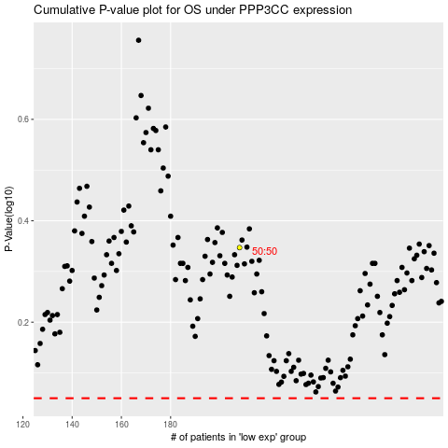

 |  |  |  |  |  | cases_OS | p_OS | rank | exp
 |  |  |  |  |  |  | cases_RFS | p_RFS | rank | exp

