PPP4R1 _multivariate
Reported by Tex Li-Hsing Chi. tex@gate.sinica.edu.tw 2019-08-16

Table 2. The clinicopathological features of HNSCC cohort and PPP4R1 expression. (Chi square test)
Cutoff at -0.121 (50.0%)
 |  | PPP4R1 expression |  | PPP4R1 expression |  | (Optimised)
 | Features | Low | (%) | High | (%) | Case no | P-value | Remark | Matthews
Gender | Female | 159 | 38.3 | 147 | 35.4 | 415 | 0.1905 | 0 | 0
2 | Male | 48 | 11.6 | 61 | 14.7
Age at diagnosis | <=65y | 133 | 32 | 141 | 34 | 415 | 0.5111 | 0 | 0
4 | >65y | 74 | 17.8 | 67 | 16.1
Clinical T Status | T1+T2 | 84 | 20.2 | 65 | 15.7 | 415 | 0.0603 | 0 | 0
6 | T3+T4 | 123 | 29.6 | 143 | 34.5
Clinical N Status | N0 | 108 | 26 | 108 | 26 | 415 | 1 | 0 | 0
8 | N1-3 | 99 | 23.9 | 100 | 24.1
Clinical M Status | M0 | 206 | 49.6 | 206 | 49.6 | 415 | 1 | 0 | 0
10 | M1 | 1 | 0.2 | 2 | 0.5
Clinical Stage | Stage I+II | 54 | 13 | 48 | 11.6 | 415 | 0.5498 | 0 | 0
12 | Stage III+IV | 153 | 36.9 | 160 | 38.6
Surgical Margin status | Negative | 156 | 37.6 | 162 | 39 | 415 | 0.5636 | 0 | 0
14 | Positive | 51 | 12.3 | 46 | 11.1
Tobacco Exposure | Low | 77 | 18.6 | 84 | 20.2 | 415 | 0.5459 | 0 | 0
16 | High | 130 | 31.3 | 124 | 29.9

Table 3. Univariate/Multivariate Cox's proportional hazards regression analyses on OS time of PPP4R1 gene expression in HNSCC

 |  | Univariate |  |  |  | Multivariate
 | Features | HR | CI95%(L) | CI95%(H) | P-value | HR | CI95%(L) | CI95%(H) | P-value
1 | Female | 1 |  |  |  | 1
Gender | Male | 1.157 | 0.843 | 1.587 | 0.367 | 1.193 | 0.854 | 1.668 | 0.301
11 | <=65y | 1 |  |  |  | 1
Age at diagnosis | >65y | 1.329 | 0.99 | 1.784 | 0.058 | 1.401 | 1.03 | 1.907 | 0.032
12 | T1+T2 | 1 |  |  |  | 1
Clinical T Status | T3+T4 | 1.409 | 1.028 | 1.931 | 0.033 | 2.178 | 1.15 | 4.122 | 0.017
13 | N0 | 1 |  |  |  | 1
Clinical N Status | N1-3 | 1.185 | 0.89 | 1.577 | 0.246 | 1.25 | 0.876 | 1.786 | 0.219
14 | M0 | 1 |  |  |  | 1
Clinical M Status | M1 | 4.097 | 1.009 | 16.644 | 0.049 | 9.05 | 1.963 | 41.73 | 0.005
15 | Stage I+II | 1 |  |  |  | 1
Clinical Stage | Stage III+IV | 1.245 | 0.882 | 1.759 | 0.213 | 0.509 | 0.237 | 1.094 | 0.084
16 | Negative | 1 |  |  |  | 1
Surgical Margin status | Positive | 1.591 | 1.155 | 2.191 | 0.004 | 1.673 | 1.211 | 2.311 | 0.002
17 | Low | 1 |  |  |  | 1
Tobacco Exposure | High | 1.364 | 1.008 | 1.844 | 0.044 | 1.451 | 1.053 | 1.999 | 0.023
18 | Low | 1 |  |  |  | 1
RNAseq(z-score) | High | 1.114 | 0.836 | 1.484 | 0.461 | 1.086 | 0.812 | 1.452 | 0.58

Table 4. Univariate/Multivariate Cox's proportional hazards regression analyses on RFS time of PPP4R1 gene expression in HNSCC

 |  | Univariate |  |  |  | Multivariate
 | Features | HR | CI95%(L) | CI95%(H) | P-value | HR | CI95%(L) | CI95%(H) | P-value
1 | Female | 1 |  |  |  | 1
Gender | Male | 1.157 | 0.843 | 1.587 | 0.367 | 1.193 | 0.854 | 1.668 | 0.301
11 | <=65y | 1 |  |  |  | 1
Age at diagnosis | >65y | 1.329 | 0.99 | 1.784 | 0.058 | 1.401 | 1.03 | 1.907 | 0.032
12 | T1+T2 | 1 |  |  |  | 1
Clinical T Status | T3+T4 | 1.409 | 1.028 | 1.931 | 0.033 | 2.178 | 1.15 | 4.122 | 0.017
13 | N0 | 1 |  |  |  | 1
Clinical N Status | N1-3 | 1.185 | 0.89 | 1.577 | 0.246 | 1.25 | 0.876 | 1.786 | 0.219
14 | M0 | 1 |  |  |  | 1
Clinical M Status | M1 | 4.097 | 1.009 | 16.644 | 0.049 | 9.05 | 1.963 | 41.73 | 0.005
15 | Stage I+II | 1 |  |  |  | 1
Clinical Stage | Stage III+IV | 1.245 | 0.882 | 1.759 | 0.213 | 0.509 | 0.237 | 1.094 | 0.084
16 | Negative | 1 |  |  |  | 1
Surgical Margin status | Positive | 1.591 | 1.155 | 2.191 | 0.004 | 1.673 | 1.211 | 2.311 | 0.002
17 | Low | 1 |  |  |  | 1
Tobacco Exposure | High | 1.364 | 1.008 | 1.844 | 0.044 | 1.451 | 1.053 | 1.999 | 0.023
18 | Low | 1 |  |  |  | 1
RNAseq(z-score) | High | 1.114 | 0.836 | 1.484 | 0.461 | 1.086 | 0.812 | 1.452 | 0.58

Kaplan-Meier survival estimate: Cutoff at -0.121 (50.0%)



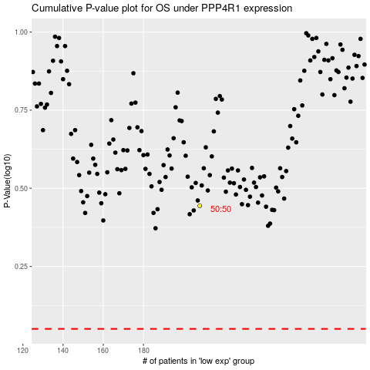

 |  |  |  |  |  | cases_OS | p_OS | rank | exp
 |  |  |  |  |  |  | cases_RFS | p_RFS | rank | exp

