PPP4R1L _multivariate
Reported by Tex Li-Hsing Chi. tex@gate.sinica.edu.tw 2019-08-16

Table 2. The clinicopathological features of HNSCC cohort and PPP4R1L expression. (Chi square test)
Cutoff at -0.156 (50.0%)
 |  | PPP4R1L expression |  | PPP4R1L expression |  | (Optimised)
 | Features | Low | (%) | High | (%) | Case no | P-value | Remark | Matthews
Gender | Female | 149 | 35.9 | 157 | 37.8 | 415 | 0.4848 | 0 | 0
2 | Male | 58 | 14 | 51 | 12.3
Age at diagnosis | <=65y | 134 | 32.3 | 140 | 33.7 | 415 | 0.6529 | 0 | 0
4 | >65y | 73 | 17.6 | 68 | 16.4
Clinical T Status | T1+T2 | 72 | 17.3 | 77 | 18.6 | 415 | 0.7095 | 0 | 0
6 | T3+T4 | 135 | 32.5 | 131 | 31.6
Clinical N Status | N0 | 119 | 28.7 | 97 | 23.4 | 415 | 0.0345 | 1 | 0
8 | N1-3 | 88 | 21.2 | 111 | 26.7
Clinical M Status | M0 | 205 | 49.4 | 207 | 49.9 | 415 | 0.6232 | 0 | 0
10 | M1 | 2 | 0.5 | 1 | 0.2
Clinical Stage | Stage I+II | 50 | 12 | 52 | 12.5 | 415 | 0.9315 | 0 | 0
12 | Stage III+IV | 157 | 37.8 | 156 | 37.6
Surgical Margin status | Negative | 159 | 38.3 | 159 | 38.3 | 415 | 1 | 0 | 0
14 | Positive | 48 | 11.6 | 49 | 11.8
Tobacco Exposure | Low | 86 | 20.7 | 75 | 18.1 | 415 | 0.2687 | 0 | 0
16 | High | 121 | 29.2 | 133 | 32

Table 3. Univariate/Multivariate Cox's proportional hazards regression analyses on OS time of PPP4R1L gene expression in HNSCC

 |  | Univariate |  |  |  | Multivariate
 | Features | HR | CI95%(L) | CI95%(H) | P-value | HR | CI95%(L) | CI95%(H) | P-value
1 | Female | 1 |  |  |  | 1
Gender | Male | 1.157 | 0.843 | 1.587 | 0.367 | 1.219 | 0.871 | 1.707 | 0.248
11 | <=65y | 1 |  |  |  | 1
Age at diagnosis | >65y | 1.329 | 0.99 | 1.784 | 0.058 | 1.392 | 1.024 | 1.892 | 0.035
12 | T1+T2 | 1 |  |  |  | 1
Clinical T Status | T3+T4 | 1.409 | 1.028 | 1.931 | 0.033 | 2.221 | 1.175 | 4.2 | 0.014
13 | N0 | 1 |  |  |  | 1
Clinical N Status | N1-3 | 1.185 | 0.89 | 1.577 | 0.246 | 1.218 | 0.852 | 1.742 | 0.279
14 | M0 | 1 |  |  |  | 1
Clinical M Status | M1 | 4.097 | 1.009 | 16.644 | 0.049 | 9.976 | 2.162 | 46.022 | 0.003
15 | Stage I+II | 1 |  |  |  | 1
Clinical Stage | Stage III+IV | 1.245 | 0.882 | 1.759 | 0.213 | 0.506 | 0.236 | 1.087 | 0.081
16 | Negative | 1 |  |  |  | 1
Surgical Margin status | Positive | 1.591 | 1.155 | 2.191 | 0.004 | 1.671 | 1.21 | 2.309 | 0.002
17 | Low | 1 |  |  |  | 1
Tobacco Exposure | High | 1.364 | 1.008 | 1.844 | 0.044 | 1.453 | 1.054 | 2.003 | 0.023
18 | Low | 1 |  |  |  | 1
RNAseq(z-score) | High | 1.104 | 0.826 | 1.475 | 0.503 | 1.136 | 0.846 | 1.526 | 0.397

Table 4. Univariate/Multivariate Cox's proportional hazards regression analyses on RFS time of PPP4R1L gene expression in HNSCC

 |  | Univariate |  |  |  | Multivariate
 | Features | HR | CI95%(L) | CI95%(H) | P-value | HR | CI95%(L) | CI95%(H) | P-value
1 | Female | 1 |  |  |  | 1
Gender | Male | 1.157 | 0.843 | 1.587 | 0.367 | 1.219 | 0.871 | 1.707 | 0.248
11 | <=65y | 1 |  |  |  | 1
Age at diagnosis | >65y | 1.329 | 0.99 | 1.784 | 0.058 | 1.392 | 1.024 | 1.892 | 0.035
12 | T1+T2 | 1 |  |  |  | 1
Clinical T Status | T3+T4 | 1.409 | 1.028 | 1.931 | 0.033 | 2.221 | 1.175 | 4.2 | 0.014
13 | N0 | 1 |  |  |  | 1
Clinical N Status | N1-3 | 1.185 | 0.89 | 1.577 | 0.246 | 1.218 | 0.852 | 1.742 | 0.279
14 | M0 | 1 |  |  |  | 1
Clinical M Status | M1 | 4.097 | 1.009 | 16.644 | 0.049 | 9.976 | 2.162 | 46.022 | 0.003
15 | Stage I+II | 1 |  |  |  | 1
Clinical Stage | Stage III+IV | 1.245 | 0.882 | 1.759 | 0.213 | 0.506 | 0.236 | 1.087 | 0.081
16 | Negative | 1 |  |  |  | 1
Surgical Margin status | Positive | 1.591 | 1.155 | 2.191 | 0.004 | 1.671 | 1.21 | 2.309 | 0.002
17 | Low | 1 |  |  |  | 1
Tobacco Exposure | High | 1.364 | 1.008 | 1.844 | 0.044 | 1.453 | 1.054 | 2.003 | 0.023
18 | Low | 1 |  |  |  | 1
RNAseq(z-score) | High | 1.104 | 0.826 | 1.475 | 0.503 | 1.136 | 0.846 | 1.526 | 0.397

Kaplan-Meier survival estimate: Cutoff at -0.156 (50.0%)

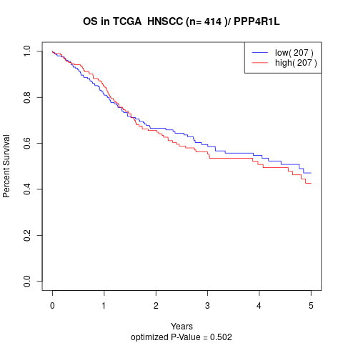

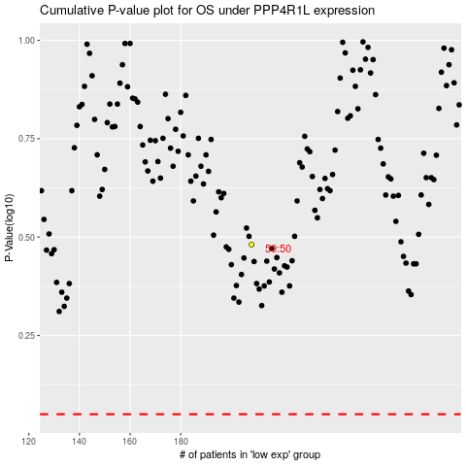

 |  |  |  |  |  | cases_OS | p_OS | rank | exp
 |  |  |  |  |  |  | cases_RFS | p_RFS | rank | exp

