PPP6C _multivariate
Reported by Tex Li-Hsing Chi. tex@gate.sinica.edu.tw 2019-08-16

Table 2. The clinicopathological features of HNSCC cohort and PPP6C expression. (Chi square test)
Cutoff at -0.181 (50.0%)
 |  | PPP6C expression |  | PPP6C expression |  | (Optimised)
 | Features | Low | (%) | High | (%) | Case no | P-value | Remark | Matthews
Gender | Female | 151 | 36.4 | 155 | 37.3 | 415 | 0.8007 | 0 | 0
2 | Male | 56 | 13.5 | 53 | 12.8
Age at diagnosis | <=65y | 134 | 32.3 | 140 | 33.7 | 415 | 0.6529 | 0 | 0
4 | >65y | 73 | 17.6 | 68 | 16.4
Clinical T Status | T1+T2 | 68 | 16.4 | 81 | 19.5 | 415 | 0.2336 | 0 | 0
6 | T3+T4 | 139 | 33.5 | 127 | 30.6
Clinical N Status | N0 | 107 | 25.8 | 109 | 26.3 | 415 | 0.9624 | 0 | 0
8 | N1-3 | 100 | 24.1 | 99 | 23.9
Clinical M Status | M0 | 205 | 49.4 | 207 | 49.9 | 415 | 0.6232 | 0 | 0
10 | M1 | 2 | 0.5 | 1 | 0.2
Clinical Stage | Stage I+II | 48 | 11.6 | 54 | 13 | 415 | 0.5878 | 0 | 0
12 | Stage III+IV | 159 | 38.3 | 154 | 37.1
Surgical Margin status | Negative | 166 | 40 | 152 | 36.6 | 415 | 0.1042 | 0 | 0
14 | Positive | 41 | 9.9 | 56 | 13.5
Tobacco Exposure | Low | 84 | 20.2 | 77 | 18.6 | 415 | 0.4816 | 0 | 0
16 | High | 123 | 29.6 | 131 | 31.6

Table 3. Univariate/Multivariate Cox's proportional hazards regression analyses on OS time of PPP6C gene expression in HNSCC

 |  | Univariate |  |  |  | Multivariate
 | Features | HR | CI95%(L) | CI95%(H) | P-value | HR | CI95%(L) | CI95%(H) | P-value
1 | Female | 1 |  |  |  | 1
Gender | Male | 1.157 | 0.843 | 1.587 | 0.367 | 1.209 | 0.865 | 1.69 | 0.266
11 | <=65y | 1 |  |  |  | 1
Age at diagnosis | >65y | 1.329 | 0.99 | 1.784 | 0.058 | 1.363 | 1.001 | 1.855 | 0.049
12 | T1+T2 | 1 |  |  |  | 1
Clinical T Status | T3+T4 | 1.409 | 1.028 | 1.931 | 0.033 | 2.316 | 1.221 | 4.393 | 0.01
13 | N0 | 1 |  |  |  | 1
Clinical N Status | N1-3 | 1.185 | 0.89 | 1.577 | 0.246 | 1.259 | 0.882 | 1.798 | 0.204
14 | M0 | 1 |  |  |  | 1
Clinical M Status | M1 | 4.097 | 1.009 | 16.644 | 0.049 | 10.485 | 2.273 | 48.374 | 0.003
15 | Stage I+II | 1 |  |  |  | 1
Clinical Stage | Stage III+IV | 1.245 | 0.882 | 1.759 | 0.213 | 0.481 | 0.224 | 1.035 | 0.061
16 | Negative | 1 |  |  |  | 1
Surgical Margin status | Positive | 1.591 | 1.155 | 2.191 | 0.004 | 1.642 | 1.187 | 2.27 | 0.003
17 | Low | 1 |  |  |  | 1
Tobacco Exposure | High | 1.364 | 1.008 | 1.844 | 0.044 | 1.454 | 1.055 | 2.003 | 0.022
18 | Low | 1 |  |  |  | 1
RNAseq(z-score) | High | 1.24 | 0.929 | 1.656 | 0.145 | 1.267 | 0.944 | 1.699 | 0.115

Table 4. Univariate/Multivariate Cox's proportional hazards regression analyses on RFS time of PPP6C gene expression in HNSCC

 |  | Univariate |  |  |  | Multivariate
 | Features | HR | CI95%(L) | CI95%(H) | P-value | HR | CI95%(L) | CI95%(H) | P-value
1 | Female | 1 |  |  |  | 1
Gender | Male | 1.157 | 0.843 | 1.587 | 0.367 | 1.209 | 0.865 | 1.69 | 0.266
11 | <=65y | 1 |  |  |  | 1
Age at diagnosis | >65y | 1.329 | 0.99 | 1.784 | 0.058 | 1.363 | 1.001 | 1.855 | 0.049
12 | T1+T2 | 1 |  |  |  | 1
Clinical T Status | T3+T4 | 1.409 | 1.028 | 1.931 | 0.033 | 2.316 | 1.221 | 4.393 | 0.01
13 | N0 | 1 |  |  |  | 1
Clinical N Status | N1-3 | 1.185 | 0.89 | 1.577 | 0.246 | 1.259 | 0.882 | 1.798 | 0.204
14 | M0 | 1 |  |  |  | 1
Clinical M Status | M1 | 4.097 | 1.009 | 16.644 | 0.049 | 10.485 | 2.273 | 48.374 | 0.003
15 | Stage I+II | 1 |  |  |  | 1
Clinical Stage | Stage III+IV | 1.245 | 0.882 | 1.759 | 0.213 | 0.481 | 0.224 | 1.035 | 0.061
16 | Negative | 1 |  |  |  | 1
Surgical Margin status | Positive | 1.591 | 1.155 | 2.191 | 0.004 | 1.642 | 1.187 | 2.27 | 0.003
17 | Low | 1 |  |  |  | 1
Tobacco Exposure | High | 1.364 | 1.008 | 1.844 | 0.044 | 1.454 | 1.055 | 2.003 | 0.022
18 | Low | 1 |  |  |  | 1
RNAseq(z-score) | High | 1.24 | 0.929 | 1.656 | 0.145 | 1.267 | 0.944 | 1.699 | 0.115

Kaplan-Meier survival estimate: Cutoff at -0.181 (50.0%)



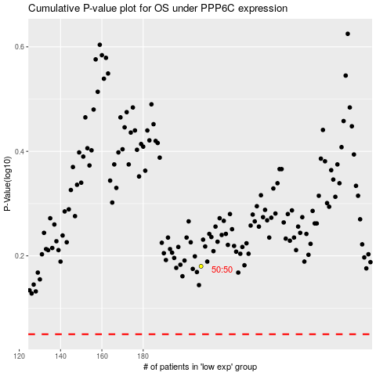

 |  |  |  |  |  | cases_OS | p_OS | rank | exp
 |  |  |  |  |  |  | cases_RFS | p_RFS | rank | exp

