PPPDE1 _multivariate
Reported by Tex Li-Hsing Chi. tex@gate.sinica.edu.tw 2019-08-16

Table 2. The clinicopathological features of HNSCC cohort and PPPDE1 expression. (Chi square test)
Cutoff at -0.508 (30.9%)
 |  | PPPDE1 expression |  | PPPDE1 expression |  | (Optimised)
 | Features | Low | (%) | High | (%) | Case no | P-value | Remark | Matthews
Gender | Female | 86 | 20.7 | 220 | 53 | 415 | 0.057 | 0 | 0
2 | Male | 42 | 10.1 | 67 | 16.1
Age at diagnosis | <=65y | 79 | 19 | 195 | 47 | 415 | 0.2608 | 0 | 0
4 | >65y | 49 | 11.8 | 92 | 22.2
Clinical T Status | T1+T2 | 54 | 13 | 95 | 22.9 | 415 | 0.0947 | 0 | 0
6 | T3+T4 | 74 | 17.8 | 192 | 46.3
Clinical N Status | N0 | 67 | 16.1 | 149 | 35.9 | 415 | 1 | 0 | 0
8 | N1-3 | 61 | 14.7 | 138 | 33.3
Clinical M Status | M0 | 126 | 30.4 | 286 | 68.9 | 415 | 0.2261 | 0 | 0
10 | M1 | 2 | 0.5 | 1 | 0.2
Clinical Stage | Stage I+II | 36 | 8.7 | 66 | 15.9 | 415 | 0.3186 | 0 | 0
12 | Stage III+IV | 92 | 22.2 | 221 | 53.3
Surgical Margin status | Negative | 97 | 23.4 | 221 | 53.3 | 415 | 0.8024 | 0 | 0
14 | Positive | 31 | 7.5 | 66 | 15.9
Tobacco Exposure | Low | 63 | 15.2 | 98 | 23.6 | 415 | 0.0045 | 1 | 0
16 | High | 65 | 15.7 | 189 | 45.5

Table 3. Univariate/Multivariate Cox's proportional hazards regression analyses on OS time of PPPDE1 gene expression in HNSCC

 |  | Univariate |  |  |  | Multivariate
 | Features | HR | CI95%(L) | CI95%(H) | P-value | HR | CI95%(L) | CI95%(H) | P-value
1 | Female | 1 |  |  |  | 1
Gender | Male | 1.157 | 0.843 | 1.587 | 0.367 | 1.158 | 0.826 | 1.623 | 0.396
11 | <=65y | 1 |  |  |  | 1
Age at diagnosis | >65y | 1.329 | 0.99 | 1.784 | 0.058 | 1.372 | 1.009 | 1.865 | 0.043
12 | T1+T2 | 1 |  |  |  | 1
Clinical T Status | T3+T4 | 1.409 | 1.028 | 1.931 | 0.033 | 2.288 | 1.209 | 4.328 | 0.011
13 | N0 | 1 |  |  |  | 1
Clinical N Status | N1-3 | 1.185 | 0.89 | 1.577 | 0.246 | 1.224 | 0.859 | 1.746 | 0.263
14 | M0 | 1 |  |  |  | 1
Clinical M Status | M1 | 4.097 | 1.009 | 16.644 | 0.049 | 8.639 | 1.881 | 39.677 | 0.006
15 | Stage I+II | 1 |  |  |  | 1
Clinical Stage | Stage III+IV | 1.245 | 0.882 | 1.759 | 0.213 | 0.507 | 0.236 | 1.086 | 0.081
16 | Negative | 1 |  |  |  | 1
Surgical Margin status | Positive | 1.591 | 1.155 | 2.191 | 0.004 | 1.641 | 1.188 | 2.268 | 0.003
17 | Low | 1 |  |  |  | 1
Tobacco Exposure | High | 1.364 | 1.008 | 1.844 | 0.044 | 1.491 | 1.079 | 2.059 | 0.015
18 | Low | 1 |  |  |  | 1
RNAseq(z-score) | High | 0.735 | 0.543 | 0.996 | 0.047 | 0.725 | 0.53 | 0.99 | 0.043

Table 4. Univariate/Multivariate Cox's proportional hazards regression analyses on RFS time of PPPDE1 gene expression in HNSCC

 |  | Univariate |  |  |  | Multivariate
 | Features | HR | CI95%(L) | CI95%(H) | P-value | HR | CI95%(L) | CI95%(H) | P-value
1 | Female | 1 |  |  |  | 1
Gender | Male | 1.157 | 0.843 | 1.587 | 0.367 | 1.158 | 0.826 | 1.623 | 0.396
11 | <=65y | 1 |  |  |  | 1
Age at diagnosis | >65y | 1.329 | 0.99 | 1.784 | 0.058 | 1.372 | 1.009 | 1.865 | 0.043
12 | T1+T2 | 1 |  |  |  | 1
Clinical T Status | T3+T4 | 1.409 | 1.028 | 1.931 | 0.033 | 2.288 | 1.209 | 4.328 | 0.011
13 | N0 | 1 |  |  |  | 1
Clinical N Status | N1-3 | 1.185 | 0.89 | 1.577 | 0.246 | 1.224 | 0.859 | 1.746 | 0.263
14 | M0 | 1 |  |  |  | 1
Clinical M Status | M1 | 4.097 | 1.009 | 16.644 | 0.049 | 8.639 | 1.881 | 39.677 | 0.006
15 | Stage I+II | 1 |  |  |  | 1
Clinical Stage | Stage III+IV | 1.245 | 0.882 | 1.759 | 0.213 | 0.507 | 0.236 | 1.086 | 0.081
16 | Negative | 1 |  |  |  | 1
Surgical Margin status | Positive | 1.591 | 1.155 | 2.191 | 0.004 | 1.641 | 1.188 | 2.268 | 0.003
17 | Low | 1 |  |  |  | 1
Tobacco Exposure | High | 1.364 | 1.008 | 1.844 | 0.044 | 1.491 | 1.079 | 2.059 | 0.015
18 | Low | 1 |  |  |  | 1
RNAseq(z-score) | High | 0.735 | 0.543 | 0.996 | 0.047 | 0.725 | 0.53 | 0.99 | 0.043

Kaplan-Meier survival estimate: Cutoff at -0.508 (30.9%)



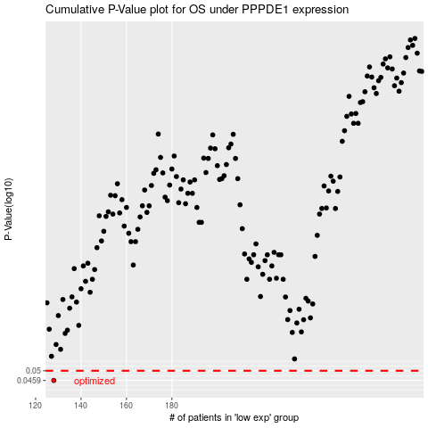

 |  |  |  |  |  | cases_OS | p_OS | rank | exp
 |  |  |  |  |  | 128 | 0.0459 | 255 | -0.50837045728
 |  |  |  |  |  |  | cases_RFS | p_RFS | rank | exp
 |  |  |  |  |  |  | 127 | 0.0459 | 411 | -0.52510279414

