PPRC1 _multivariate
Reported by Tex Li-Hsing Chi. tex@gate.sinica.edu.tw 2019-08-16

Table 2. The clinicopathological features of HNSCC cohort and PPRC1 expression. (Chi square test)
Cutoff at -0.038 (50.0%)
 |  | PPRC1 expression |  | PPRC1 expression |  | (Optimised)
 | Features | Low | (%) | High | (%) | Case no | P-value | Remark | Matthews
Gender | Female | 144 | 34.7 | 162 | 39 | 415 | 0.0697 | 0 | 0
2 | Male | 63 | 15.2 | 46 | 11.1
Age at diagnosis | <=65y | 132 | 31.8 | 142 | 34.2 | 415 | 0.3874 | 0 | 0
4 | >65y | 75 | 18.1 | 66 | 15.9
Clinical T Status | T1+T2 | 91 | 21.9 | 58 | 14 | 415 | 9e-04 | 1 | 0
6 | T3+T4 | 116 | 28 | 150 | 36.1
Clinical N Status | N0 | 123 | 29.6 | 93 | 22.4 | 415 | 0.0037 | 1 | 0
8 | N1-3 | 84 | 20.2 | 115 | 27.7
Clinical M Status | M0 | 206 | 49.6 | 206 | 49.6 | 415 | 1 | 0 | 0
10 | M1 | 1 | 0.2 | 2 | 0.5
Clinical Stage | Stage I+II | 64 | 15.4 | 38 | 9.2 | 415 | 0.004 | 1 | 0
12 | Stage III+IV | 143 | 34.5 | 170 | 41
Surgical Margin status | Negative | 157 | 37.8 | 161 | 38.8 | 415 | 0.729 | 0 | 0
14 | Positive | 50 | 12 | 47 | 11.3
Tobacco Exposure | Low | 92 | 22.2 | 69 | 16.6 | 415 | 0.0206 | 1 | 0
16 | High | 115 | 27.7 | 139 | 33.5

Table 3. Univariate/Multivariate Cox's proportional hazards regression analyses on OS time of PPRC1 gene expression in HNSCC

 |  | Univariate |  |  |  | Multivariate
 | Features | HR | CI95%(L) | CI95%(H) | P-value | HR | CI95%(L) | CI95%(H) | P-value
1 | Female | 1 |  |  |  | 1
Gender | Male | 1.157 | 0.843 | 1.587 | 0.367 | 1.221 | 0.872 | 1.709 | 0.245
11 | <=65y | 1 |  |  |  | 1
Age at diagnosis | >65y | 1.329 | 0.99 | 1.784 | 0.058 | 1.389 | 1.021 | 1.889 | 0.036
12 | T1+T2 | 1 |  |  |  | 1
Clinical T Status | T3+T4 | 1.409 | 1.028 | 1.931 | 0.033 | 2.126 | 1.121 | 4.033 | 0.021
13 | N0 | 1 |  |  |  | 1
Clinical N Status | N1-3 | 1.185 | 0.89 | 1.577 | 0.246 | 1.202 | 0.838 | 1.725 | 0.317
14 | M0 | 1 |  |  |  | 1
Clinical M Status | M1 | 4.097 | 1.009 | 16.644 | 0.049 | 9.227 | 2.012 | 42.31 | 0.004
15 | Stage I+II | 1 |  |  |  | 1
Clinical Stage | Stage III+IV | 1.245 | 0.882 | 1.759 | 0.213 | 0.513 | 0.239 | 1.103 | 0.088
16 | Negative | 1 |  |  |  | 1
Surgical Margin status | Positive | 1.591 | 1.155 | 2.191 | 0.004 | 1.678 | 1.215 | 2.318 | 0.002
17 | Low | 1 |  |  |  | 1
Tobacco Exposure | High | 1.364 | 1.008 | 1.844 | 0.044 | 1.462 | 1.06 | 2.016 | 0.021
18 | Low | 1 |  |  |  | 1
RNAseq(z-score) | High | 1.239 | 0.929 | 1.653 | 0.145 | 1.171 | 0.868 | 1.58 | 0.302

Table 4. Univariate/Multivariate Cox's proportional hazards regression analyses on RFS time of PPRC1 gene expression in HNSCC

 |  | Univariate |  |  |  | Multivariate
 | Features | HR | CI95%(L) | CI95%(H) | P-value | HR | CI95%(L) | CI95%(H) | P-value
1 | Female | 1 |  |  |  | 1
Gender | Male | 1.157 | 0.843 | 1.587 | 0.367 | 1.221 | 0.872 | 1.709 | 0.245
11 | <=65y | 1 |  |  |  | 1
Age at diagnosis | >65y | 1.329 | 0.99 | 1.784 | 0.058 | 1.389 | 1.021 | 1.889 | 0.036
12 | T1+T2 | 1 |  |  |  | 1
Clinical T Status | T3+T4 | 1.409 | 1.028 | 1.931 | 0.033 | 2.126 | 1.121 | 4.033 | 0.021
13 | N0 | 1 |  |  |  | 1
Clinical N Status | N1-3 | 1.185 | 0.89 | 1.577 | 0.246 | 1.202 | 0.838 | 1.725 | 0.317
14 | M0 | 1 |  |  |  | 1
Clinical M Status | M1 | 4.097 | 1.009 | 16.644 | 0.049 | 9.227 | 2.012 | 42.31 | 0.004
15 | Stage I+II | 1 |  |  |  | 1
Clinical Stage | Stage III+IV | 1.245 | 0.882 | 1.759 | 0.213 | 0.513 | 0.239 | 1.103 | 0.088
16 | Negative | 1 |  |  |  | 1
Surgical Margin status | Positive | 1.591 | 1.155 | 2.191 | 0.004 | 1.678 | 1.215 | 2.318 | 0.002
17 | Low | 1 |  |  |  | 1
Tobacco Exposure | High | 1.364 | 1.008 | 1.844 | 0.044 | 1.462 | 1.06 | 2.016 | 0.021
18 | Low | 1 |  |  |  | 1
RNAseq(z-score) | High | 1.239 | 0.929 | 1.653 | 0.145 | 1.171 | 0.868 | 1.58 | 0.302

Kaplan-Meier survival estimate: Cutoff at -0.038 (50.0%)



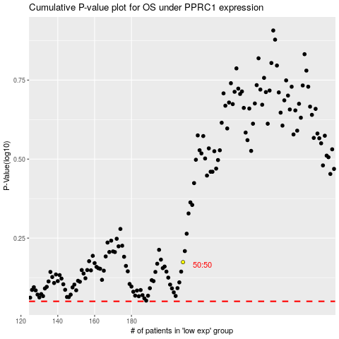

 |  |  |  |  |  | cases_OS | p_OS | rank | exp
 |  |  |  |  |  |  | cases_RFS | p_RFS | rank | exp

