PPT1 _multivariate
Reported by Tex Li-Hsing Chi. tex@gate.sinica.edu.tw 2019-08-16

Table 2. The clinicopathological features of HNSCC cohort and PPT1 expression. (Chi square test)
Cutoff at -0.353 (31.2%)
 |  | PPT1 expression |  | PPT1 expression |  | (Optimised)
 | Features | Low | (%) | High | (%) | Case no | P-value | Remark | Matthews
Gender | Female | 91 | 21.9 | 215 | 51.8 | 415 | 0.2949 | 0 | 0
2 | Male | 39 | 9.4 | 70 | 16.9
Age at diagnosis | <=65y | 84 | 20.2 | 190 | 45.8 | 415 | 0.7661 | 0 | 0
4 | >65y | 46 | 11.1 | 95 | 22.9
Clinical T Status | T1+T2 | 47 | 11.3 | 102 | 24.6 | 415 | 1 | 0 | 0
6 | T3+T4 | 83 | 20 | 183 | 44.1
Clinical N Status | N0 | 76 | 18.3 | 140 | 33.7 | 415 | 0.0968 | 0 | 0
8 | N1-3 | 54 | 13 | 145 | 34.9
Clinical M Status | M0 | 130 | 31.3 | 282 | 68 | 415 | 0.5551 | 0 | 0
10 | M1 | 0 | 0 | 3 | 0.7
Clinical Stage | Stage I+II | 36 | 8.7 | 66 | 15.9 | 415 | 0.3831 | 0 | 0
12 | Stage III+IV | 94 | 22.7 | 219 | 52.8
Surgical Margin status | Negative | 99 | 23.9 | 219 | 52.8 | 415 | 0.9008 | 0 | 0
14 | Positive | 31 | 7.5 | 66 | 15.9
Tobacco Exposure | Low | 57 | 13.7 | 104 | 25.1 | 415 | 0.1596 | 0 | 0
16 | High | 73 | 17.6 | 181 | 43.6

Table 3. Univariate/Multivariate Cox's proportional hazards regression analyses on OS time of PPT1 gene expression in HNSCC

 |  | Univariate |  |  |  | Multivariate
 | Features | HR | CI95%(L) | CI95%(H) | P-value | HR | CI95%(L) | CI95%(H) | P-value
1 | Female | 1 |  |  |  | 1
Gender | Male | 1.157 | 0.843 | 1.587 | 0.367 | 1.218 | 0.873 | 1.7 | 0.245
11 | <=65y | 1 |  |  |  | 1
Age at diagnosis | >65y | 1.329 | 0.99 | 1.784 | 0.058 | 1.416 | 1.041 | 1.926 | 0.027
12 | T1+T2 | 1 |  |  |  | 1
Clinical T Status | T3+T4 | 1.409 | 1.028 | 1.931 | 0.033 | 2.205 | 1.167 | 4.166 | 0.015
13 | N0 | 1 |  |  |  | 1
Clinical N Status | N1-3 | 1.185 | 0.89 | 1.577 | 0.246 | 1.239 | 0.867 | 1.77 | 0.24
14 | M0 | 1 |  |  |  | 1
Clinical M Status | M1 | 4.097 | 1.009 | 16.644 | 0.049 | 8.516 | 1.855 | 39.099 | 0.006
15 | Stage I+II | 1 |  |  |  | 1
Clinical Stage | Stage III+IV | 1.245 | 0.882 | 1.759 | 0.213 | 0.494 | 0.23 | 1.06 | 0.07
16 | Negative | 1 |  |  |  | 1
Surgical Margin status | Positive | 1.591 | 1.155 | 2.191 | 0.004 | 1.65 | 1.195 | 2.279 | 0.002
17 | Low | 1 |  |  |  | 1
Tobacco Exposure | High | 1.364 | 1.008 | 1.844 | 0.044 | 1.377 | 0.998 | 1.9 | 0.052
18 | Low | 1 |  |  |  | 1
RNAseq(z-score) | High | 1.521 | 1.098 | 2.108 | 0.012 | 1.455 | 1.043 | 2.03 | 0.027

Table 4. Univariate/Multivariate Cox's proportional hazards regression analyses on RFS time of PPT1 gene expression in HNSCC

 |  | Univariate |  |  |  | Multivariate
 | Features | HR | CI95%(L) | CI95%(H) | P-value | HR | CI95%(L) | CI95%(H) | P-value
1 | Female | 1 |  |  |  | 1
Gender | Male | 1.157 | 0.843 | 1.587 | 0.367 | 1.218 | 0.873 | 1.7 | 0.245
11 | <=65y | 1 |  |  |  | 1
Age at diagnosis | >65y | 1.329 | 0.99 | 1.784 | 0.058 | 1.416 | 1.041 | 1.926 | 0.027
12 | T1+T2 | 1 |  |  |  | 1
Clinical T Status | T3+T4 | 1.409 | 1.028 | 1.931 | 0.033 | 2.205 | 1.167 | 4.166 | 0.015
13 | N0 | 1 |  |  |  | 1
Clinical N Status | N1-3 | 1.185 | 0.89 | 1.577 | 0.246 | 1.239 | 0.867 | 1.77 | 0.24
14 | M0 | 1 |  |  |  | 1
Clinical M Status | M1 | 4.097 | 1.009 | 16.644 | 0.049 | 8.516 | 1.855 | 39.099 | 0.006
15 | Stage I+II | 1 |  |  |  | 1
Clinical Stage | Stage III+IV | 1.245 | 0.882 | 1.759 | 0.213 | 0.494 | 0.23 | 1.06 | 0.07
16 | Negative | 1 |  |  |  | 1
Surgical Margin status | Positive | 1.591 | 1.155 | 2.191 | 0.004 | 1.65 | 1.195 | 2.279 | 0.002
17 | Low | 1 |  |  |  | 1
Tobacco Exposure | High | 1.364 | 1.008 | 1.844 | 0.044 | 1.377 | 0.998 | 1.9 | 0.052
18 | Low | 1 |  |  |  | 1
RNAseq(z-score) | High | 1.521 | 1.098 | 2.108 | 0.012 | 1.455 | 1.043 | 2.03 | 0.027

Kaplan-Meier survival estimate: Cutoff at -0.353 (31.2%)

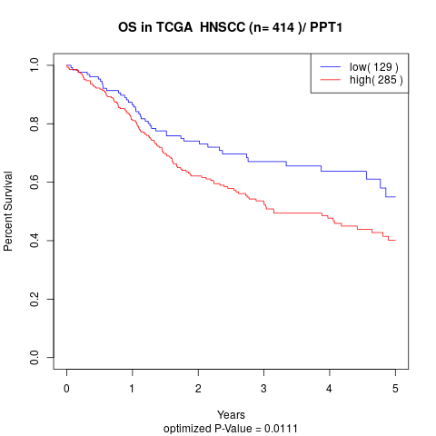

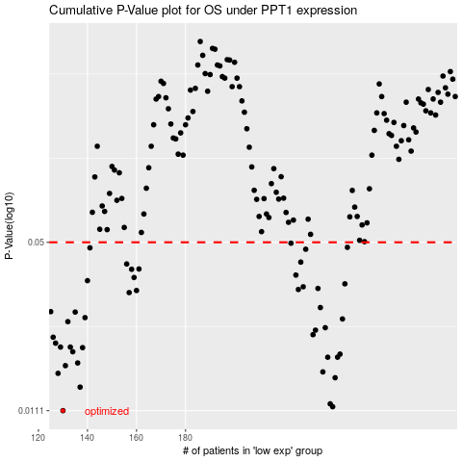

 |  |  |  |  |  | cases_OS | p_OS | rank | exp
 |  |  |  |  |  | 130 | 0.0111 | 287 | -0.35291671519
 |  |  |  |  |  | 240 | 0.0115 | 180 | -0.020744912716
 |  |  |  |  |  | 239 | 0.0118 | 172 | -0.025152881377
 |  |  |  |  |  | 137 | 0.0137 | 204 | -0.33028909146
 |  |  |  |  |  | 241 | 0.0149 | 48 | -0.020659876819
 |  |  |  |  |  | 128 | 0.0155 | 76 | -0.35567005449
 |  |  |  |  |  | 236 | 0.0157 | 247 | -0.032063860794
 |  |  |  |  |  | 131 | 0.0166 | 398 | -0.35078878525
 |  |  |  |  |  | 136 | 0.017 | 135 | -0.33258335776
 |  |  |  |  |  | 242 | 0.0179 | 280 | -0.018880659978
 |  |  |  |  |  | 238 | 0.0179 | 362 | -0.025923038533
 |  |  |  |  |  | 243 | 0.0184 | 12 | -0.016892424023
 |  |  |  |  |  | 134 | 0.0188 | 79 | -0.34211342084
 |  |  |  |  |  | 138 | 0.0195 | 325 | -0.32990895683
 |  |  |  |  |  | 129 | 0.0196 | 219 | -0.35329410318
 |  |  |  |  |  | 133 | 0.0196 | 315 | -0.34396954353
 |  |  |  |  |  | 127 | 0.0203 | 127 | -0.35693213442
 |  |  |  |  |  | 126 | 0.0214 | 304 | -0.36602229603
 |  |  |  |  |  | 232 | 0.0219 | 212 | -0.042742347939
 |  |  |  |  |  | 233 | 0.0228 | 241 | -0.041990208725
 |  |  |  |  |  | 237 | 0.0233 | 400 | -0.029600676282
 |  |  |  |  |  | 132 | 0.0246 | 150 | -0.35044737821
 |  |  |  |  |  | 244 | 0.0252 | 66 | -0.016241306137
 |  |  |  |  |  | 139 | 0.0255 | 38 | -0.32927426384
 |  |  |  |  |  | 135 | 0.0268 | 184 | -0.33987359289
 |  |  |  |  |  | 125 | 0.0269 | 169 | -0.36607096645
 |  |  |  |  |  | 235 | 0.0279 | 205 | -0.033668281624
 |  |  |  |  |  | 157 | 0.0319 | 203 | -0.28142750896
 |  |  |  |  |  | 160 | 0.0325 | 267 | -0.25960481481
 |  |  |  |  |  | 226 | 0.0328 | 176 | -0.06187350213
 |  |  |  |  |  | 234 | 0.0331 | 162 | -0.038778565494
 |  |  |  |  |  | 228 | 0.0336 | 344 | -0.054506800619
 |  |  |  |  |  | 245 | 0.0345 | 377 | -0.014954012072
 |  |  |  |  |  | 140 | 0.0355 | 69 | -0.32792352244
 |  |  |  |  |  | 159 | 0.0365 | 312 | -0.2763155771
 |  |  |  |  |  | 225 | 0.0373 | 309 | -0.061978094086
 |  |  |  |  |  | 158 | 0.0393 | 380 | -0.27781458199
 |  |  |  |  |  | 161 | 0.0394 | 285 | -0.25453128095
 |  |  |  |  |  | 156 | 0.0412 | 50 | -0.2852032566
 |  |  |  |  |  | 227 | 0.0419 | 14 | -0.059351704374
 |  |  |  |  |  | 229 | 0.047 | 221 | -0.046236400438
 |  |  |  |  |  | 141 | 0.0476 | 389 | -0.32267563203
 |  |  |  |  |  | 246 | 0.0478 | 387 | -0.01379460145
 |  |  |  |  |  | 223 | 0.0496 | 200 | -0.06496407358
 |  |  |  |  |  |  | cases_RFS | p_RFS | rank | exp
 |  |  |  |  |  |  | 129 | 0.0111 | 219 | -0.35329410318
 |  |  |  |  |  |  | 239 | 0.0115 | 172 | -0.025152881377
 |  |  |  |  |  |  | 238 | 0.0118 | 362 | -0.025923038533
 |  |  |  |  |  |  | 136 | 0.0137 | 135 | -0.33258335776
 |  |  |  |  |  |  | 240 | 0.0149 | 180 | -0.020744912716
 |  |  |  |  |  |  | 127 | 0.0155 | 127 | -0.35693213442
 |  |  |  |  |  |  | 235 | 0.0157 | 205 | -0.033668281624
 |  |  |  |  |  |  | 130 | 0.0166 | 287 | -0.35291671519
 |  |  |  |  |  |  | 135 | 0.017 | 184 | -0.33987359289
 |  |  |  |  |  |  | 241 | 0.0179 | 48 | -0.020659876819
 |  |  |  |  |  |  | 237 | 0.0179 | 400 | -0.029600676282
 |  |  |  |  |  |  | 242 | 0.0184 | 280 | -0.018880659978
 |  |  |  |  |  |  | 133 | 0.0188 | 315 | -0.34396954353
 |  |  |  |  |  |  | 137 | 0.0195 | 204 | -0.33028909146
 |  |  |  |  |  |  | 128 | 0.0196 | 76 | -0.35567005449
 |  |  |  |  |  |  | 132 | 0.0196 | 150 | -0.35044737821
 |  |  |  |  |  |  | 126 | 0.0203 | 304 | -0.36602229603
 |  |  |  |  |  |  | 125 | 0.0214 | 169 | -0.36607096645
 |  |  |  |  |  |  | 231 | 0.0219 | 271 | -0.045332262305
 |  |  |  |  |  |  | 232 | 0.0228 | 212 | -0.042742347939
 |  |  |  |  |  |  | 236 | 0.0233 | 247 | -0.032063860794
 |  |  |  |  |  |  | 131 | 0.0246 | 398 | -0.35078878525
 |  |  |  |  |  |  | 243 | 0.0252 | 12 | -0.016892424023
 |  |  |  |  |  |  | 138 | 0.0255 | 325 | -0.32990895683
 |  |  |  |  |  |  | 134 | 0.0268 | 79 | -0.34211342084
 |  |  |  |  |  |  |  | 0.0269 | 151 | -0.36954321064
 |  |  |  |  |  |  | 234 | 0.0279 | 162 | -0.038778565494
 |  |  |  |  |  |  | 156 | 0.0319 | 50 | -0.2852032566
 |  |  |  |  |  |  | 159 | 0.0325 | 312 | -0.2763155771
 |  |  |  |  |  |  | 225 | 0.0328 | 309 | -0.061978094086
 |  |  |  |  |  |  | 233 | 0.0331 | 241 | -0.041990208725
 |  |  |  |  |  |  | 227 | 0.0336 | 14 | -0.059351704374
 |  |  |  |  |  |  | 244 | 0.0345 | 66 | -0.016241306137
 |  |  |  |  |  |  | 139 | 0.0355 | 38 | -0.32927426384
 |  |  |  |  |  |  | 158 | 0.0365 | 380 | -0.27781458199
 |  |  |  |  |  |  | 224 | 0.0373 | 177 | -0.064555648584
 |  |  |  |  |  |  | 157 | 0.0393 | 203 | -0.28142750896
 |  |  |  |  |  |  | 160 | 0.0394 | 267 | -0.25960481481
 |  |  |  |  |  |  | 155 | 0.0412 | 57 | -0.28764056778
 |  |  |  |  |  |  | 226 | 0.0419 | 176 | -0.06187350213
 |  |  |  |  |  |  | 228 | 0.047 | 344 | -0.054506800619
 |  |  |  |  |  |  | 140 | 0.0476 | 69 | -0.32792352244
 |  |  |  |  |  |  | 245 | 0.0478 | 377 | -0.014954012072
 |  |  |  |  |  |  | 222 | 0.0496 | 300 | -0.06632338448

