PPTC7 _multivariate
Reported by Tex Li-Hsing Chi. tex@gate.sinica.edu.tw 2019-08-16

Table 2. The clinicopathological features of HNSCC cohort and PPTC7 expression. (Chi square test)
Cutoff at -0.101 (49.8%)
 |  | PPTC7 expression |  | PPTC7 expression |  | (Optimised)
 | Features | Low | (%) | High | (%) | Case no | P-value | Remark | Matthews
Gender | Female | 152 | 36.6 | 154 | 37.1 | 415 | 0.9766 | 0 | 0
2 | Male | 55 | 13.3 | 54 | 13
Age at diagnosis | <=65y | 138 | 33.3 | 136 | 32.8 | 415 | 0.8634 | 0 | 0
4 | >65y | 69 | 16.6 | 72 | 17.3
Clinical T Status | T1+T2 | 76 | 18.3 | 73 | 17.6 | 415 | 0.8092 | 0 | 0
6 | T3+T4 | 131 | 31.6 | 135 | 32.5
Clinical N Status | N0 | 114 | 27.5 | 102 | 24.6 | 415 | 0.2576 | 1 | 0
8 | N1-3 | 93 | 22.4 | 106 | 25.5
Clinical M Status | M0 | 205 | 49.4 | 207 | 49.9 | 415 | 0.6232 | 0 | 0
10 | M1 | 2 | 0.5 | 1 | 0.2
Clinical Stage | Stage I+II | 55 | 13.3 | 47 | 11.3 | 415 | 0.4087 | 0 | 0
12 | Stage III+IV | 152 | 36.6 | 161 | 38.8
Surgical Margin status | Negative | 154 | 37.1 | 164 | 39.5 | 415 | 0.2984 | 0 | 0
14 | Positive | 53 | 12.8 | 44 | 10.6
Tobacco Exposure | Low | 90 | 21.7 | 71 | 17.1 | 415 | 0.0559 | 0 | 0
16 | High | 117 | 28.2 | 137 | 33

Table 3. Univariate/Multivariate Cox's proportional hazards regression analyses on OS time of PPTC7 gene expression in HNSCC

 |  | Univariate |  |  |  | Multivariate
 | Features | HR | CI95%(L) | CI95%(H) | P-value | HR | CI95%(L) | CI95%(H) | P-value
1 | Female | 1 |  |  |  | 1
Gender | Male | 1.157 | 0.843 | 1.587 | 0.367 | 1.207 | 0.865 | 1.685 | 0.269
11 | <=65y | 1 |  |  |  | 1
Age at diagnosis | >65y | 1.329 | 0.99 | 1.784 | 0.058 | 1.397 | 1.027 | 1.899 | 0.033
12 | T1+T2 | 1 |  |  |  | 1
Clinical T Status | T3+T4 | 1.409 | 1.028 | 1.931 | 0.033 | 2.212 | 1.17 | 4.183 | 0.015
13 | N0 | 1 |  |  |  | 1
Clinical N Status | N1-3 | 1.185 | 0.89 | 1.577 | 0.246 | 1.236 | 0.866 | 1.765 | 0.243
14 | M0 | 1 |  |  |  | 1
Clinical M Status | M1 | 4.097 | 1.009 | 16.644 | 0.049 | 9.806 | 2.131 | 45.131 | 0.003
15 | Stage I+II | 1 |  |  |  | 1
Clinical Stage | Stage III+IV | 1.245 | 0.882 | 1.759 | 0.213 | 0.5 | 0.233 | 1.073 | 0.075
16 | Negative | 1 |  |  |  | 1
Surgical Margin status | Positive | 1.591 | 1.155 | 2.191 | 0.004 | 1.687 | 1.22 | 2.333 | 0.002
17 | Low | 1 |  |  |  | 1
Tobacco Exposure | High | 1.364 | 1.008 | 1.844 | 0.044 | 1.442 | 1.046 | 1.987 | 0.025
18 | Low | 1 |  |  |  | 1
RNAseq(z-score) | High | 1.073 | 0.805 | 1.429 | 0.631 | 1.114 | 0.833 | 1.49 | 0.466

Table 4. Univariate/Multivariate Cox's proportional hazards regression analyses on RFS time of PPTC7 gene expression in HNSCC

 |  | Univariate |  |  |  | Multivariate
 | Features | HR | CI95%(L) | CI95%(H) | P-value | HR | CI95%(L) | CI95%(H) | P-value
1 | Female | 1 |  |  |  | 1
Gender | Male | 1.157 | 0.843 | 1.587 | 0.367 | 1.207 | 0.865 | 1.685 | 0.269
11 | <=65y | 1 |  |  |  | 1
Age at diagnosis | >65y | 1.329 | 0.99 | 1.784 | 0.058 | 1.397 | 1.027 | 1.899 | 0.033
12 | T1+T2 | 1 |  |  |  | 1
Clinical T Status | T3+T4 | 1.409 | 1.028 | 1.931 | 0.033 | 2.212 | 1.17 | 4.183 | 0.015
13 | N0 | 1 |  |  |  | 1
Clinical N Status | N1-3 | 1.185 | 0.89 | 1.577 | 0.246 | 1.236 | 0.866 | 1.765 | 0.243
14 | M0 | 1 |  |  |  | 1
Clinical M Status | M1 | 4.097 | 1.009 | 16.644 | 0.049 | 9.806 | 2.131 | 45.131 | 0.003
15 | Stage I+II | 1 |  |  |  | 1
Clinical Stage | Stage III+IV | 1.245 | 0.882 | 1.759 | 0.213 | 0.5 | 0.233 | 1.073 | 0.075
16 | Negative | 1 |  |  |  | 1
Surgical Margin status | Positive | 1.591 | 1.155 | 2.191 | 0.004 | 1.687 | 1.22 | 2.333 | 0.002
17 | Low | 1 |  |  |  | 1
Tobacco Exposure | High | 1.364 | 1.008 | 1.844 | 0.044 | 1.442 | 1.046 | 1.987 | 0.025
18 | Low | 1 |  |  |  | 1
RNAseq(z-score) | High | 1.073 | 0.805 | 1.429 | 0.631 | 1.114 | 0.833 | 1.49 | 0.466

Kaplan-Meier survival estimate: Cutoff at -0.101 (49.8%)



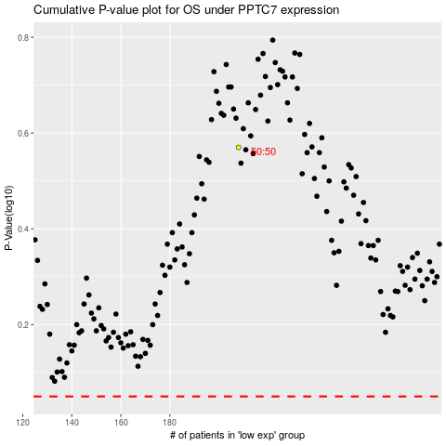

 |  |  |  |  |  | cases_OS | p_OS | rank | exp
 |  |  |  |  |  |  | cases_RFS | p_RFS | rank | exp

