PPYR1 _multivariate
Reported by Tex Li-Hsing Chi. tex@gate.sinica.edu.tw 2019-08-16

Table 2. The clinicopathological features of HNSCC cohort and PPYR1 expression. (Chi square test)
Cutoff at -0.264 (49.8%)
 |  | PPYR1 expression |  | PPYR1 expression |  | (Optimised)
 | Features | Low | (%) | High | (%) | Case no | P-value | Remark | Matthews
Gender | Female | 154 | 37.1 | 152 | 36.6 | 415 | 0.8463 | 0 | 0
2 | Male | 53 | 12.8 | 56 | 13.5
Age at diagnosis | <=65y | 138 | 33.3 | 136 | 32.8 | 415 | 0.8634 | 0 | 0
4 | >65y | 69 | 16.6 | 72 | 17.3
Clinical T Status | T1+T2 | 72 | 17.3 | 77 | 18.6 | 415 | 0.7095 | 0 | 0
6 | T3+T4 | 135 | 32.5 | 131 | 31.6
Clinical N Status | N0 | 107 | 25.8 | 109 | 26.3 | 415 | 0.9624 | 0 | 0
8 | N1-3 | 100 | 24.1 | 99 | 23.9
Clinical M Status | M0 | 205 | 49.4 | 207 | 49.9 | 415 | 0.6232 | 0 | 0
10 | M1 | 2 | 0.5 | 1 | 0.2
Clinical Stage | Stage I+II | 42 | 10.1 | 60 | 14.5 | 415 | 0.0561 | 0 | 0
12 | Stage III+IV | 165 | 39.8 | 148 | 35.7
Surgical Margin status | Negative | 155 | 37.3 | 163 | 39.3 | 415 | 0.4187 | 0 | 0
14 | Positive | 52 | 12.5 | 45 | 10.8
Tobacco Exposure | Low | 76 | 18.3 | 85 | 20.5 | 415 | 0.4207 | 0 | 0
16 | High | 131 | 31.6 | 123 | 29.6

Table 3. Univariate/Multivariate Cox's proportional hazards regression analyses on OS time of PPYR1 gene expression in HNSCC

 |  | Univariate |  |  |  | Multivariate
 | Features | HR | CI95%(L) | CI95%(H) | P-value | HR | CI95%(L) | CI95%(H) | P-value
1 | Female | 1 |  |  |  | 1
Gender | Male | 1.157 | 0.843 | 1.587 | 0.367 | 1.199 | 0.858 | 1.676 | 0.288
11 | <=65y | 1 |  |  |  | 1
Age at diagnosis | >65y | 1.329 | 0.99 | 1.784 | 0.058 | 1.398 | 1.028 | 1.901 | 0.033
12 | T1+T2 | 1 |  |  |  | 1
Clinical T Status | T3+T4 | 1.409 | 1.028 | 1.931 | 0.033 | 2.233 | 1.179 | 4.229 | 0.014
13 | N0 | 1 |  |  |  | 1
Clinical N Status | N1-3 | 1.185 | 0.89 | 1.577 | 0.246 | 1.254 | 0.878 | 1.793 | 0.214
14 | M0 | 1 |  |  |  | 1
Clinical M Status | M1 | 4.097 | 1.009 | 16.644 | 0.049 | 9.413 | 2.053 | 43.15 | 0.004
15 | Stage I+II | 1 |  |  |  | 1
Clinical Stage | Stage III+IV | 1.245 | 0.882 | 1.759 | 0.213 | 0.488 | 0.226 | 1.056 | 0.069
16 | Negative | 1 |  |  |  | 1
Surgical Margin status | Positive | 1.591 | 1.155 | 2.191 | 0.004 | 1.667 | 1.206 | 2.305 | 0.002
17 | Low | 1 |  |  |  | 1
Tobacco Exposure | High | 1.364 | 1.008 | 1.844 | 0.044 | 1.453 | 1.054 | 2.003 | 0.023
18 | Low | 1 |  |  |  | 1
RNAseq(z-score) | High | 0.926 | 0.695 | 1.233 | 0.596 | 0.919 | 0.687 | 1.229 | 0.57

Table 4. Univariate/Multivariate Cox's proportional hazards regression analyses on RFS time of PPYR1 gene expression in HNSCC

 |  | Univariate |  |  |  | Multivariate
 | Features | HR | CI95%(L) | CI95%(H) | P-value | HR | CI95%(L) | CI95%(H) | P-value
1 | Female | 1 |  |  |  | 1
Gender | Male | 1.157 | 0.843 | 1.587 | 0.367 | 1.199 | 0.858 | 1.676 | 0.288
11 | <=65y | 1 |  |  |  | 1
Age at diagnosis | >65y | 1.329 | 0.99 | 1.784 | 0.058 | 1.398 | 1.028 | 1.901 | 0.033
12 | T1+T2 | 1 |  |  |  | 1
Clinical T Status | T3+T4 | 1.409 | 1.028 | 1.931 | 0.033 | 2.233 | 1.179 | 4.229 | 0.014
13 | N0 | 1 |  |  |  | 1
Clinical N Status | N1-3 | 1.185 | 0.89 | 1.577 | 0.246 | 1.254 | 0.878 | 1.793 | 0.214
14 | M0 | 1 |  |  |  | 1
Clinical M Status | M1 | 4.097 | 1.009 | 16.644 | 0.049 | 9.413 | 2.053 | 43.15 | 0.004
15 | Stage I+II | 1 |  |  |  | 1
Clinical Stage | Stage III+IV | 1.245 | 0.882 | 1.759 | 0.213 | 0.488 | 0.226 | 1.056 | 0.069
16 | Negative | 1 |  |  |  | 1
Surgical Margin status | Positive | 1.591 | 1.155 | 2.191 | 0.004 | 1.667 | 1.206 | 2.305 | 0.002
17 | Low | 1 |  |  |  | 1
Tobacco Exposure | High | 1.364 | 1.008 | 1.844 | 0.044 | 1.453 | 1.054 | 2.003 | 0.023
18 | Low | 1 |  |  |  | 1
RNAseq(z-score) | High | 0.926 | 0.695 | 1.233 | 0.596 | 0.919 | 0.687 | 1.229 | 0.57

Kaplan-Meier survival estimate: Cutoff at -0.264 (49.8%)

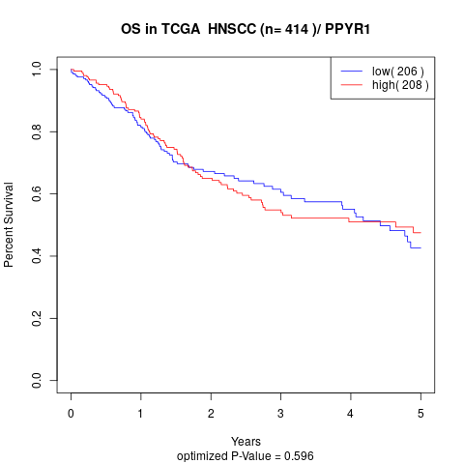

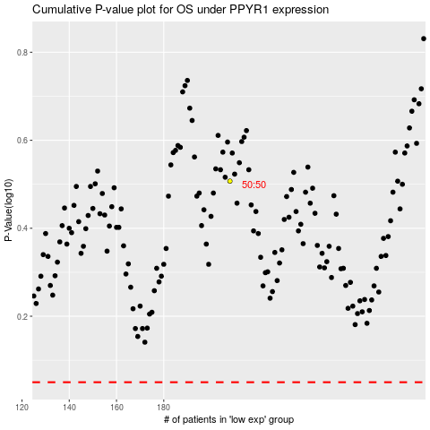

 |  |  |  |  |  | cases_OS | p_OS | rank | exp
 |  |  |  |  |  |  | cases_RFS | p_RFS | rank | exp

