PQLC2 _multivariate
Reported by Tex Li-Hsing Chi. tex@gate.sinica.edu.tw 2019-08-16

Table 2. The clinicopathological features of HNSCC cohort and PQLC2 expression. (Chi square test)
Cutoff at -0.105 (50.0%)
 |  | PQLC2 expression |  | PQLC2 expression |  | (Optimised)
 | Features | Low | (%) | High | (%) | Case no | P-value | Remark | Matthews
Gender | Female | 158 | 38.1 | 148 | 35.7 | 415 | 0.2774 | 0 | 0
2 | Male | 49 | 11.8 | 60 | 14.5
Age at diagnosis | <=65y | 129 | 31.1 | 145 | 34.9 | 415 | 0.1372 | 0 | 0
4 | >65y | 78 | 18.8 | 63 | 15.2
Clinical T Status | T1+T2 | 78 | 18.8 | 71 | 17.1 | 415 | 0.5152 | 0 | 0
6 | T3+T4 | 129 | 31.1 | 137 | 33
Clinical N Status | N0 | 101 | 24.3 | 115 | 27.7 | 415 | 0.2201 | 0 | 0
8 | N1-3 | 106 | 25.5 | 93 | 22.4
Clinical M Status | M0 | 206 | 49.6 | 206 | 49.6 | 415 | 1 | 0 | 0
10 | M1 | 1 | 0.2 | 2 | 0.5
Clinical Stage | Stage I+II | 52 | 12.5 | 50 | 12 | 415 | 0.8871 | 0 | 0
12 | Stage III+IV | 155 | 37.3 | 158 | 38.1
Surgical Margin status | Negative | 155 | 37.3 | 163 | 39.3 | 415 | 0.4187 | 0 | 0
14 | Positive | 52 | 12.5 | 45 | 10.8
Tobacco Exposure | Low | 77 | 18.6 | 84 | 20.2 | 415 | 0.5459 | 0 | 0
16 | High | 130 | 31.3 | 124 | 29.9

Table 3. Univariate/Multivariate Cox's proportional hazards regression analyses on OS time of PQLC2 gene expression in HNSCC

 |  | Univariate |  |  |  | Multivariate
 | Features | HR | CI95%(L) | CI95%(H) | P-value | HR | CI95%(L) | CI95%(H) | P-value
1 | Female | 1 |  |  |  | 1
Gender | Male | 1.157 | 0.843 | 1.587 | 0.367 | 1.204 | 0.861 | 1.682 | 0.278
11 | <=65y | 1 |  |  |  | 1
Age at diagnosis | >65y | 1.329 | 0.99 | 1.784 | 0.058 | 1.387 | 1.019 | 1.888 | 0.037
12 | T1+T2 | 1 |  |  |  | 1
Clinical T Status | T3+T4 | 1.409 | 1.028 | 1.931 | 0.033 | 2.203 | 1.165 | 4.165 | 0.015
13 | N0 | 1 |  |  |  | 1
Clinical N Status | N1-3 | 1.185 | 0.89 | 1.577 | 0.246 | 1.236 | 0.865 | 1.766 | 0.244
14 | M0 | 1 |  |  |  | 1
Clinical M Status | M1 | 4.097 | 1.009 | 16.644 | 0.049 | 9.53 | 2.072 | 43.838 | 0.004
15 | Stage I+II | 1 |  |  |  | 1
Clinical Stage | Stage III+IV | 1.245 | 0.882 | 1.759 | 0.213 | 0.505 | 0.235 | 1.084 | 0.08
16 | Negative | 1 |  |  |  | 1
Surgical Margin status | Positive | 1.591 | 1.155 | 2.191 | 0.004 | 1.671 | 1.209 | 2.308 | 0.002
17 | Low | 1 |  |  |  | 1
Tobacco Exposure | High | 1.364 | 1.008 | 1.844 | 0.044 | 1.457 | 1.056 | 2.009 | 0.022
18 | Low | 1 |  |  |  | 1
RNAseq(z-score) | High | 0.955 | 0.717 | 1.272 | 0.752 | 0.964 | 0.722 | 1.289 | 0.807

Table 4. Univariate/Multivariate Cox's proportional hazards regression analyses on RFS time of PQLC2 gene expression in HNSCC

 |  | Univariate |  |  |  | Multivariate
 | Features | HR | CI95%(L) | CI95%(H) | P-value | HR | CI95%(L) | CI95%(H) | P-value
1 | Female | 1 |  |  |  | 1
Gender | Male | 1.157 | 0.843 | 1.587 | 0.367 | 1.204 | 0.861 | 1.682 | 0.278
11 | <=65y | 1 |  |  |  | 1
Age at diagnosis | >65y | 1.329 | 0.99 | 1.784 | 0.058 | 1.387 | 1.019 | 1.888 | 0.037
12 | T1+T2 | 1 |  |  |  | 1
Clinical T Status | T3+T4 | 1.409 | 1.028 | 1.931 | 0.033 | 2.203 | 1.165 | 4.165 | 0.015
13 | N0 | 1 |  |  |  | 1
Clinical N Status | N1-3 | 1.185 | 0.89 | 1.577 | 0.246 | 1.236 | 0.865 | 1.766 | 0.244
14 | M0 | 1 |  |  |  | 1
Clinical M Status | M1 | 4.097 | 1.009 | 16.644 | 0.049 | 9.53 | 2.072 | 43.838 | 0.004
15 | Stage I+II | 1 |  |  |  | 1
Clinical Stage | Stage III+IV | 1.245 | 0.882 | 1.759 | 0.213 | 0.505 | 0.235 | 1.084 | 0.08
16 | Negative | 1 |  |  |  | 1
Surgical Margin status | Positive | 1.591 | 1.155 | 2.191 | 0.004 | 1.671 | 1.209 | 2.308 | 0.002
17 | Low | 1 |  |  |  | 1
Tobacco Exposure | High | 1.364 | 1.008 | 1.844 | 0.044 | 1.457 | 1.056 | 2.009 | 0.022
18 | Low | 1 |  |  |  | 1
RNAseq(z-score) | High | 0.955 | 0.717 | 1.272 | 0.752 | 0.964 | 0.722 | 1.289 | 0.807

Kaplan-Meier survival estimate: Cutoff at -0.105 (50.0%)



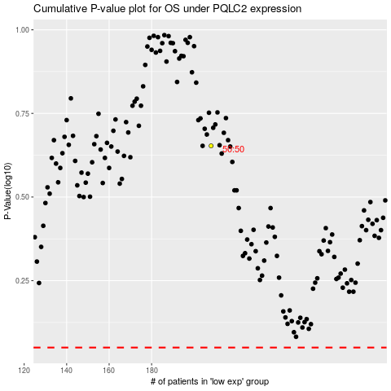

 |  |  |  |  |  | cases_OS | p_OS | rank | exp
 |  |  |  |  |  |  | cases_RFS | p_RFS | rank | exp

