PRAM1 _multivariate
Reported by Tex Li-Hsing Chi. tex@gate.sinica.edu.tw 2019-08-16

Table 2. The clinicopathological features of HNSCC cohort and PRAM1 expression. (Chi square test)
Cutoff at -0.324 (49.8%)
 |  | PRAM1 expression |  | PRAM1 expression |  | (Optimised)
 | Features | Low | (%) | High | (%) | Case no | P-value | Remark | Matthews
Gender | Female | 159 | 38.3 | 147 | 35.4 | 415 | 0.1905 | 0 | 0
2 | Male | 48 | 11.6 | 61 | 14.7
Age at diagnosis | <=65y | 141 | 34 | 133 | 32 | 415 | 0.4272 | 0 | 0
4 | >65y | 66 | 15.9 | 75 | 18.1
Clinical T Status | T1+T2 | 71 | 17.1 | 78 | 18.8 | 415 | 0.5638 | 0 | 0
6 | T3+T4 | 136 | 32.8 | 130 | 31.3
Clinical N Status | N0 | 112 | 27 | 104 | 25.1 | 415 | 0.4599 | 0 | 0
8 | N1-3 | 95 | 22.9 | 104 | 25.1
Clinical M Status | M0 | 206 | 49.6 | 206 | 49.6 | 415 | 1 | 0 | 0
10 | M1 | 1 | 0.2 | 2 | 0.5
Clinical Stage | Stage I+II | 52 | 12.5 | 50 | 12 | 415 | 0.8871 | 0 | 0
12 | Stage III+IV | 155 | 37.3 | 158 | 38.1
Surgical Margin status | Negative | 155 | 37.3 | 163 | 39.3 | 415 | 0.4187 | 0 | 0
14 | Positive | 52 | 12.5 | 45 | 10.8
Tobacco Exposure | Low | 69 | 16.6 | 92 | 22.2 | 415 | 0.0266 | 1 | 0
16 | High | 138 | 33.3 | 116 | 28

Table 3. Univariate/Multivariate Cox's proportional hazards regression analyses on OS time of PRAM1 gene expression in HNSCC

 |  | Univariate |  |  |  | Multivariate
 | Features | HR | CI95%(L) | CI95%(H) | P-value | HR | CI95%(L) | CI95%(H) | P-value
1 | Female | 1 |  |  |  | 1
Gender | Male | 1.157 | 0.843 | 1.587 | 0.367 | 1.205 | 0.862 | 1.683 | 0.275
11 | <=65y | 1 |  |  |  | 1
Age at diagnosis | >65y | 1.329 | 0.99 | 1.784 | 0.058 | 1.39 | 1.023 | 1.888 | 0.036
12 | T1+T2 | 1 |  |  |  | 1
Clinical T Status | T3+T4 | 1.409 | 1.028 | 1.931 | 0.033 | 2.195 | 1.161 | 4.15 | 0.016
13 | N0 | 1 |  |  |  | 1
Clinical N Status | N1-3 | 1.185 | 0.89 | 1.577 | 0.246 | 1.252 | 0.877 | 1.788 | 0.216
14 | M0 | 1 |  |  |  | 1
Clinical M Status | M1 | 4.097 | 1.009 | 16.644 | 0.049 | 9.66 | 2.104 | 44.351 | 0.004
15 | Stage I+II | 1 |  |  |  | 1
Clinical Stage | Stage III+IV | 1.245 | 0.882 | 1.759 | 0.213 | 0.507 | 0.236 | 1.087 | 0.081
16 | Negative | 1 |  |  |  | 1
Surgical Margin status | Positive | 1.591 | 1.155 | 2.191 | 0.004 | 1.674 | 1.211 | 2.314 | 0.002
17 | Low | 1 |  |  |  | 1
Tobacco Exposure | High | 1.364 | 1.008 | 1.844 | 0.044 | 1.44 | 1.044 | 1.986 | 0.026
18 | Low | 1 |  |  |  | 1
RNAseq(z-score) | High | 0.897 | 0.673 | 1.195 | 0.457 | 0.896 | 0.671 | 1.198 | 0.46

Table 4. Univariate/Multivariate Cox's proportional hazards regression analyses on RFS time of PRAM1 gene expression in HNSCC

 |  | Univariate |  |  |  | Multivariate
 | Features | HR | CI95%(L) | CI95%(H) | P-value | HR | CI95%(L) | CI95%(H) | P-value
1 | Female | 1 |  |  |  | 1
Gender | Male | 1.157 | 0.843 | 1.587 | 0.367 | 1.205 | 0.862 | 1.683 | 0.275
11 | <=65y | 1 |  |  |  | 1
Age at diagnosis | >65y | 1.329 | 0.99 | 1.784 | 0.058 | 1.39 | 1.023 | 1.888 | 0.036
12 | T1+T2 | 1 |  |  |  | 1
Clinical T Status | T3+T4 | 1.409 | 1.028 | 1.931 | 0.033 | 2.195 | 1.161 | 4.15 | 0.016
13 | N0 | 1 |  |  |  | 1
Clinical N Status | N1-3 | 1.185 | 0.89 | 1.577 | 0.246 | 1.252 | 0.877 | 1.788 | 0.216
14 | M0 | 1 |  |  |  | 1
Clinical M Status | M1 | 4.097 | 1.009 | 16.644 | 0.049 | 9.66 | 2.104 | 44.351 | 0.004
15 | Stage I+II | 1 |  |  |  | 1
Clinical Stage | Stage III+IV | 1.245 | 0.882 | 1.759 | 0.213 | 0.507 | 0.236 | 1.087 | 0.081
16 | Negative | 1 |  |  |  | 1
Surgical Margin status | Positive | 1.591 | 1.155 | 2.191 | 0.004 | 1.674 | 1.211 | 2.314 | 0.002
17 | Low | 1 |  |  |  | 1
Tobacco Exposure | High | 1.364 | 1.008 | 1.844 | 0.044 | 1.44 | 1.044 | 1.986 | 0.026
18 | Low | 1 |  |  |  | 1
RNAseq(z-score) | High | 0.897 | 0.673 | 1.195 | 0.457 | 0.896 | 0.671 | 1.198 | 0.46

Kaplan-Meier survival estimate: Cutoff at -0.324 (49.8%)



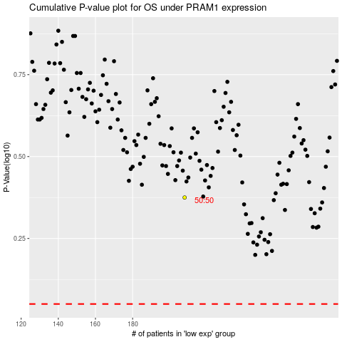

 |  |  |  |  |  | cases_OS | p_OS | rank | exp
 |  |  |  |  |  |  | cases_RFS | p_RFS | rank | exp

