PRAME _multivariate
Reported by Tex Li-Hsing Chi. tex@gate.sinica.edu.tw 2019-08-16

Table 2. The clinicopathological features of HNSCC cohort and PRAME expression. (Chi square test)
Cutoff at -0.045 (68.6%)
 |  | PRAME expression |  | PRAME expression |  | (Optimised)
 | Features | Low | (%) | High | (%) | Case no | P-value | Remark | Matthews
Gender | Female | 207 | 49.9 | 99 | 23.9 | 415 | 0.5248 | 0 | 0
2 | Male | 78 | 18.8 | 31 | 7.5
Age at diagnosis | <=65y | 193 | 46.5 | 81 | 19.5 | 415 | 0.3331 | 0 | 0
4 | >65y | 92 | 22.2 | 49 | 11.8
Clinical T Status | T1+T2 | 113 | 27.2 | 36 | 8.7 | 415 | 0.0248 | 1 | 0
6 | T3+T4 | 172 | 41.4 | 94 | 22.7
Clinical N Status | N0 | 149 | 35.9 | 67 | 16.1 | 415 | 0.9725 | 0 | 0
8 | N1-3 | 136 | 32.8 | 63 | 15.2
Clinical M Status | M0 | 283 | 68.2 | 129 | 31.1 | 415 | 1 | 0 | 0
10 | M1 | 2 | 0.5 | 1 | 0.2
Clinical Stage | Stage I+II | 78 | 18.8 | 24 | 5.8 | 415 | 0.067 | 0 | 0
12 | Stage III+IV | 207 | 49.9 | 106 | 25.5
Surgical Margin status | Negative | 224 | 54 | 94 | 22.7 | 415 | 0.1703 | 0 | 0
14 | Positive | 61 | 14.7 | 36 | 8.7
Tobacco Exposure | Low | 126 | 30.4 | 35 | 8.4 | 415 | 8e-04 | 1 | 0
16 | High | 159 | 38.3 | 95 | 22.9

Table 3. Univariate/Multivariate Cox's proportional hazards regression analyses on OS time of PRAME gene expression in HNSCC

 |  | Univariate |  |  |  | Multivariate
 | Features | HR | CI95%(L) | CI95%(H) | P-value | HR | CI95%(L) | CI95%(H) | P-value
1 | Female | 1 |  |  |  | 1
Gender | Male | 1.157 | 0.843 | 1.587 | 0.367 | 1.244 | 0.888 | 1.743 | 0.204
11 | <=65y | 1 |  |  |  | 1
Age at diagnosis | >65y | 1.329 | 0.99 | 1.784 | 0.058 | 1.343 | 0.986 | 1.829 | 0.061
12 | T1+T2 | 1 |  |  |  | 1
Clinical T Status | T3+T4 | 1.409 | 1.028 | 1.931 | 0.033 | 2.134 | 1.128 | 4.038 | 0.02
13 | N0 | 1 |  |  |  | 1
Clinical N Status | N1-3 | 1.185 | 0.89 | 1.577 | 0.246 | 1.27 | 0.888 | 1.817 | 0.191
14 | M0 | 1 |  |  |  | 1
Clinical M Status | M1 | 4.097 | 1.009 | 16.644 | 0.049 | 9.603 | 2.094 | 44.041 | 0.004
15 | Stage I+II | 1 |  |  |  | 1
Clinical Stage | Stage III+IV | 1.245 | 0.882 | 1.759 | 0.213 | 0.501 | 0.233 | 1.075 | 0.076
16 | Negative | 1 |  |  |  | 1
Surgical Margin status | Positive | 1.591 | 1.155 | 2.191 | 0.004 | 1.635 | 1.182 | 2.261 | 0.003
17 | Low | 1 |  |  |  | 1
Tobacco Exposure | High | 1.364 | 1.008 | 1.844 | 0.044 | 1.368 | 0.99 | 1.891 | 0.058
18 | Low | 1 |  |  |  | 1
RNAseq(z-score) | High | 1.572 | 1.17 | 2.113 | 0.003 | 1.455 | 1.072 | 1.974 | 0.016

Table 4. Univariate/Multivariate Cox's proportional hazards regression analyses on RFS time of PRAME gene expression in HNSCC

 |  | Univariate |  |  |  | Multivariate
 | Features | HR | CI95%(L) | CI95%(H) | P-value | HR | CI95%(L) | CI95%(H) | P-value
1 | Female | 1 |  |  |  | 1
Gender | Male | 1.157 | 0.843 | 1.587 | 0.367 | 1.244 | 0.888 | 1.743 | 0.204
11 | <=65y | 1 |  |  |  | 1
Age at diagnosis | >65y | 1.329 | 0.99 | 1.784 | 0.058 | 1.343 | 0.986 | 1.829 | 0.061
12 | T1+T2 | 1 |  |  |  | 1
Clinical T Status | T3+T4 | 1.409 | 1.028 | 1.931 | 0.033 | 2.134 | 1.128 | 4.038 | 0.02
13 | N0 | 1 |  |  |  | 1
Clinical N Status | N1-3 | 1.185 | 0.89 | 1.577 | 0.246 | 1.27 | 0.888 | 1.817 | 0.191
14 | M0 | 1 |  |  |  | 1
Clinical M Status | M1 | 4.097 | 1.009 | 16.644 | 0.049 | 9.603 | 2.094 | 44.041 | 0.004
15 | Stage I+II | 1 |  |  |  | 1
Clinical Stage | Stage III+IV | 1.245 | 0.882 | 1.759 | 0.213 | 0.501 | 0.233 | 1.075 | 0.076
16 | Negative | 1 |  |  |  | 1
Surgical Margin status | Positive | 1.591 | 1.155 | 2.191 | 0.004 | 1.635 | 1.182 | 2.261 | 0.003
17 | Low | 1 |  |  |  | 1
Tobacco Exposure | High | 1.364 | 1.008 | 1.844 | 0.044 | 1.368 | 0.99 | 1.891 | 0.058
18 | Low | 1 |  |  |  | 1
RNAseq(z-score) | High | 1.572 | 1.17 | 2.113 | 0.003 | 1.455 | 1.072 | 1.974 | 0.016

Kaplan-Meier survival estimate: Cutoff at -0.045 (68.6%)

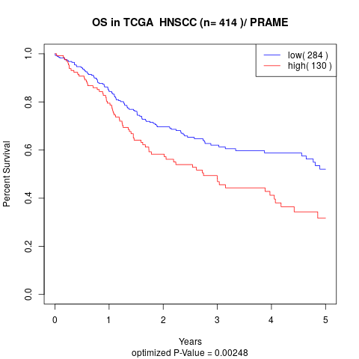

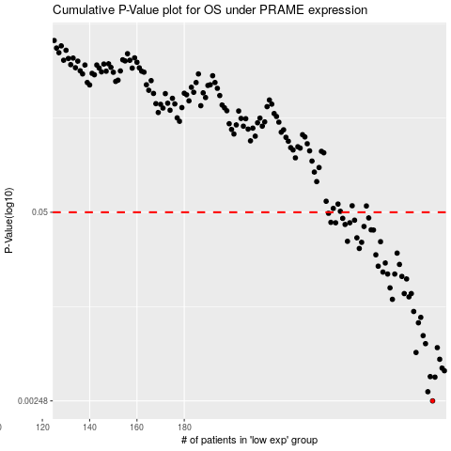

 |  |  |  |  |  | cases_OS | p_OS | rank | exp
 |  |  |  |  |  | 285 | 0.00248 | 339 | -0.0451518711
 |  |  |  |  |  | 283 | 0.00287 | 267 | -0.049978427769
 |  |  |  |  |  | 286 | 0.00362 | 239 | -0.030482474614
 |  |  |  |  |  | 284 | 0.00365 | 71 | -0.048399025626
 |  |  |  |  |  | 290 | 0.00401 | 242 | 0.009504504603
 |  |  |  |  |  | 289 | 0.00418 | 173 | -0.015894915369
 |  |  |  |  |  | 288 | 0.00481 | 348 | -0.016246192529
 |  |  |  |  |  | 278 | 0.00536 | 349 | -0.085662297176
 |  |  |  |  |  | 287 | 0.00579 | 353 | -0.0290034576
 |  |  |  |  |  | 282 | 0.00617 | 219 | -0.065510938147
 |  |  |  |  |  | 281 | 0.00701 | 197 | -0.066155158654
 |  |  |  |  |  | 279 | 0.0086 | 72 | -0.08122142329
 |  |  |  |  |  | 280 | 0.00938 | 30 | -0.07463210941
 |  |  |  |  |  | 277 | 0.0103 | 182 | -0.089615970456
 |  |  |  |  |  | 268 | 0.0125 | 115 | -0.14985426907
 |  |  |  |  |  | 275 | 0.013 | 279 | -0.10497390416
 |  |  |  |  |  | 273 | 0.0137 | 90 | -0.11156803199
 |  |  |  |  |  | 276 | 0.0137 | 129 | -0.096436354196
 |  |  |  |  |  | 267 | 0.015 | 269 | -0.17345468558
 |  |  |  |  |  | 274 | 0.0173 | 151 | -0.10694536049
 |  |  |  |  |  | 272 | 0.018 | 84 | -0.11717798911
 |  |  |  |  |  | 269 | 0.0187 | 66 | -0.1489801114
 |  |  |  |  |  | 266 | 0.0187 | 170 | -0.17612685561
 |  |  |  |  |  | 264 | 0.0193 | 55 | -0.1792032563
 |  |  |  |  |  | 262 | 0.0212 | 250 | -0.19039626903
 |  |  |  |  |  | 271 | 0.0218 | 235 | -0.12958397702
 |  |  |  |  |  | 265 | 0.0223 | 100 | -0.17752559283
 |  |  |  |  |  | 261 | 0.0254 | 303 | -0.19540377379
 |  |  |  |  |  | 270 | 0.0261 | 102 | -0.1319275238
 |  |  |  |  |  | 254 | 0.0281 | 256 | -0.24519649705
 |  |  |  |  |  | 255 | 0.031 | 176 | -0.23150150178
 |  |  |  |  |  | 263 | 0.0313 | 184 | -0.1884658729
 |  |  |  |  |  | 249 | 0.0315 | 97 | -0.267828459
 |  |  |  |  |  | 253 | 0.0333 | 156 | -0.24635538603
 |  |  |  |  |  | 260 | 0.0377 | 231 | -0.19937925146
 |  |  |  |  |  | 259 | 0.0378 | 342 | -0.20114653945
 |  |  |  |  |  | 256 | 0.0399 | 78 | -0.22861539391
 |  |  |  |  |  | 248 | 0.0412 | 193 | -0.27656182367
 |  |  |  |  |  | 250 | 0.0423 | 52 | -0.26655346874
 |  |  |  |  |  | 244 | 0.0423 | 113 | -0.31232922937
 |  |  |  |  |  | 242 | 0.0426 | 77 | -0.3223928032
 |  |  |  |  |  | 252 | 0.0441 | 45 | -0.2478012717
 |  |  |  |  |  | 247 | 0.0454 | 332 | -0.29351530043
 |  |  |  |  |  | 258 | 0.0457 | 158 | -0.21889177028
 |  |  |  |  |  | 241 | 0.0492 | 292 | -0.32593856455
 |  |  |  |  |  |  | cases_RFS | p_RFS | rank | exp
 |  |  |  |  |  |  | 284 | 0.00248 | 71 | -0.048399025626
 |  |  |  |  |  |  | 282 | 0.00287 | 219 | -0.065510938147
 |  |  |  |  |  |  | 285 | 0.00362 | 339 | -0.0451518711
 |  |  |  |  |  |  | 283 | 0.00365 | 267 | -0.049978427769
 |  |  |  |  |  |  | 289 | 0.00401 | 173 | -0.015894915369
 |  |  |  |  |  |  | 288 | 0.00418 | 348 | -0.016246192529
 |  |  |  |  |  |  | 287 | 0.00481 | 353 | -0.0290034576
 |  |  |  |  |  |  | 277 | 0.00536 | 182 | -0.089615970456
 |  |  |  |  |  |  | 286 | 0.00579 | 239 | -0.030482474614
 |  |  |  |  |  |  | 281 | 0.00617 | 197 | -0.066155158654
 |  |  |  |  |  |  | 280 | 0.00701 | 30 | -0.07463210941
 |  |  |  |  |  |  | 278 | 0.0086 | 349 | -0.085662297176
 |  |  |  |  |  |  | 279 | 0.00938 | 72 | -0.08122142329
 |  |  |  |  |  |  | 276 | 0.0103 | 129 | -0.096436354196
 |  |  |  |  |  |  | 267 | 0.0125 | 269 | -0.17345468558
 |  |  |  |  |  |  | 274 | 0.013 | 151 | -0.10694536049
 |  |  |  |  |  |  | 272 | 0.0137 | 84 | -0.11717798911
 |  |  |  |  |  |  | 275 | 0.0137 | 279 | -0.10497390416
 |  |  |  |  |  |  | 266 | 0.015 | 170 | -0.17612685561
 |  |  |  |  |  |  | 273 | 0.0173 | 90 | -0.11156803199
 |  |  |  |  |  |  | 271 | 0.018 | 235 | -0.12958397702
 |  |  |  |  |  |  | 265 | 0.0187 | 100 | -0.17752559283
 |  |  |  |  |  |  | 268 | 0.0187 | 115 | -0.14985426907
 |  |  |  |  |  |  | 263 | 0.0193 | 184 | -0.1884658729
 |  |  |  |  |  |  | 261 | 0.0212 | 303 | -0.19540377379
 |  |  |  |  |  |  | 270 | 0.0218 | 102 | -0.1319275238
 |  |  |  |  |  |  | 264 | 0.0223 | 55 | -0.1792032563
 |  |  |  |  |  |  | 260 | 0.0254 | 231 | -0.19937925146
 |  |  |  |  |  |  | 269 | 0.0261 | 66 | -0.1489801114
 |  |  |  |  |  |  | 253 | 0.0281 | 156 | -0.24635538603
 |  |  |  |  |  |  | 254 | 0.031 | 256 | -0.24519649705
 |  |  |  |  |  |  | 262 | 0.0313 | 250 | -0.19039626903
 |  |  |  |  |  |  | 248 | 0.0315 | 193 | -0.27656182367
 |  |  |  |  |  |  | 252 | 0.0333 | 45 | -0.2478012717
 |  |  |  |  |  |  | 259 | 0.0377 | 342 | -0.20114653945
 |  |  |  |  |  |  | 258 | 0.0378 | 158 | -0.21889177028
 |  |  |  |  |  |  | 255 | 0.0399 | 176 | -0.23150150178
 |  |  |  |  |  |  | 247 | 0.0412 | 332 | -0.29351530043
 |  |  |  |  |  |  | 249 | 0.0423 | 97 | -0.267828459
 |  |  |  |  |  |  | 243 | 0.0423 | 165 | -0.31845796098
 |  |  |  |  |  |  | 241 | 0.0426 | 292 | -0.32593856455
 |  |  |  |  |  |  | 251 | 0.0441 | 75 | -0.26640763421
 |  |  |  |  |  |  | 246 | 0.0454 | 388 | -0.29401297847
 |  |  |  |  |  |  | 257 | 0.0457 | 392 | -0.22613082656
 |  |  |  |  |  |  | 240 | 0.0492 | 174 | -0.32825336918

