PRDM1 _multivariate
Reported by Tex Li-Hsing Chi. tex@gate.sinica.edu.tw 2019-08-16

Table 2. The clinicopathological features of HNSCC cohort and PRDM1 expression. (Chi square test)
Cutoff at -0.26 (50.0%)
 |  | PRDM1 expression |  | PRDM1 expression |  | (Optimised)
 | Features | Low | (%) | High | (%) | Case no | P-value | Remark | Matthews
Gender | Female | 161 | 38.8 | 145 | 34.9 | 415 | 0.0792 | 0 | 0
2 | Male | 46 | 11.1 | 63 | 15.2
Age at diagnosis | <=65y | 135 | 32.5 | 139 | 33.5 | 415 | 0.8084 | 0 | 0
4 | >65y | 72 | 17.3 | 69 | 16.6
Clinical T Status | T1+T2 | 78 | 18.8 | 71 | 17.1 | 415 | 0.5152 | 0 | 0
6 | T3+T4 | 129 | 31.1 | 137 | 33
Clinical N Status | N0 | 100 | 24.1 | 116 | 28 | 415 | 0.1548 | 0 | 0
8 | N1-3 | 107 | 25.8 | 92 | 22.2
Clinical M Status | M0 | 204 | 49.2 | 208 | 50.1 | 415 | 0.1232 | 0 | 0
10 | M1 | 3 | 0.7 | 0 | 0
Clinical Stage | Stage I+II | 51 | 12.3 | 51 | 12.3 | 415 | 1 | 0 | 0
12 | Stage III+IV | 156 | 37.6 | 157 | 37.8
Surgical Margin status | Negative | 150 | 36.1 | 168 | 40.5 | 415 | 0.0492 | 1 | 0
14 | Positive | 57 | 13.7 | 40 | 9.6
Tobacco Exposure | Low | 73 | 17.6 | 88 | 21.2 | 415 | 0.1587 | 0 | 0
16 | High | 134 | 32.3 | 120 | 28.9

Table 3. Univariate/Multivariate Cox's proportional hazards regression analyses on OS time of PRDM1 gene expression in HNSCC

 |  | Univariate |  |  |  | Multivariate
 | Features | HR | CI95%(L) | CI95%(H) | P-value | HR | CI95%(L) | CI95%(H) | P-value
1 | Female | 1 |  |  |  | 1
Gender | Male | 1.157 | 0.843 | 1.587 | 0.367 | 1.206 | 0.862 | 1.687 | 0.273
11 | <=65y | 1 |  |  |  | 1
Age at diagnosis | >65y | 1.329 | 0.99 | 1.784 | 0.058 | 1.388 | 1.021 | 1.888 | 0.037
12 | T1+T2 | 1 |  |  |  | 1
Clinical T Status | T3+T4 | 1.409 | 1.028 | 1.931 | 0.033 | 2.195 | 1.16 | 4.151 | 0.016
13 | N0 | 1 |  |  |  | 1
Clinical N Status | N1-3 | 1.185 | 0.89 | 1.577 | 0.246 | 1.232 | 0.86 | 1.765 | 0.256
14 | M0 | 1 |  |  |  | 1
Clinical M Status | M1 | 4.097 | 1.009 | 16.644 | 0.049 | 9.22 | 1.996 | 42.58 | 0.004
15 | Stage I+II | 1 |  |  |  | 1
Clinical Stage | Stage III+IV | 1.245 | 0.882 | 1.759 | 0.213 | 0.508 | 0.236 | 1.092 | 0.083
16 | Negative | 1 |  |  |  | 1
Surgical Margin status | Positive | 1.591 | 1.155 | 2.191 | 0.004 | 1.66 | 1.197 | 2.303 | 0.002
17 | Low | 1 |  |  |  | 1
Tobacco Exposure | High | 1.364 | 1.008 | 1.844 | 0.044 | 1.449 | 1.051 | 1.997 | 0.024
18 | Low | 1 |  |  |  | 1
RNAseq(z-score) | High | 0.843 | 0.633 | 1.123 | 0.243 | 0.962 | 0.714 | 1.295 | 0.797

Table 4. Univariate/Multivariate Cox's proportional hazards regression analyses on RFS time of PRDM1 gene expression in HNSCC

 |  | Univariate |  |  |  | Multivariate
 | Features | HR | CI95%(L) | CI95%(H) | P-value | HR | CI95%(L) | CI95%(H) | P-value
1 | Female | 1 |  |  |  | 1
Gender | Male | 1.157 | 0.843 | 1.587 | 0.367 | 1.206 | 0.862 | 1.687 | 0.273
11 | <=65y | 1 |  |  |  | 1
Age at diagnosis | >65y | 1.329 | 0.99 | 1.784 | 0.058 | 1.388 | 1.021 | 1.888 | 0.037
12 | T1+T2 | 1 |  |  |  | 1
Clinical T Status | T3+T4 | 1.409 | 1.028 | 1.931 | 0.033 | 2.195 | 1.16 | 4.151 | 0.016
13 | N0 | 1 |  |  |  | 1
Clinical N Status | N1-3 | 1.185 | 0.89 | 1.577 | 0.246 | 1.232 | 0.86 | 1.765 | 0.256
14 | M0 | 1 |  |  |  | 1
Clinical M Status | M1 | 4.097 | 1.009 | 16.644 | 0.049 | 9.22 | 1.996 | 42.58 | 0.004
15 | Stage I+II | 1 |  |  |  | 1
Clinical Stage | Stage III+IV | 1.245 | 0.882 | 1.759 | 0.213 | 0.508 | 0.236 | 1.092 | 0.083
16 | Negative | 1 |  |  |  | 1
Surgical Margin status | Positive | 1.591 | 1.155 | 2.191 | 0.004 | 1.66 | 1.197 | 2.303 | 0.002
17 | Low | 1 |  |  |  | 1
Tobacco Exposure | High | 1.364 | 1.008 | 1.844 | 0.044 | 1.449 | 1.051 | 1.997 | 0.024
18 | Low | 1 |  |  |  | 1
RNAseq(z-score) | High | 0.843 | 0.633 | 1.123 | 0.243 | 0.962 | 0.714 | 1.295 | 0.797

Kaplan-Meier survival estimate: Cutoff at -0.26 (50.0%)



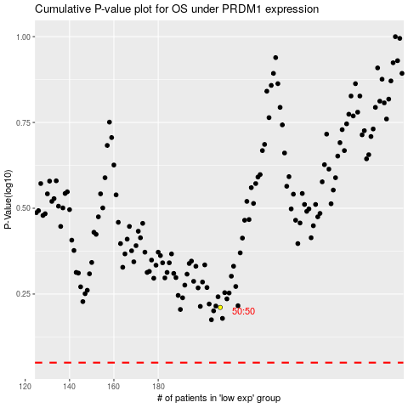

 |  |  |  |  |  | cases_OS | p_OS | rank | exp
 |  |  |  |  |  |  | cases_RFS | p_RFS | rank | exp

