PRDM10 _multivariate
Reported by Tex Li-Hsing Chi. tex@gate.sinica.edu.tw 2019-08-16

Table 2. The clinicopathological features of HNSCC cohort and PRDM10 expression. (Chi square test)
Cutoff at -0.06 (49.8%)
 |  | PRDM10 expression |  | PRDM10 expression |  | (Optimised)
 | Features | Low | (%) | High | (%) | Case no | P-value | Remark | Matthews
Gender | Female | 156 | 37.6 | 150 | 36.1 | 415 | 0.5222 | 0 | 0
2 | Male | 51 | 12.3 | 58 | 14
Age at diagnosis | <=65y | 139 | 33.5 | 135 | 32.5 | 415 | 0.7044 | 0 | 0
4 | >65y | 68 | 16.4 | 73 | 17.6
Clinical T Status | T1+T2 | 71 | 17.1 | 78 | 18.8 | 415 | 0.5638 | 0 | 0
6 | T3+T4 | 136 | 32.8 | 130 | 31.3
Clinical N Status | N0 | 106 | 25.5 | 110 | 26.5 | 415 | 0.8075 | 0 | 0
8 | N1-3 | 101 | 24.3 | 98 | 23.6
Clinical M Status | M0 | 204 | 49.2 | 208 | 50.1 | 415 | 0.1232 | 0 | 0
10 | M1 | 3 | 0.7 | 0 | 0
Clinical Stage | Stage I+II | 47 | 11.3 | 55 | 13.3 | 415 | 0.4413 | 0 | 0
12 | Stage III+IV | 160 | 38.6 | 153 | 36.9
Surgical Margin status | Negative | 152 | 36.6 | 166 | 40 | 415 | 0.1329 | 0 | 0
14 | Positive | 55 | 13.3 | 42 | 10.1
Tobacco Exposure | Low | 79 | 19 | 82 | 19.8 | 415 | 0.8405 | 0 | 0
16 | High | 128 | 30.8 | 126 | 30.4

Table 3. Univariate/Multivariate Cox's proportional hazards regression analyses on OS time of PRDM10 gene expression in HNSCC

 |  | Univariate |  |  |  | Multivariate
 | Features | HR | CI95%(L) | CI95%(H) | P-value | HR | CI95%(L) | CI95%(H) | P-value
1 | Female | 1 |  |  |  | 1
Gender | Male | 1.157 | 0.843 | 1.587 | 0.367 | 1.209 | 0.865 | 1.69 | 0.267
11 | <=65y | 1 |  |  |  | 1
Age at diagnosis | >65y | 1.329 | 0.99 | 1.784 | 0.058 | 1.381 | 1.015 | 1.88 | 0.04
12 | T1+T2 | 1 |  |  |  | 1
Clinical T Status | T3+T4 | 1.409 | 1.028 | 1.931 | 0.033 | 2.214 | 1.171 | 4.188 | 0.015
13 | N0 | 1 |  |  |  | 1
Clinical N Status | N1-3 | 1.185 | 0.89 | 1.577 | 0.246 | 1.236 | 0.866 | 1.764 | 0.244
14 | M0 | 1 |  |  |  | 1
Clinical M Status | M1 | 4.097 | 1.009 | 16.644 | 0.049 | 9.902 | 2.137 | 45.887 | 0.003
15 | Stage I+II | 1 |  |  |  | 1
Clinical Stage | Stage III+IV | 1.245 | 0.882 | 1.759 | 0.213 | 0.504 | 0.235 | 1.082 | 0.079
16 | Negative | 1 |  |  |  | 1
Surgical Margin status | Positive | 1.591 | 1.155 | 2.191 | 0.004 | 1.689 | 1.22 | 2.34 | 0.002
17 | Low | 1 |  |  |  | 1
Tobacco Exposure | High | 1.364 | 1.008 | 1.844 | 0.044 | 1.467 | 1.063 | 2.025 | 0.02
18 | Low | 1 |  |  |  | 1
RNAseq(z-score) | High | 1.004 | 0.753 | 1.338 | 0.98 | 1.088 | 0.81 | 1.461 | 0.575

Table 4. Univariate/Multivariate Cox's proportional hazards regression analyses on RFS time of PRDM10 gene expression in HNSCC

 |  | Univariate |  |  |  | Multivariate
 | Features | HR | CI95%(L) | CI95%(H) | P-value | HR | CI95%(L) | CI95%(H) | P-value
1 | Female | 1 |  |  |  | 1
Gender | Male | 1.157 | 0.843 | 1.587 | 0.367 | 1.209 | 0.865 | 1.69 | 0.267
11 | <=65y | 1 |  |  |  | 1
Age at diagnosis | >65y | 1.329 | 0.99 | 1.784 | 0.058 | 1.381 | 1.015 | 1.88 | 0.04
12 | T1+T2 | 1 |  |  |  | 1
Clinical T Status | T3+T4 | 1.409 | 1.028 | 1.931 | 0.033 | 2.214 | 1.171 | 4.188 | 0.015
13 | N0 | 1 |  |  |  | 1
Clinical N Status | N1-3 | 1.185 | 0.89 | 1.577 | 0.246 | 1.236 | 0.866 | 1.764 | 0.244
14 | M0 | 1 |  |  |  | 1
Clinical M Status | M1 | 4.097 | 1.009 | 16.644 | 0.049 | 9.902 | 2.137 | 45.887 | 0.003
15 | Stage I+II | 1 |  |  |  | 1
Clinical Stage | Stage III+IV | 1.245 | 0.882 | 1.759 | 0.213 | 0.504 | 0.235 | 1.082 | 0.079
16 | Negative | 1 |  |  |  | 1
Surgical Margin status | Positive | 1.591 | 1.155 | 2.191 | 0.004 | 1.689 | 1.22 | 2.34 | 0.002
17 | Low | 1 |  |  |  | 1
Tobacco Exposure | High | 1.364 | 1.008 | 1.844 | 0.044 | 1.467 | 1.063 | 2.025 | 0.02
18 | Low | 1 |  |  |  | 1
RNAseq(z-score) | High | 1.004 | 0.753 | 1.338 | 0.98 | 1.088 | 0.81 | 1.461 | 0.575

Kaplan-Meier survival estimate: Cutoff at -0.06 (49.8%)



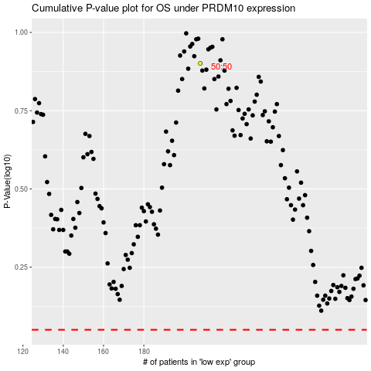

 |  |  |  |  |  | cases_OS | p_OS | rank | exp
 |  |  |  |  |  |  | cases_RFS | p_RFS | rank | exp

