PRDM11 _multivariate
Reported by Tex Li-Hsing Chi. tex@gate.sinica.edu.tw 2019-08-16

Table 2. The clinicopathological features of HNSCC cohort and PRDM11 expression. (Chi square test)
Cutoff at -0.18 (49.8%)
 |  | PRDM11 expression |  | PRDM11 expression |  | (Optimised)
 | Features | Low | (%) | High | (%) | Case no | P-value | Remark | Matthews
Gender | Female | 140 | 33.7 | 166 | 40 | 415 | 0.0068 | 1 | 0
2 | Male | 67 | 16.1 | 42 | 10.1
Age at diagnosis | <=65y | 133 | 32 | 141 | 34 | 415 | 0.5111 | 0 | 0
4 | >65y | 74 | 17.8 | 67 | 16.1
Clinical T Status | T1+T2 | 79 | 19 | 70 | 16.9 | 415 | 0.3924 | 0 | 0
6 | T3+T4 | 128 | 30.8 | 138 | 33.3
Clinical N Status | N0 | 99 | 23.9 | 117 | 28.2 | 415 | 0.1054 | 0 | 0
8 | N1-3 | 108 | 26 | 91 | 21.9
Clinical M Status | M0 | 204 | 49.2 | 208 | 50.1 | 415 | 0.1232 | 0 | 0
10 | M1 | 3 | 0.7 | 0 | 0
Clinical Stage | Stage I+II | 53 | 12.8 | 49 | 11.8 | 415 | 0.7113 | 0 | 0
12 | Stage III+IV | 154 | 37.1 | 159 | 38.3
Surgical Margin status | Negative | 154 | 37.1 | 164 | 39.5 | 415 | 0.2984 | 0 | 0
14 | Positive | 53 | 12.8 | 44 | 10.6
Tobacco Exposure | Low | 91 | 21.9 | 70 | 16.9 | 415 | 0.0346 | 1 | 0
16 | High | 116 | 28 | 138 | 33.3

Table 3. Univariate/Multivariate Cox's proportional hazards regression analyses on OS time of PRDM11 gene expression in HNSCC

 |  | Univariate |  |  |  | Multivariate
 | Features | HR | CI95%(L) | CI95%(H) | P-value | HR | CI95%(L) | CI95%(H) | P-value
1 | Female | 1 |  |  |  | 1
Gender | Male | 1.157 | 0.843 | 1.587 | 0.367 | 1.184 | 0.843 | 1.662 | 0.329
11 | <=65y | 1 |  |  |  | 1
Age at diagnosis | >65y | 1.329 | 0.99 | 1.784 | 0.058 | 1.385 | 1.017 | 1.884 | 0.039
12 | T1+T2 | 1 |  |  |  | 1
Clinical T Status | T3+T4 | 1.409 | 1.028 | 1.931 | 0.033 | 2.189 | 1.157 | 4.14 | 0.016
13 | N0 | 1 |  |  |  | 1
Clinical N Status | N1-3 | 1.185 | 0.89 | 1.577 | 0.246 | 1.23 | 0.861 | 1.757 | 0.255
14 | M0 | 1 |  |  |  | 1
Clinical M Status | M1 | 4.097 | 1.009 | 16.644 | 0.049 | 8.966 | 1.937 | 41.511 | 0.005
15 | Stage I+II | 1 |  |  |  | 1
Clinical Stage | Stage III+IV | 1.245 | 0.882 | 1.759 | 0.213 | 0.51 | 0.237 | 1.095 | 0.084
16 | Negative | 1 |  |  |  | 1
Surgical Margin status | Positive | 1.591 | 1.155 | 2.191 | 0.004 | 1.66 | 1.201 | 2.296 | 0.002
17 | Low | 1 |  |  |  | 1
Tobacco Exposure | High | 1.364 | 1.008 | 1.844 | 0.044 | 1.462 | 1.06 | 2.017 | 0.021
18 | Low | 1 |  |  |  | 1
RNAseq(z-score) | High | 0.854 | 0.641 | 1.138 | 0.282 | 0.923 | 0.684 | 1.245 | 0.599

Table 4. Univariate/Multivariate Cox's proportional hazards regression analyses on RFS time of PRDM11 gene expression in HNSCC

 |  | Univariate |  |  |  | Multivariate
 | Features | HR | CI95%(L) | CI95%(H) | P-value | HR | CI95%(L) | CI95%(H) | P-value
1 | Female | 1 |  |  |  | 1
Gender | Male | 1.157 | 0.843 | 1.587 | 0.367 | 1.184 | 0.843 | 1.662 | 0.329
11 | <=65y | 1 |  |  |  | 1
Age at diagnosis | >65y | 1.329 | 0.99 | 1.784 | 0.058 | 1.385 | 1.017 | 1.884 | 0.039
12 | T1+T2 | 1 |  |  |  | 1
Clinical T Status | T3+T4 | 1.409 | 1.028 | 1.931 | 0.033 | 2.189 | 1.157 | 4.14 | 0.016
13 | N0 | 1 |  |  |  | 1
Clinical N Status | N1-3 | 1.185 | 0.89 | 1.577 | 0.246 | 1.23 | 0.861 | 1.757 | 0.255
14 | M0 | 1 |  |  |  | 1
Clinical M Status | M1 | 4.097 | 1.009 | 16.644 | 0.049 | 8.966 | 1.937 | 41.511 | 0.005
15 | Stage I+II | 1 |  |  |  | 1
Clinical Stage | Stage III+IV | 1.245 | 0.882 | 1.759 | 0.213 | 0.51 | 0.237 | 1.095 | 0.084
16 | Negative | 1 |  |  |  | 1
Surgical Margin status | Positive | 1.591 | 1.155 | 2.191 | 0.004 | 1.66 | 1.201 | 2.296 | 0.002
17 | Low | 1 |  |  |  | 1
Tobacco Exposure | High | 1.364 | 1.008 | 1.844 | 0.044 | 1.462 | 1.06 | 2.017 | 0.021
18 | Low | 1 |  |  |  | 1
RNAseq(z-score) | High | 0.854 | 0.641 | 1.138 | 0.282 | 0.923 | 0.684 | 1.245 | 0.599

Kaplan-Meier survival estimate: Cutoff at -0.18 (49.8%)



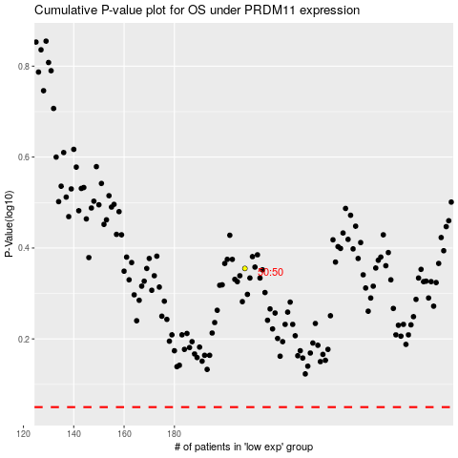

 |  |  |  |  |  | cases_OS | p_OS | rank | exp
 |  |  |  |  |  |  | cases_RFS | p_RFS | rank | exp

