PRDM5 _multivariate
Reported by Tex Li-Hsing Chi. tex@gate.sinica.edu.tw 2019-08-16

Table 2. The clinicopathological features of HNSCC cohort and PRDM5 expression. (Chi square test)
Cutoff at -0.217 (49.8%)
 |  | PRDM5 expression |  | PRDM5 expression |  | (Optimised)
 | Features | Low | (%) | High | (%) | Case no | P-value | Remark | Matthews
Gender | Female | 158 | 38.1 | 148 | 35.7 | 415 | 0.2774 | 0 | 0
2 | Male | 49 | 11.8 | 60 | 14.5
Age at diagnosis | <=65y | 146 | 35.2 | 128 | 30.8 | 415 | 0.0672 | 0 | 0
4 | >65y | 61 | 14.7 | 80 | 19.3
Clinical T Status | T1+T2 | 77 | 18.6 | 72 | 17.3 | 415 | 0.6556 | 0 | 0
6 | T3+T4 | 130 | 31.3 | 136 | 32.8
Clinical N Status | N0 | 105 | 25.3 | 111 | 26.7 | 415 | 0.6598 | 0 | 0
8 | N1-3 | 102 | 24.6 | 97 | 23.4
Clinical M Status | M0 | 204 | 49.2 | 208 | 50.1 | 415 | 0.1232 | 0 | 0
10 | M1 | 3 | 0.7 | 0 | 0
Clinical Stage | Stage I+II | 46 | 11.1 | 56 | 13.5 | 415 | 0.3182 | 0 | 0
12 | Stage III+IV | 161 | 38.8 | 152 | 36.6
Surgical Margin status | Negative | 163 | 39.3 | 155 | 37.3 | 415 | 0.3537 | 0 | 0
14 | Positive | 44 | 10.6 | 53 | 12.8
Tobacco Exposure | Low | 84 | 20.2 | 77 | 18.6 | 415 | 0.4816 | 0 | 0
16 | High | 123 | 29.6 | 131 | 31.6

Table 3. Univariate/Multivariate Cox's proportional hazards regression analyses on OS time of PRDM5 gene expression in HNSCC

 |  | Univariate |  |  |  | Multivariate
 | Features | HR | CI95%(L) | CI95%(H) | P-value | HR | CI95%(L) | CI95%(H) | P-value
1 | Female | 1 |  |  |  | 1
Gender | Male | 1.157 | 0.843 | 1.587 | 0.367 | 1.198 | 0.857 | 1.673 | 0.291
11 | <=65y | 1 |  |  |  | 1
Age at diagnosis | >65y | 1.329 | 0.99 | 1.784 | 0.058 | 1.368 | 1.005 | 1.863 | 0.047
12 | T1+T2 | 1 |  |  |  | 1
Clinical T Status | T3+T4 | 1.409 | 1.028 | 1.931 | 0.033 | 2.155 | 1.139 | 4.08 | 0.018
13 | N0 | 1 |  |  |  | 1
Clinical N Status | N1-3 | 1.185 | 0.89 | 1.577 | 0.246 | 1.236 | 0.866 | 1.764 | 0.243
14 | M0 | 1 |  |  |  | 1
Clinical M Status | M1 | 4.097 | 1.009 | 16.644 | 0.049 | 9.935 | 2.158 | 45.738 | 0.003
15 | Stage I+II | 1 |  |  |  | 1
Clinical Stage | Stage III+IV | 1.245 | 0.882 | 1.759 | 0.213 | 0.523 | 0.243 | 1.126 | 0.098
16 | Negative | 1 |  |  |  | 1
Surgical Margin status | Positive | 1.591 | 1.155 | 2.191 | 0.004 | 1.667 | 1.206 | 2.304 | 0.002
17 | Low | 1 |  |  |  | 1
Tobacco Exposure | High | 1.364 | 1.008 | 1.844 | 0.044 | 1.451 | 1.054 | 1.999 | 0.023
18 | Low | 1 |  |  |  | 1
RNAseq(z-score) | High | 1.212 | 0.908 | 1.617 | 0.192 | 1.166 | 0.868 | 1.564 | 0.307

Table 4. Univariate/Multivariate Cox's proportional hazards regression analyses on RFS time of PRDM5 gene expression in HNSCC

 |  | Univariate |  |  |  | Multivariate
 | Features | HR | CI95%(L) | CI95%(H) | P-value | HR | CI95%(L) | CI95%(H) | P-value
1 | Female | 1 |  |  |  | 1
Gender | Male | 1.157 | 0.843 | 1.587 | 0.367 | 1.198 | 0.857 | 1.673 | 0.291
11 | <=65y | 1 |  |  |  | 1
Age at diagnosis | >65y | 1.329 | 0.99 | 1.784 | 0.058 | 1.368 | 1.005 | 1.863 | 0.047
12 | T1+T2 | 1 |  |  |  | 1
Clinical T Status | T3+T4 | 1.409 | 1.028 | 1.931 | 0.033 | 2.155 | 1.139 | 4.08 | 0.018
13 | N0 | 1 |  |  |  | 1
Clinical N Status | N1-3 | 1.185 | 0.89 | 1.577 | 0.246 | 1.236 | 0.866 | 1.764 | 0.243
14 | M0 | 1 |  |  |  | 1
Clinical M Status | M1 | 4.097 | 1.009 | 16.644 | 0.049 | 9.935 | 2.158 | 45.738 | 0.003
15 | Stage I+II | 1 |  |  |  | 1
Clinical Stage | Stage III+IV | 1.245 | 0.882 | 1.759 | 0.213 | 0.523 | 0.243 | 1.126 | 0.098
16 | Negative | 1 |  |  |  | 1
Surgical Margin status | Positive | 1.591 | 1.155 | 2.191 | 0.004 | 1.667 | 1.206 | 2.304 | 0.002
17 | Low | 1 |  |  |  | 1
Tobacco Exposure | High | 1.364 | 1.008 | 1.844 | 0.044 | 1.451 | 1.054 | 1.999 | 0.023
18 | Low | 1 |  |  |  | 1
RNAseq(z-score) | High | 1.212 | 0.908 | 1.617 | 0.192 | 1.166 | 0.868 | 1.564 | 0.307

Kaplan-Meier survival estimate: Cutoff at -0.217 (49.8%)



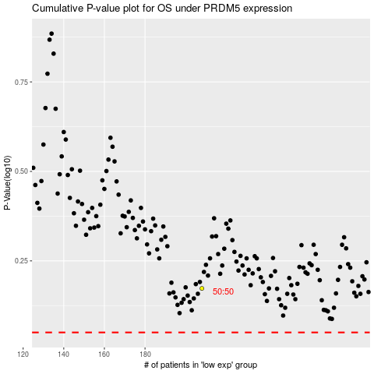

 |  |  |  |  |  | cases_OS | p_OS | rank | exp
 |  |  |  |  |  |  | cases_RFS | p_RFS | rank | exp

