PRDM8 _multivariate
Reported by Tex Li-Hsing Chi. tex@gate.sinica.edu.tw 2019-08-16

Table 2. The clinicopathological features of HNSCC cohort and PRDM8 expression. (Chi square test)
Cutoff at -0.212 (49.8%)
 |  | PRDM8 expression |  | PRDM8 expression |  | (Optimised)
 | Features | Low | (%) | High | (%) | Case no | P-value | Remark | Matthews
Gender | Female | 154 | 37.1 | 152 | 36.6 | 415 | 0.8463 | 0 | 0
2 | Male | 53 | 12.8 | 56 | 13.5
Age at diagnosis | <=65y | 140 | 33.7 | 134 | 32.3 | 415 | 0.5574 | 0 | 0
4 | >65y | 67 | 16.1 | 74 | 17.8
Clinical T Status | T1+T2 | 62 | 14.9 | 87 | 21 | 415 | 0.0156 | 1 | 0
6 | T3+T4 | 145 | 34.9 | 121 | 29.2
Clinical N Status | N0 | 110 | 26.5 | 106 | 25.5 | 415 | 0.7294 | 0 | 0
8 | N1-3 | 97 | 23.4 | 102 | 24.6
Clinical M Status | M0 | 205 | 49.4 | 207 | 49.9 | 415 | 0.6232 | 0 | 0
10 | M1 | 2 | 0.5 | 1 | 0.2
Clinical Stage | Stage I+II | 38 | 9.2 | 64 | 15.4 | 415 | 0.0048 | 1 | 0
12 | Stage III+IV | 169 | 40.7 | 144 | 34.7
Surgical Margin status | Negative | 159 | 38.3 | 159 | 38.3 | 415 | 1 | 0 | 0
14 | Positive | 48 | 11.6 | 49 | 11.8
Tobacco Exposure | Low | 71 | 17.1 | 90 | 21.7 | 415 | 0.0698 | 0 | 0
16 | High | 136 | 32.8 | 118 | 28.4

Table 3. Univariate/Multivariate Cox's proportional hazards regression analyses on OS time of PRDM8 gene expression in HNSCC

 |  | Univariate |  |  |  | Multivariate
 | Features | HR | CI95%(L) | CI95%(H) | P-value | HR | CI95%(L) | CI95%(H) | P-value
1 | Female | 1 |  |  |  | 1
Gender | Male | 1.157 | 0.843 | 1.587 | 0.367 | 1.201 | 0.86 | 1.677 | 0.284
11 | <=65y | 1 |  |  |  | 1
Age at diagnosis | >65y | 1.329 | 0.99 | 1.784 | 0.058 | 1.387 | 1.02 | 1.885 | 0.037
12 | T1+T2 | 1 |  |  |  | 1
Clinical T Status | T3+T4 | 1.409 | 1.028 | 1.931 | 0.033 | 2.197 | 1.162 | 4.153 | 0.015
13 | N0 | 1 |  |  |  | 1
Clinical N Status | N1-3 | 1.185 | 0.89 | 1.577 | 0.246 | 1.217 | 0.85 | 1.742 | 0.284
14 | M0 | 1 |  |  |  | 1
Clinical M Status | M1 | 4.097 | 1.009 | 16.644 | 0.049 | 9.462 | 2.064 | 43.386 | 0.004
15 | Stage I+II | 1 |  |  |  | 1
Clinical Stage | Stage III+IV | 1.245 | 0.882 | 1.759 | 0.213 | 0.526 | 0.243 | 1.138 | 0.103
16 | Negative | 1 |  |  |  | 1
Surgical Margin status | Positive | 1.591 | 1.155 | 2.191 | 0.004 | 1.665 | 1.205 | 2.3 | 0.002
17 | Low | 1 |  |  |  | 1
Tobacco Exposure | High | 1.364 | 1.008 | 1.844 | 0.044 | 1.461 | 1.06 | 2.013 | 0.02
18 | Low | 1 |  |  |  | 1
RNAseq(z-score) | High | 1.107 | 0.83 | 1.476 | 0.488 | 1.128 | 0.838 | 1.517 | 0.428

Table 4. Univariate/Multivariate Cox's proportional hazards regression analyses on RFS time of PRDM8 gene expression in HNSCC

 |  | Univariate |  |  |  | Multivariate
 | Features | HR | CI95%(L) | CI95%(H) | P-value | HR | CI95%(L) | CI95%(H) | P-value
1 | Female | 1 |  |  |  | 1
Gender | Male | 1.157 | 0.843 | 1.587 | 0.367 | 1.201 | 0.86 | 1.677 | 0.284
11 | <=65y | 1 |  |  |  | 1
Age at diagnosis | >65y | 1.329 | 0.99 | 1.784 | 0.058 | 1.387 | 1.02 | 1.885 | 0.037
12 | T1+T2 | 1 |  |  |  | 1
Clinical T Status | T3+T4 | 1.409 | 1.028 | 1.931 | 0.033 | 2.197 | 1.162 | 4.153 | 0.015
13 | N0 | 1 |  |  |  | 1
Clinical N Status | N1-3 | 1.185 | 0.89 | 1.577 | 0.246 | 1.217 | 0.85 | 1.742 | 0.284
14 | M0 | 1 |  |  |  | 1
Clinical M Status | M1 | 4.097 | 1.009 | 16.644 | 0.049 | 9.462 | 2.064 | 43.386 | 0.004
15 | Stage I+II | 1 |  |  |  | 1
Clinical Stage | Stage III+IV | 1.245 | 0.882 | 1.759 | 0.213 | 0.526 | 0.243 | 1.138 | 0.103
16 | Negative | 1 |  |  |  | 1
Surgical Margin status | Positive | 1.591 | 1.155 | 2.191 | 0.004 | 1.665 | 1.205 | 2.3 | 0.002
17 | Low | 1 |  |  |  | 1
Tobacco Exposure | High | 1.364 | 1.008 | 1.844 | 0.044 | 1.461 | 1.06 | 2.013 | 0.02
18 | Low | 1 |  |  |  | 1
RNAseq(z-score) | High | 1.107 | 0.83 | 1.476 | 0.488 | 1.128 | 0.838 | 1.517 | 0.428

Kaplan-Meier survival estimate: Cutoff at -0.212 (49.8%)



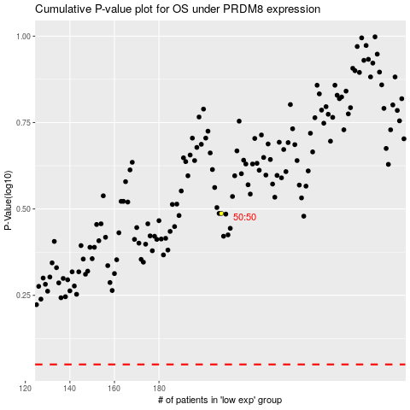

 |  |  |  |  |  | cases_OS | p_OS | rank | exp
 |  |  |  |  |  |  | cases_RFS | p_RFS | rank | exp

