PRDX4 _multivariate
Reported by Tex Li-Hsing Chi. tex@gate.sinica.edu.tw 2019-08-16

Table 2. The clinicopathological features of HNSCC cohort and PRDX4 expression. (Chi square test)
Cutoff at -0.231 (49.8%)
 |  | PRDX4 expression |  | PRDX4 expression |  | (Optimised)
 | Features | Low | (%) | High | (%) | Case no | P-value | Remark | Matthews
Gender | Female | 158 | 38.1 | 148 | 35.7 | 415 | 0.2774 | 0 | 0
2 | Male | 49 | 11.8 | 60 | 14.5
Age at diagnosis | <=65y | 137 | 33 | 137 | 33 | 415 | 1 | 0 | 0
4 | >65y | 70 | 16.9 | 71 | 17.1
Clinical T Status | T1+T2 | 75 | 18.1 | 74 | 17.8 | 415 | 0.9707 | 0 | 0
6 | T3+T4 | 132 | 31.8 | 134 | 32.3
Clinical N Status | N0 | 108 | 26 | 108 | 26 | 415 | 1 | 0 | 0
8 | N1-3 | 99 | 23.9 | 100 | 24.1
Clinical M Status | M0 | 207 | 49.9 | 205 | 49.4 | 415 | 0.2482 | 0 | 0
10 | M1 | 0 | 0 | 3 | 0.7
Clinical Stage | Stage I+II | 52 | 12.5 | 50 | 12 | 415 | 0.8871 | 0 | 0
12 | Stage III+IV | 155 | 37.3 | 158 | 38.1
Surgical Margin status | Negative | 159 | 38.3 | 159 | 38.3 | 415 | 1 | 0 | 0
14 | Positive | 48 | 11.6 | 49 | 11.8
Tobacco Exposure | Low | 92 | 22.2 | 69 | 16.6 | 415 | 0.0206 | 1 | 0
16 | High | 115 | 27.7 | 139 | 33.5

Table 3. Univariate/Multivariate Cox's proportional hazards regression analyses on OS time of PRDX4 gene expression in HNSCC

 |  | Univariate |  |  |  | Multivariate
 | Features | HR | CI95%(L) | CI95%(H) | P-value | HR | CI95%(L) | CI95%(H) | P-value
1 | Female | 1 |  |  |  | 1
Gender | Male | 1.157 | 0.843 | 1.587 | 0.367 | 1.214 | 0.865 | 1.705 | 0.263
11 | <=65y | 1 |  |  |  | 1
Age at diagnosis | >65y | 1.329 | 0.99 | 1.784 | 0.058 | 1.393 | 1.025 | 1.894 | 0.034
12 | T1+T2 | 1 |  |  |  | 1
Clinical T Status | T3+T4 | 1.409 | 1.028 | 1.931 | 0.033 | 2.217 | 1.171 | 4.196 | 0.014
13 | N0 | 1 |  |  |  | 1
Clinical N Status | N1-3 | 1.185 | 0.89 | 1.577 | 0.246 | 1.246 | 0.873 | 1.78 | 0.226
14 | M0 | 1 |  |  |  | 1
Clinical M Status | M1 | 4.097 | 1.009 | 16.644 | 0.049 | 9.738 | 2.096 | 45.251 | 0.004
15 | Stage I+II | 1 |  |  |  | 1
Clinical Stage | Stage III+IV | 1.245 | 0.882 | 1.759 | 0.213 | 0.499 | 0.232 | 1.074 | 0.075
16 | Negative | 1 |  |  |  | 1
Surgical Margin status | Positive | 1.591 | 1.155 | 2.191 | 0.004 | 1.673 | 1.211 | 2.312 | 0.002
17 | Low | 1 |  |  |  | 1
Tobacco Exposure | High | 1.364 | 1.008 | 1.844 | 0.044 | 1.466 | 1.06 | 2.028 | 0.021
18 | Low | 1 |  |  |  | 1
RNAseq(z-score) | High | 1.065 | 0.799 | 1.42 | 0.668 | 0.95 | 0.705 | 1.279 | 0.736

Table 4. Univariate/Multivariate Cox's proportional hazards regression analyses on RFS time of PRDX4 gene expression in HNSCC

 |  | Univariate |  |  |  | Multivariate
 | Features | HR | CI95%(L) | CI95%(H) | P-value | HR | CI95%(L) | CI95%(H) | P-value
1 | Female | 1 |  |  |  | 1
Gender | Male | 1.157 | 0.843 | 1.587 | 0.367 | 1.214 | 0.865 | 1.705 | 0.263
11 | <=65y | 1 |  |  |  | 1
Age at diagnosis | >65y | 1.329 | 0.99 | 1.784 | 0.058 | 1.393 | 1.025 | 1.894 | 0.034
12 | T1+T2 | 1 |  |  |  | 1
Clinical T Status | T3+T4 | 1.409 | 1.028 | 1.931 | 0.033 | 2.217 | 1.171 | 4.196 | 0.014
13 | N0 | 1 |  |  |  | 1
Clinical N Status | N1-3 | 1.185 | 0.89 | 1.577 | 0.246 | 1.246 | 0.873 | 1.78 | 0.226
14 | M0 | 1 |  |  |  | 1
Clinical M Status | M1 | 4.097 | 1.009 | 16.644 | 0.049 | 9.738 | 2.096 | 45.251 | 0.004
15 | Stage I+II | 1 |  |  |  | 1
Clinical Stage | Stage III+IV | 1.245 | 0.882 | 1.759 | 0.213 | 0.499 | 0.232 | 1.074 | 0.075
16 | Negative | 1 |  |  |  | 1
Surgical Margin status | Positive | 1.591 | 1.155 | 2.191 | 0.004 | 1.673 | 1.211 | 2.312 | 0.002
17 | Low | 1 |  |  |  | 1
Tobacco Exposure | High | 1.364 | 1.008 | 1.844 | 0.044 | 1.466 | 1.06 | 2.028 | 0.021
18 | Low | 1 |  |  |  | 1
RNAseq(z-score) | High | 1.065 | 0.799 | 1.42 | 0.668 | 0.95 | 0.705 | 1.279 | 0.736

Kaplan-Meier survival estimate: Cutoff at -0.231 (49.8%)



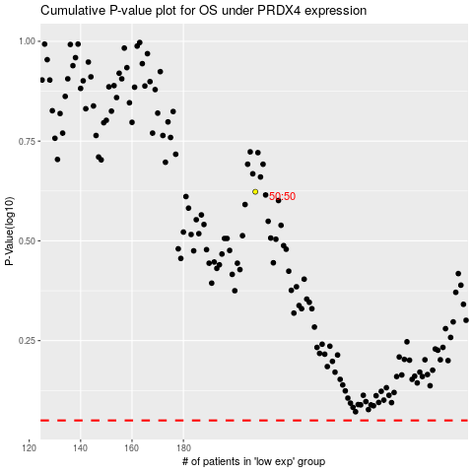

 |  |  |  |  |  | cases_OS | p_OS | rank | exp
 |  |  |  |  |  |  | cases_RFS | p_RFS | rank | exp

