PREB _multivariate
Reported by Tex Li-Hsing Chi. tex@gate.sinica.edu.tw 2019-08-16

Table 2. The clinicopathological features of HNSCC cohort and PREB expression. (Chi square test)
Cutoff at -0.211 (50.0%)
 |  | PREB expression |  | PREB expression |  | (Optimised)
 | Features | Low | (%) | High | (%) | Case no | P-value | Remark | Matthews
Gender | Female | 146 | 35.2 | 160 | 38.6 | 415 | 0.1714 | 0 | 0
2 | Male | 61 | 14.7 | 48 | 11.6
Age at diagnosis | <=65y | 135 | 32.5 | 139 | 33.5 | 415 | 0.8084 | 0 | 0
4 | >65y | 72 | 17.3 | 69 | 16.6
Clinical T Status | T1+T2 | 82 | 19.8 | 67 | 16.1 | 415 | 0.1417 | 0 | 0
6 | T3+T4 | 125 | 30.1 | 141 | 34
Clinical N Status | N0 | 110 | 26.5 | 106 | 25.5 | 415 | 0.7294 | 0 | 0
8 | N1-3 | 97 | 23.4 | 102 | 24.6
Clinical M Status | M0 | 206 | 49.6 | 206 | 49.6 | 415 | 1 | 0 | 0
10 | M1 | 1 | 0.2 | 2 | 0.5
Clinical Stage | Stage I+II | 54 | 13 | 48 | 11.6 | 415 | 0.5498 | 0 | 0
12 | Stage III+IV | 153 | 36.9 | 160 | 38.6
Surgical Margin status | Negative | 158 | 38.1 | 160 | 38.6 | 415 | 0.9081 | 0 | 0
14 | Positive | 49 | 11.8 | 48 | 11.6
Tobacco Exposure | Low | 91 | 21.9 | 70 | 16.9 | 415 | 0.0346 | 1 | 0
16 | High | 116 | 28 | 138 | 33.3

Table 3. Univariate/Multivariate Cox's proportional hazards regression analyses on OS time of PREB gene expression in HNSCC

 |  | Univariate |  |  |  | Multivariate
 | Features | HR | CI95%(L) | CI95%(H) | P-value | HR | CI95%(L) | CI95%(H) | P-value
1 | Female | 1 |  |  |  | 1
Gender | Male | 1.157 | 0.843 | 1.587 | 0.367 | 1.198 | 0.857 | 1.675 | 0.29
11 | <=65y | 1 |  |  |  | 1
Age at diagnosis | >65y | 1.329 | 0.99 | 1.784 | 0.058 | 1.392 | 1.024 | 1.892 | 0.035
12 | T1+T2 | 1 |  |  |  | 1
Clinical T Status | T3+T4 | 1.409 | 1.028 | 1.931 | 0.033 | 2.172 | 1.147 | 4.114 | 0.017
13 | N0 | 1 |  |  |  | 1
Clinical N Status | N1-3 | 1.185 | 0.89 | 1.577 | 0.246 | 1.237 | 0.867 | 1.765 | 0.242
14 | M0 | 1 |  |  |  | 1
Clinical M Status | M1 | 4.097 | 1.009 | 16.644 | 0.049 | 9.064 | 1.966 | 41.785 | 0.005
15 | Stage I+II | 1 |  |  |  | 1
Clinical Stage | Stage III+IV | 1.245 | 0.882 | 1.759 | 0.213 | 0.512 | 0.238 | 1.1 | 0.086
16 | Negative | 1 |  |  |  | 1
Surgical Margin status | Positive | 1.591 | 1.155 | 2.191 | 0.004 | 1.668 | 1.207 | 2.304 | 0.002
17 | Low | 1 |  |  |  | 1
Tobacco Exposure | High | 1.364 | 1.008 | 1.844 | 0.044 | 1.442 | 1.046 | 1.989 | 0.026
18 | Low | 1 |  |  |  | 1
RNAseq(z-score) | High | 1.177 | 0.883 | 1.567 | 0.266 | 1.085 | 0.812 | 1.449 | 0.581

Table 4. Univariate/Multivariate Cox's proportional hazards regression analyses on RFS time of PREB gene expression in HNSCC

 |  | Univariate |  |  |  | Multivariate
 | Features | HR | CI95%(L) | CI95%(H) | P-value | HR | CI95%(L) | CI95%(H) | P-value
1 | Female | 1 |  |  |  | 1
Gender | Male | 1.157 | 0.843 | 1.587 | 0.367 | 1.198 | 0.857 | 1.675 | 0.29
11 | <=65y | 1 |  |  |  | 1
Age at diagnosis | >65y | 1.329 | 0.99 | 1.784 | 0.058 | 1.392 | 1.024 | 1.892 | 0.035
12 | T1+T2 | 1 |  |  |  | 1
Clinical T Status | T3+T4 | 1.409 | 1.028 | 1.931 | 0.033 | 2.172 | 1.147 | 4.114 | 0.017
13 | N0 | 1 |  |  |  | 1
Clinical N Status | N1-3 | 1.185 | 0.89 | 1.577 | 0.246 | 1.237 | 0.867 | 1.765 | 0.242
14 | M0 | 1 |  |  |  | 1
Clinical M Status | M1 | 4.097 | 1.009 | 16.644 | 0.049 | 9.064 | 1.966 | 41.785 | 0.005
15 | Stage I+II | 1 |  |  |  | 1
Clinical Stage | Stage III+IV | 1.245 | 0.882 | 1.759 | 0.213 | 0.512 | 0.238 | 1.1 | 0.086
16 | Negative | 1 |  |  |  | 1
Surgical Margin status | Positive | 1.591 | 1.155 | 2.191 | 0.004 | 1.668 | 1.207 | 2.304 | 0.002
17 | Low | 1 |  |  |  | 1
Tobacco Exposure | High | 1.364 | 1.008 | 1.844 | 0.044 | 1.442 | 1.046 | 1.989 | 0.026
18 | Low | 1 |  |  |  | 1
RNAseq(z-score) | High | 1.177 | 0.883 | 1.567 | 0.266 | 1.085 | 0.812 | 1.449 | 0.581

Kaplan-Meier survival estimate: Cutoff at -0.211 (50.0%)



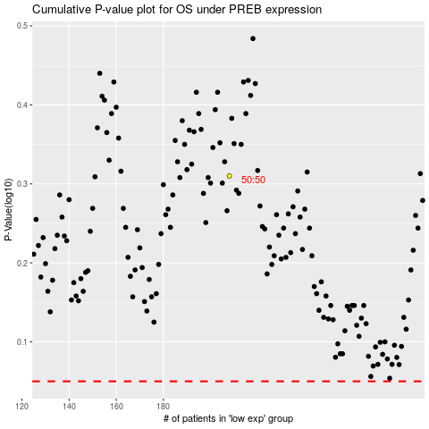

 |  |  |  |  |  | cases_OS | p_OS | rank | exp
 |  |  |  |  |  |  | cases_RFS | p_RFS | rank | exp

