PRELID1 _multivariate
Reported by Tex Li-Hsing Chi. tex@gate.sinica.edu.tw 2019-08-16

Table 2. The clinicopathological features of HNSCC cohort and PRELID1 expression. (Chi square test)
Cutoff at -0.225 (50.0%)
 |  | PRELID1 expression |  | PRELID1 expression |  | (Optimised)
 | Features | Low | (%) | High | (%) | Case no | P-value | Remark | Matthews
Gender | Female | 163 | 39.3 | 143 | 34.5 | 415 | 0.0277 | 1 | 0
2 | Male | 44 | 10.6 | 65 | 15.7
Age at diagnosis | <=65y | 144 | 34.7 | 130 | 31.3 | 415 | 0.1568 | 0 | 0
4 | >65y | 63 | 15.2 | 78 | 18.8
Clinical T Status | T1+T2 | 74 | 17.8 | 75 | 18.1 | 415 | 1 | 0 | 0
6 | T3+T4 | 133 | 32 | 133 | 32
Clinical N Status | N0 | 101 | 24.3 | 115 | 27.7 | 415 | 0.2201 | 0 | 0
8 | N1-3 | 106 | 25.5 | 93 | 22.4
Clinical M Status | M0 | 207 | 49.9 | 205 | 49.4 | 415 | 0.2482 | 0 | 0
10 | M1 | 0 | 0 | 3 | 0.7
Clinical Stage | Stage I+II | 49 | 11.8 | 53 | 12.8 | 415 | 0.7535 | 0 | 0
12 | Stage III+IV | 158 | 38.1 | 155 | 37.3
Surgical Margin status | Negative | 160 | 38.6 | 158 | 38.1 | 415 | 0.8167 | 0 | 0
14 | Positive | 47 | 11.3 | 50 | 12
Tobacco Exposure | Low | 75 | 18.1 | 86 | 20.7 | 415 | 0.3141 | 0 | 0
16 | High | 132 | 31.8 | 122 | 29.4

Table 3. Univariate/Multivariate Cox's proportional hazards regression analyses on OS time of PRELID1 gene expression in HNSCC

 |  | Univariate |  |  |  | Multivariate
 | Features | HR | CI95%(L) | CI95%(H) | P-value | HR | CI95%(L) | CI95%(H) | P-value
1 | Female | 1 |  |  |  | 1
Gender | Male | 1.157 | 0.843 | 1.587 | 0.367 | 1.197 | 0.855 | 1.677 | 0.295
11 | <=65y | 1 |  |  |  | 1
Age at diagnosis | >65y | 1.329 | 0.99 | 1.784 | 0.058 | 1.389 | 1.021 | 1.89 | 0.036
12 | T1+T2 | 1 |  |  |  | 1
Clinical T Status | T3+T4 | 1.409 | 1.028 | 1.931 | 0.033 | 2.199 | 1.163 | 4.159 | 0.015
13 | N0 | 1 |  |  |  | 1
Clinical N Status | N1-3 | 1.185 | 0.89 | 1.577 | 0.246 | 1.243 | 0.871 | 1.773 | 0.231
14 | M0 | 1 |  |  |  | 1
Clinical M Status | M1 | 4.097 | 1.009 | 16.644 | 0.049 | 9.244 | 1.993 | 42.873 | 0.004
15 | Stage I+II | 1 |  |  |  | 1
Clinical Stage | Stage III+IV | 1.245 | 0.882 | 1.759 | 0.213 | 0.506 | 0.236 | 1.088 | 0.081
16 | Negative | 1 |  |  |  | 1
Surgical Margin status | Positive | 1.591 | 1.155 | 2.191 | 0.004 | 1.666 | 1.204 | 2.306 | 0.002
17 | Low | 1 |  |  |  | 1
Tobacco Exposure | High | 1.364 | 1.008 | 1.844 | 0.044 | 1.455 | 1.056 | 2.006 | 0.022
18 | Low | 1 |  |  |  | 1
RNAseq(z-score) | High | 1.095 | 0.822 | 1.458 | 0.535 | 1.028 | 0.763 | 1.383 | 0.858

Table 4. Univariate/Multivariate Cox's proportional hazards regression analyses on RFS time of PRELID1 gene expression in HNSCC

 |  | Univariate |  |  |  | Multivariate
 | Features | HR | CI95%(L) | CI95%(H) | P-value | HR | CI95%(L) | CI95%(H) | P-value
1 | Female | 1 |  |  |  | 1
Gender | Male | 1.157 | 0.843 | 1.587 | 0.367 | 1.197 | 0.855 | 1.677 | 0.295
11 | <=65y | 1 |  |  |  | 1
Age at diagnosis | >65y | 1.329 | 0.99 | 1.784 | 0.058 | 1.389 | 1.021 | 1.89 | 0.036
12 | T1+T2 | 1 |  |  |  | 1
Clinical T Status | T3+T4 | 1.409 | 1.028 | 1.931 | 0.033 | 2.199 | 1.163 | 4.159 | 0.015
13 | N0 | 1 |  |  |  | 1
Clinical N Status | N1-3 | 1.185 | 0.89 | 1.577 | 0.246 | 1.243 | 0.871 | 1.773 | 0.231
14 | M0 | 1 |  |  |  | 1
Clinical M Status | M1 | 4.097 | 1.009 | 16.644 | 0.049 | 9.244 | 1.993 | 42.873 | 0.004
15 | Stage I+II | 1 |  |  |  | 1
Clinical Stage | Stage III+IV | 1.245 | 0.882 | 1.759 | 0.213 | 0.506 | 0.236 | 1.088 | 0.081
16 | Negative | 1 |  |  |  | 1
Surgical Margin status | Positive | 1.591 | 1.155 | 2.191 | 0.004 | 1.666 | 1.204 | 2.306 | 0.002
17 | Low | 1 |  |  |  | 1
Tobacco Exposure | High | 1.364 | 1.008 | 1.844 | 0.044 | 1.455 | 1.056 | 2.006 | 0.022
18 | Low | 1 |  |  |  | 1
RNAseq(z-score) | High | 1.095 | 0.822 | 1.458 | 0.535 | 1.028 | 0.763 | 1.383 | 0.858

Kaplan-Meier survival estimate: Cutoff at -0.225 (50.0%)



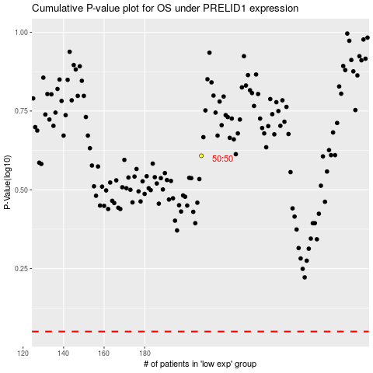

 |  |  |  |  |  | cases_OS | p_OS | rank | exp
 |  |  |  |  |  |  | cases_RFS | p_RFS | rank | exp

