PREP _multivariate
Reported by Tex Li-Hsing Chi. tex@gate.sinica.edu.tw 2019-08-16

Table 2. The clinicopathological features of HNSCC cohort and PREP expression. (Chi square test)
Cutoff at 0.378 (65.9%)
 |  | PREP expression |  | PREP expression |  | (Optimised)
 | Features | Low | (%) | High | (%) | Case no | P-value | Remark | Matthews
Gender | Female | 207 | 49.9 | 99 | 23.9 | 415 | 0.2212 | 0 | 0
2 | Male | 66 | 15.9 | 43 | 10.4
Age at diagnosis | <=65y | 181 | 43.6 | 93 | 22.4 | 415 | 0.9557 | 0 | 0
4 | >65y | 92 | 22.2 | 49 | 11.8
Clinical T Status | T1+T2 | 107 | 25.8 | 42 | 10.1 | 415 | 0.0673 | 0 | 0
6 | T3+T4 | 166 | 40 | 100 | 24.1
Clinical N Status | N0 | 139 | 33.5 | 77 | 18.6 | 415 | 0.5915 | 0 | 0
8 | N1-3 | 134 | 32.3 | 65 | 15.7
Clinical M Status | M0 | 271 | 65.3 | 141 | 34 | 415 | 1 | 0 | 0
10 | M1 | 2 | 0.5 | 1 | 0.2
Clinical Stage | Stage I+II | 69 | 16.6 | 33 | 8 | 415 | 0.7363 | 0 | 0
12 | Stage III+IV | 204 | 49.2 | 109 | 26.3
Surgical Margin status | Negative | 211 | 50.8 | 107 | 25.8 | 415 | 0.714 | 0 | 0
14 | Positive | 62 | 14.9 | 35 | 8.4
Tobacco Exposure | Low | 106 | 25.5 | 55 | 13.3 | 415 | 1 | 0 | 0
16 | High | 167 | 40.2 | 87 | 21

Table 3. Univariate/Multivariate Cox's proportional hazards regression analyses on OS time of PREP gene expression in HNSCC

 |  | Univariate |  |  |  | Multivariate
 | Features | HR | CI95%(L) | CI95%(H) | P-value | HR | CI95%(L) | CI95%(H) | P-value
1 | Female | 1 |  |  |  | 1
Gender | Male | 1.157 | 0.843 | 1.587 | 0.367 | 1.156 | 0.827 | 1.617 | 0.396
11 | <=65y | 1 |  |  |  | 1
Age at diagnosis | >65y | 1.329 | 0.99 | 1.784 | 0.058 | 1.415 | 1.039 | 1.927 | 0.028
12 | T1+T2 | 1 |  |  |  | 1
Clinical T Status | T3+T4 | 1.409 | 1.028 | 1.931 | 0.033 | 2.089 | 1.102 | 3.961 | 0.024
13 | N0 | 1 |  |  |  | 1
Clinical N Status | N1-3 | 1.185 | 0.89 | 1.577 | 0.246 | 1.255 | 0.88 | 1.791 | 0.21
14 | M0 | 1 |  |  |  | 1
Clinical M Status | M1 | 4.097 | 1.009 | 16.644 | 0.049 | 8.788 | 1.914 | 40.348 | 0.005
15 | Stage I+II | 1 |  |  |  | 1
Clinical Stage | Stage III+IV | 1.245 | 0.882 | 1.759 | 0.213 | 0.517 | 0.241 | 1.109 | 0.09
16 | Negative | 1 |  |  |  | 1
Surgical Margin status | Positive | 1.591 | 1.155 | 2.191 | 0.004 | 1.68 | 1.215 | 2.323 | 0.002
17 | Low | 1 |  |  |  | 1
Tobacco Exposure | High | 1.364 | 1.008 | 1.844 | 0.044 | 1.452 | 1.053 | 2.002 | 0.023
18 | Low | 1 |  |  |  | 1
RNAseq(z-score) | High | 1.408 | 1.048 | 1.892 | 0.023 | 1.378 | 1.022 | 1.86 | 0.036

Table 4. Univariate/Multivariate Cox's proportional hazards regression analyses on RFS time of PREP gene expression in HNSCC

 |  | Univariate |  |  |  | Multivariate
 | Features | HR | CI95%(L) | CI95%(H) | P-value | HR | CI95%(L) | CI95%(H) | P-value
1 | Female | 1 |  |  |  | 1
Gender | Male | 1.157 | 0.843 | 1.587 | 0.367 | 1.156 | 0.827 | 1.617 | 0.396
11 | <=65y | 1 |  |  |  | 1
Age at diagnosis | >65y | 1.329 | 0.99 | 1.784 | 0.058 | 1.415 | 1.039 | 1.927 | 0.028
12 | T1+T2 | 1 |  |  |  | 1
Clinical T Status | T3+T4 | 1.409 | 1.028 | 1.931 | 0.033 | 2.089 | 1.102 | 3.961 | 0.024
13 | N0 | 1 |  |  |  | 1
Clinical N Status | N1-3 | 1.185 | 0.89 | 1.577 | 0.246 | 1.255 | 0.88 | 1.791 | 0.21
14 | M0 | 1 |  |  |  | 1
Clinical M Status | M1 | 4.097 | 1.009 | 16.644 | 0.049 | 8.788 | 1.914 | 40.348 | 0.005
15 | Stage I+II | 1 |  |  |  | 1
Clinical Stage | Stage III+IV | 1.245 | 0.882 | 1.759 | 0.213 | 0.517 | 0.241 | 1.109 | 0.09
16 | Negative | 1 |  |  |  | 1
Surgical Margin status | Positive | 1.591 | 1.155 | 2.191 | 0.004 | 1.68 | 1.215 | 2.323 | 0.002
17 | Low | 1 |  |  |  | 1
Tobacco Exposure | High | 1.364 | 1.008 | 1.844 | 0.044 | 1.452 | 1.053 | 2.002 | 0.023
18 | Low | 1 |  |  |  | 1
RNAseq(z-score) | High | 1.408 | 1.048 | 1.892 | 0.023 | 1.378 | 1.022 | 1.86 | 0.036

Kaplan-Meier survival estimate: Cutoff at 0.378 (65.9%)

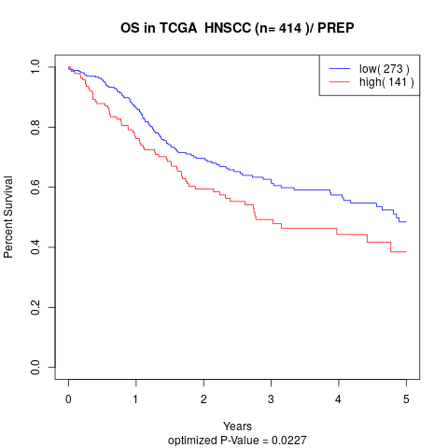

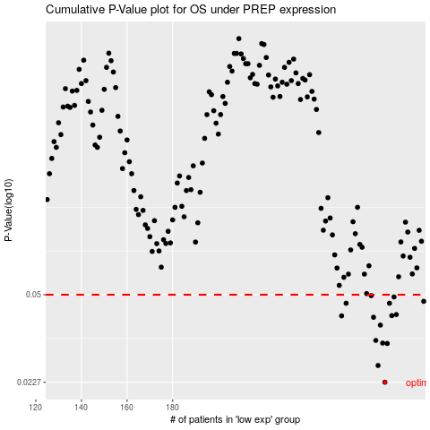

 |  |  |  |  |  | cases_OS | p_OS | rank | exp
 |  |  |  |  |  | 273 | 0.0227 | 159 | 0.37807652078
 |  |  |  |  |  | 270 | 0.0264 | 210 | 0.37418775448
 |  |  |  |  |  | 274 | 0.0322 | 124 | 0.38006285835
 |  |  |  |  |  | 272 | 0.0323 | 396 | 0.376365424
 |  |  |  |  |  | 269 | 0.0331 | 350 | 0.37304817838
 |  |  |  |  |  | 271 | 0.038 | 376 | 0.37631394012
 |  |  |  |  |  | 268 | 0.0408 | 392 | 0.36609834831
 |  |  |  |  |  | 254 | 0.0413 | 198 | 0.31288380788
 |  |  |  |  |  | 276 | 0.0414 | 87 | 0.38678794144
 |  |  |  |  |  | 278 | 0.0418 | 264 | 0.41100715124
 |  |  |  |  |  | 256 | 0.0463 | 137 | 0.32616541382
 |  |  |  |  |  | 275 | 0.0463 | 147 | 0.38469145805
 |  |  |  |  |  | 290 | 0.0471 | 369 | 0.48780626352
 |  |  |  |  |  | 277 | 0.049 | 330 | 0.39598449875
 |  |  |  |  |  | 267 | 0.0496 | 234 | 0.36500679084
 |  |  |  |  |  |  | cases_RFS | p_RFS | rank | exp
 |  |  |  |  |  |  | 272 | 0.0227 | 396 | 0.376365424
 |  |  |  |  |  |  | 269 | 0.0264 | 350 | 0.37304817838
 |  |  |  |  |  |  | 273 | 0.0322 | 159 | 0.37807652078
 |  |  |  |  |  |  | 271 | 0.0323 | 376 | 0.37631394012
 |  |  |  |  |  |  | 268 | 0.0331 | 392 | 0.36609834831
 |  |  |  |  |  |  | 270 | 0.038 | 210 | 0.37418775448
 |  |  |  |  |  |  | 267 | 0.0408 | 234 | 0.36500679084
 |  |  |  |  |  |  | 253 | 0.0413 | 282 | 0.31044748131
 |  |  |  |  |  |  | 275 | 0.0414 | 147 | 0.38469145805
 |  |  |  |  |  |  | 277 | 0.0418 | 330 | 0.39598449875
 |  |  |  |  |  |  | 274 | 0.0463 | 124 | 0.38006285835
 |  |  |  |  |  |  | 255 | 0.0463 | 151 | 0.32379864001
 |  |  |  |  |  |  | 289 | 0.0471 | 219 | 0.47812605466
 |  |  |  |  |  |  | 276 | 0.049 | 87 | 0.38678794144
 |  |  |  |  |  |  | 266 | 0.0496 | 50 | 0.36246304116

