PREPL _multivariate
Reported by Tex Li-Hsing Chi. tex@gate.sinica.edu.tw 2019-08-16

Table 2. The clinicopathological features of HNSCC cohort and PREPL expression. (Chi square test)
Cutoff at -0.157 (50.0%)
 |  | PREPL expression |  | PREPL expression |  | (Optimised)
 | Features | Low | (%) | High | (%) | Case no | P-value | Remark | Matthews
Gender | Female | 147 | 35.4 | 159 | 38.3 | 415 | 0.2523 | 0 | 0
2 | Male | 60 | 14.5 | 49 | 11.8
Age at diagnosis | <=65y | 128 | 30.8 | 146 | 35.2 | 415 | 0.0904 | 0 | 0
4 | >65y | 79 | 19 | 62 | 14.9
Clinical T Status | T1+T2 | 73 | 17.6 | 76 | 18.3 | 415 | 0.8666 | 0 | 0
6 | T3+T4 | 134 | 32.3 | 132 | 31.8
Clinical N Status | N0 | 111 | 26.7 | 105 | 25.3 | 415 | 0.5875 | 0 | 0
8 | N1-3 | 96 | 23.1 | 103 | 24.8
Clinical M Status | M0 | 204 | 49.2 | 208 | 50.1 | 415 | 0.1232 | 0 | 0
10 | M1 | 3 | 0.7 | 0 | 0
Clinical Stage | Stage I+II | 50 | 12 | 52 | 12.5 | 415 | 0.9315 | 0 | 0
12 | Stage III+IV | 157 | 37.8 | 156 | 37.6
Surgical Margin status | Negative | 155 | 37.3 | 163 | 39.3 | 415 | 0.4187 | 0 | 0
14 | Positive | 52 | 12.5 | 45 | 10.8
Tobacco Exposure | Low | 84 | 20.2 | 77 | 18.6 | 415 | 0.4816 | 0 | 0
16 | High | 123 | 29.6 | 131 | 31.6

Table 3. Univariate/Multivariate Cox's proportional hazards regression analyses on OS time of PREPL gene expression in HNSCC

 |  | Univariate |  |  |  | Multivariate
 | Features | HR | CI95%(L) | CI95%(H) | P-value | HR | CI95%(L) | CI95%(H) | P-value
1 | Female | 1 |  |  |  | 1
Gender | Male | 1.157 | 0.843 | 1.587 | 0.367 | 1.225 | 0.876 | 1.713 | 0.235
11 | <=65y | 1 |  |  |  | 1
Age at diagnosis | >65y | 1.329 | 0.99 | 1.784 | 0.058 | 1.425 | 1.046 | 1.94 | 0.025
12 | T1+T2 | 1 |  |  |  | 1
Clinical T Status | T3+T4 | 1.409 | 1.028 | 1.931 | 0.033 | 2.217 | 1.172 | 4.193 | 0.014
13 | N0 | 1 |  |  |  | 1
Clinical N Status | N1-3 | 1.185 | 0.89 | 1.577 | 0.246 | 1.221 | 0.855 | 1.743 | 0.272
14 | M0 | 1 |  |  |  | 1
Clinical M Status | M1 | 4.097 | 1.009 | 16.644 | 0.049 | 10.657 | 2.297 | 49.446 | 0.003
15 | Stage I+II | 1 |  |  |  | 1
Clinical Stage | Stage III+IV | 1.245 | 0.882 | 1.759 | 0.213 | 0.505 | 0.235 | 1.083 | 0.079
16 | Negative | 1 |  |  |  | 1
Surgical Margin status | Positive | 1.591 | 1.155 | 2.191 | 0.004 | 1.701 | 1.229 | 2.353 | 0.001
17 | Low | 1 |  |  |  | 1
Tobacco Exposure | High | 1.364 | 1.008 | 1.844 | 0.044 | 1.463 | 1.063 | 2.015 | 0.02
18 | Low | 1 |  |  |  | 1
RNAseq(z-score) | High | 1.086 | 0.814 | 1.448 | 0.576 | 1.222 | 0.909 | 1.643 | 0.184

Table 4. Univariate/Multivariate Cox's proportional hazards regression analyses on RFS time of PREPL gene expression in HNSCC

 |  | Univariate |  |  |  | Multivariate
 | Features | HR | CI95%(L) | CI95%(H) | P-value | HR | CI95%(L) | CI95%(H) | P-value
1 | Female | 1 |  |  |  | 1
Gender | Male | 1.157 | 0.843 | 1.587 | 0.367 | 1.225 | 0.876 | 1.713 | 0.235
11 | <=65y | 1 |  |  |  | 1
Age at diagnosis | >65y | 1.329 | 0.99 | 1.784 | 0.058 | 1.425 | 1.046 | 1.94 | 0.025
12 | T1+T2 | 1 |  |  |  | 1
Clinical T Status | T3+T4 | 1.409 | 1.028 | 1.931 | 0.033 | 2.217 | 1.172 | 4.193 | 0.014
13 | N0 | 1 |  |  |  | 1
Clinical N Status | N1-3 | 1.185 | 0.89 | 1.577 | 0.246 | 1.221 | 0.855 | 1.743 | 0.272
14 | M0 | 1 |  |  |  | 1
Clinical M Status | M1 | 4.097 | 1.009 | 16.644 | 0.049 | 10.657 | 2.297 | 49.446 | 0.003
15 | Stage I+II | 1 |  |  |  | 1
Clinical Stage | Stage III+IV | 1.245 | 0.882 | 1.759 | 0.213 | 0.505 | 0.235 | 1.083 | 0.079
16 | Negative | 1 |  |  |  | 1
Surgical Margin status | Positive | 1.591 | 1.155 | 2.191 | 0.004 | 1.701 | 1.229 | 2.353 | 0.001
17 | Low | 1 |  |  |  | 1
Tobacco Exposure | High | 1.364 | 1.008 | 1.844 | 0.044 | 1.463 | 1.063 | 2.015 | 0.02
18 | Low | 1 |  |  |  | 1
RNAseq(z-score) | High | 1.086 | 0.814 | 1.448 | 0.576 | 1.222 | 0.909 | 1.643 | 0.184

Kaplan-Meier survival estimate: Cutoff at -0.157 (50.0%)



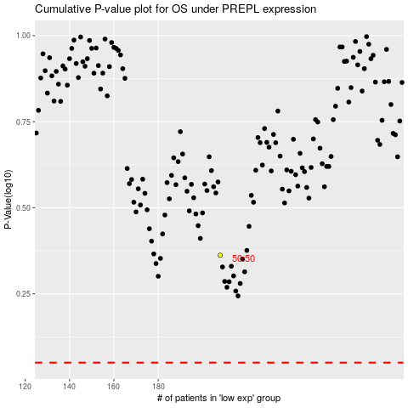

 |  |  |  |  |  | cases_OS | p_OS | rank | exp
 |  |  |  |  |  |  | cases_RFS | p_RFS | rank | exp

