PRG4 _multivariate
Reported by Tex Li-Hsing Chi. tex@gate.sinica.edu.tw 2019-08-16

Table 2. The clinicopathological features of HNSCC cohort and PRG4 expression. (Chi square test)
Cutoff at -0.122 (49.8%)
 |  | PRG4 expression |  | PRG4 expression |  | (Optimised)
 | Features | Low | (%) | High | (%) | Case no | P-value | Remark | Matthews
Gender | Female | 158 | 38.1 | 148 | 35.7 | 415 | 0.2774 | 0 | 0
2 | Male | 49 | 11.8 | 60 | 14.5
Age at diagnosis | <=65y | 132 | 31.8 | 142 | 34.2 | 415 | 0.3874 | 0 | 0
4 | >65y | 75 | 18.1 | 66 | 15.9
Clinical T Status | T1+T2 | 62 | 14.9 | 87 | 21 | 415 | 0.0156 | 1 | 0
6 | T3+T4 | 145 | 34.9 | 121 | 29.2
Clinical N Status | N0 | 112 | 27 | 104 | 25.1 | 415 | 0.4599 | 0 | 0
8 | N1-3 | 95 | 22.9 | 104 | 25.1
Clinical M Status | M0 | 205 | 49.4 | 207 | 49.9 | 415 | 0.6232 | 0 | 0
10 | M1 | 2 | 0.5 | 1 | 0.2
Clinical Stage | Stage I+II | 40 | 9.6 | 62 | 14.9 | 415 | 0.018 | 1 | 0
12 | Stage III+IV | 167 | 40.2 | 146 | 35.2
Surgical Margin status | Negative | 158 | 38.1 | 160 | 38.6 | 415 | 0.9081 | 0 | 0
14 | Positive | 49 | 11.8 | 48 | 11.6
Tobacco Exposure | Low | 83 | 20 | 78 | 18.8 | 415 | 0.6152 | 0 | 0
16 | High | 124 | 29.9 | 130 | 31.3

Table 3. Univariate/Multivariate Cox's proportional hazards regression analyses on OS time of PRG4 gene expression in HNSCC

 |  | Univariate |  |  |  | Multivariate
 | Features | HR | CI95%(L) | CI95%(H) | P-value | HR | CI95%(L) | CI95%(H) | P-value
1 | Female | 1 |  |  |  | 1
Gender | Male | 1.157 | 0.843 | 1.587 | 0.367 | 1.187 | 0.849 | 1.661 | 0.316
11 | <=65y | 1 |  |  |  | 1
Age at diagnosis | >65y | 1.329 | 0.99 | 1.784 | 0.058 | 1.399 | 1.029 | 1.903 | 0.032
12 | T1+T2 | 1 |  |  |  | 1
Clinical T Status | T3+T4 | 1.409 | 1.028 | 1.931 | 0.033 | 2.186 | 1.156 | 4.135 | 0.016
13 | N0 | 1 |  |  |  | 1
Clinical N Status | N1-3 | 1.185 | 0.89 | 1.577 | 0.246 | 1.222 | 0.854 | 1.747 | 0.272
14 | M0 | 1 |  |  |  | 1
Clinical M Status | M1 | 4.097 | 1.009 | 16.644 | 0.049 | 9.648 | 2.102 | 44.279 | 0.004
15 | Stage I+II | 1 |  |  |  | 1
Clinical Stage | Stage III+IV | 1.245 | 0.882 | 1.759 | 0.213 | 0.522 | 0.242 | 1.127 | 0.098
16 | Negative | 1 |  |  |  | 1
Surgical Margin status | Positive | 1.591 | 1.155 | 2.191 | 0.004 | 1.662 | 1.203 | 2.297 | 0.002
17 | Low | 1 |  |  |  | 1
Tobacco Exposure | High | 1.364 | 1.008 | 1.844 | 0.044 | 1.441 | 1.045 | 1.986 | 0.026
18 | Low | 1 |  |  |  | 1
RNAseq(z-score) | High | 1.131 | 0.849 | 1.506 | 0.401 | 1.122 | 0.835 | 1.506 | 0.445

Table 4. Univariate/Multivariate Cox's proportional hazards regression analyses on RFS time of PRG4 gene expression in HNSCC

 |  | Univariate |  |  |  | Multivariate
 | Features | HR | CI95%(L) | CI95%(H) | P-value | HR | CI95%(L) | CI95%(H) | P-value
1 | Female | 1 |  |  |  | 1
Gender | Male | 1.157 | 0.843 | 1.587 | 0.367 | 1.187 | 0.849 | 1.661 | 0.316
11 | <=65y | 1 |  |  |  | 1
Age at diagnosis | >65y | 1.329 | 0.99 | 1.784 | 0.058 | 1.399 | 1.029 | 1.903 | 0.032
12 | T1+T2 | 1 |  |  |  | 1
Clinical T Status | T3+T4 | 1.409 | 1.028 | 1.931 | 0.033 | 2.186 | 1.156 | 4.135 | 0.016
13 | N0 | 1 |  |  |  | 1
Clinical N Status | N1-3 | 1.185 | 0.89 | 1.577 | 0.246 | 1.222 | 0.854 | 1.747 | 0.272
14 | M0 | 1 |  |  |  | 1
Clinical M Status | M1 | 4.097 | 1.009 | 16.644 | 0.049 | 9.648 | 2.102 | 44.279 | 0.004
15 | Stage I+II | 1 |  |  |  | 1
Clinical Stage | Stage III+IV | 1.245 | 0.882 | 1.759 | 0.213 | 0.522 | 0.242 | 1.127 | 0.098
16 | Negative | 1 |  |  |  | 1
Surgical Margin status | Positive | 1.591 | 1.155 | 2.191 | 0.004 | 1.662 | 1.203 | 2.297 | 0.002
17 | Low | 1 |  |  |  | 1
Tobacco Exposure | High | 1.364 | 1.008 | 1.844 | 0.044 | 1.441 | 1.045 | 1.986 | 0.026
18 | Low | 1 |  |  |  | 1
RNAseq(z-score) | High | 1.131 | 0.849 | 1.506 | 0.401 | 1.122 | 0.835 | 1.506 | 0.445

Kaplan-Meier survival estimate: Cutoff at -0.122 (49.8%)



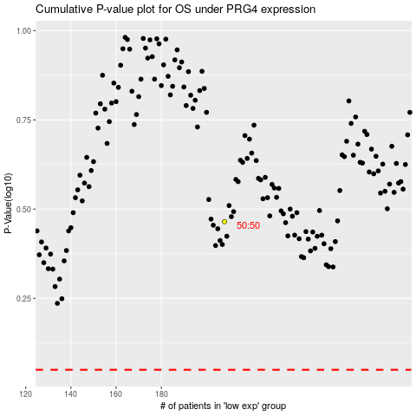

 |  |  |  |  |  | cases_OS | p_OS | rank | exp
 |  |  |  |  |  |  | cases_RFS | p_RFS | rank | exp

