PRH1 _multivariate
Reported by Tex Li-Hsing Chi. tex@gate.sinica.edu.tw 2019-08-16

Table 2. The clinicopathological features of HNSCC cohort and PRH1 expression. (Chi square test)
Cutoff at -0.048 (49.8%)
 |  | PRH1 expression |  | PRH1 expression |  | (Optimised)
 | Features | Low | (%) | High | (%) | Case no | P-value | Remark | Matthews
Gender | Female | 145 | 34.9 | 161 | 38.8 | 415 | 0.1116 | 0 | 0
2 | Male | 62 | 14.9 | 47 | 11.3
Age at diagnosis | <=65y | 135 | 32.5 | 139 | 33.5 | 415 | 0.8084 | 0 | 0
4 | >65y | 72 | 17.3 | 69 | 16.6
Clinical T Status | T1+T2 | 74 | 17.8 | 75 | 18.1 | 415 | 1 | 0 | 0
6 | T3+T4 | 133 | 32 | 133 | 32
Clinical N Status | N0 | 105 | 25.3 | 111 | 26.7 | 415 | 0.6598 | 0 | 0
8 | N1-3 | 102 | 24.6 | 97 | 23.4
Clinical M Status | M0 | 206 | 49.6 | 206 | 49.6 | 415 | 1 | 0 | 0
10 | M1 | 1 | 0.2 | 2 | 0.5
Clinical Stage | Stage I+II | 55 | 13.3 | 47 | 11.3 | 415 | 0.4087 | 0 | 0
12 | Stage III+IV | 152 | 36.6 | 161 | 38.8
Surgical Margin status | Negative | 165 | 39.8 | 153 | 36.9 | 415 | 0.1639 | 0 | 0
14 | Positive | 42 | 10.1 | 55 | 13.3
Tobacco Exposure | Low | 86 | 20.7 | 75 | 18.1 | 415 | 0.2687 | 0 | 0
16 | High | 121 | 29.2 | 133 | 32

Table 3. Univariate/Multivariate Cox's proportional hazards regression analyses on OS time of PRH1 gene expression in HNSCC

 |  | Univariate |  |  |  | Multivariate
 | Features | HR | CI95%(L) | CI95%(H) | P-value | HR | CI95%(L) | CI95%(H) | P-value
1 | Female | 1 |  |  |  | 1
Gender | Male | 1.157 | 0.843 | 1.587 | 0.367 | 1.19 | 0.85 | 1.665 | 0.311
11 | <=65y | 1 |  |  |  | 1
Age at diagnosis | >65y | 1.329 | 0.99 | 1.784 | 0.058 | 1.393 | 1.024 | 1.894 | 0.035
12 | T1+T2 | 1 |  |  |  | 1
Clinical T Status | T3+T4 | 1.409 | 1.028 | 1.931 | 0.033 | 2.168 | 1.144 | 4.107 | 0.018
13 | N0 | 1 |  |  |  | 1
Clinical N Status | N1-3 | 1.185 | 0.89 | 1.577 | 0.246 | 1.231 | 0.862 | 1.758 | 0.253
14 | M0 | 1 |  |  |  | 1
Clinical M Status | M1 | 4.097 | 1.009 | 16.644 | 0.049 | 9.381 | 2.047 | 43.001 | 0.004
15 | Stage I+II | 1 |  |  |  | 1
Clinical Stage | Stage III+IV | 1.245 | 0.882 | 1.759 | 0.213 | 0.518 | 0.24 | 1.118 | 0.094
16 | Negative | 1 |  |  |  | 1
Surgical Margin status | Positive | 1.591 | 1.155 | 2.191 | 0.004 | 1.69 | 1.221 | 2.339 | 0.002
17 | Low | 1 |  |  |  | 1
Tobacco Exposure | High | 1.364 | 1.008 | 1.844 | 0.044 | 1.459 | 1.058 | 2.012 | 0.021
18 | Low | 1 |  |  |  | 1
RNAseq(z-score) | High | 0.927 | 0.694 | 1.238 | 0.608 | 0.913 | 0.679 | 1.227 | 0.545

Table 4. Univariate/Multivariate Cox's proportional hazards regression analyses on RFS time of PRH1 gene expression in HNSCC

 |  | Univariate |  |  |  | Multivariate
 | Features | HR | CI95%(L) | CI95%(H) | P-value | HR | CI95%(L) | CI95%(H) | P-value
1 | Female | 1 |  |  |  | 1
Gender | Male | 1.157 | 0.843 | 1.587 | 0.367 | 1.19 | 0.85 | 1.665 | 0.311
11 | <=65y | 1 |  |  |  | 1
Age at diagnosis | >65y | 1.329 | 0.99 | 1.784 | 0.058 | 1.393 | 1.024 | 1.894 | 0.035
12 | T1+T2 | 1 |  |  |  | 1
Clinical T Status | T3+T4 | 1.409 | 1.028 | 1.931 | 0.033 | 2.168 | 1.144 | 4.107 | 0.018
13 | N0 | 1 |  |  |  | 1
Clinical N Status | N1-3 | 1.185 | 0.89 | 1.577 | 0.246 | 1.231 | 0.862 | 1.758 | 0.253
14 | M0 | 1 |  |  |  | 1
Clinical M Status | M1 | 4.097 | 1.009 | 16.644 | 0.049 | 9.381 | 2.047 | 43.001 | 0.004
15 | Stage I+II | 1 |  |  |  | 1
Clinical Stage | Stage III+IV | 1.245 | 0.882 | 1.759 | 0.213 | 0.518 | 0.24 | 1.118 | 0.094
16 | Negative | 1 |  |  |  | 1
Surgical Margin status | Positive | 1.591 | 1.155 | 2.191 | 0.004 | 1.69 | 1.221 | 2.339 | 0.002
17 | Low | 1 |  |  |  | 1
Tobacco Exposure | High | 1.364 | 1.008 | 1.844 | 0.044 | 1.459 | 1.058 | 2.012 | 0.021
18 | Low | 1 |  |  |  | 1
RNAseq(z-score) | High | 0.927 | 0.694 | 1.238 | 0.608 | 0.913 | 0.679 | 1.227 | 0.545

Kaplan-Meier survival estimate: Cutoff at -0.048 (49.8%)



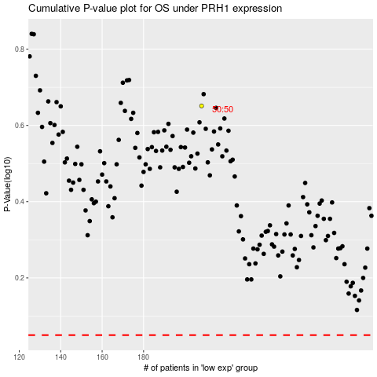

 |  |  |  |  |  | cases_OS | p_OS | rank | exp
 |  |  |  |  |  |  | cases_RFS | p_RFS | rank | exp

