PRH2 _multivariate
Reported by Tex Li-Hsing Chi. tex@gate.sinica.edu.tw 2019-08-16

Table 2. The clinicopathological features of HNSCC cohort and PRH2 expression. (Chi square test)
Cutoff at -0.051 (49.8%)
 |  | PRH2 expression |  | PRH2 expression |  | (Optimised)
 | Features | Low | (%) | High | (%) | Case no | P-value | Remark | Matthews
Gender | Female | 144 | 34.7 | 162 | 39 | 415 | 0.0697 | 0 | 0
2 | Male | 63 | 15.2 | 46 | 11.1
Age at diagnosis | <=65y | 135 | 32.5 | 139 | 33.5 | 415 | 0.8084 | 0 | 0
4 | >65y | 72 | 17.3 | 69 | 16.6
Clinical T Status | T1+T2 | 65 | 15.7 | 84 | 20.2 | 415 | 0.0711 | 0 | 0
6 | T3+T4 | 142 | 34.2 | 124 | 29.9
Clinical N Status | N0 | 102 | 24.6 | 114 | 27.5 | 415 | 0.3031 | 0 | 0
8 | N1-3 | 105 | 25.3 | 94 | 22.7
Clinical M Status | M0 | 206 | 49.6 | 206 | 49.6 | 415 | 1 | 0 | 0
10 | M1 | 1 | 0.2 | 2 | 0.5
Clinical Stage | Stage I+II | 43 | 10.4 | 59 | 14.2 | 415 | 0.0925 | 0 | 0
12 | Stage III+IV | 164 | 39.5 | 149 | 35.9
Surgical Margin status | Negative | 166 | 40 | 152 | 36.6 | 415 | 0.1042 | 0 | 0
14 | Positive | 41 | 9.9 | 56 | 13.5
Tobacco Exposure | Low | 84 | 20.2 | 77 | 18.6 | 415 | 0.4816 | 0 | 0
16 | High | 123 | 29.6 | 131 | 31.6

Table 3. Univariate/Multivariate Cox's proportional hazards regression analyses on OS time of PRH2 gene expression in HNSCC

 |  | Univariate |  |  |  | Multivariate
 | Features | HR | CI95%(L) | CI95%(H) | P-value | HR | CI95%(L) | CI95%(H) | P-value
1 | Female | 1 |  |  |  | 1
Gender | Male | 1.157 | 0.843 | 1.587 | 0.367 | 1.168 | 0.832 | 1.639 | 0.369
11 | <=65y | 1 |  |  |  | 1
Age at diagnosis | >65y | 1.329 | 0.99 | 1.784 | 0.058 | 1.406 | 1.033 | 1.913 | 0.03
12 | T1+T2 | 1 |  |  |  | 1
Clinical T Status | T3+T4 | 1.409 | 1.028 | 1.931 | 0.033 | 2.18 | 1.152 | 4.123 | 0.017
13 | N0 | 1 |  |  |  | 1
Clinical N Status | N1-3 | 1.185 | 0.89 | 1.577 | 0.246 | 1.231 | 0.863 | 1.758 | 0.251
14 | M0 | 1 |  |  |  | 1
Clinical M Status | M1 | 4.097 | 1.009 | 16.644 | 0.049 | 9.502 | 2.073 | 43.559 | 0.004
15 | Stage I+II | 1 |  |  |  | 1
Clinical Stage | Stage III+IV | 1.245 | 0.882 | 1.759 | 0.213 | 0.506 | 0.236 | 1.086 | 0.08
16 | Negative | 1 |  |  |  | 1
Surgical Margin status | Positive | 1.591 | 1.155 | 2.191 | 0.004 | 1.699 | 1.228 | 2.351 | 0.001
17 | Low | 1 |  |  |  | 1
Tobacco Exposure | High | 1.364 | 1.008 | 1.844 | 0.044 | 1.457 | 1.057 | 2.008 | 0.021
18 | Low | 1 |  |  |  | 1
RNAseq(z-score) | High | 0.868 | 0.651 | 1.158 | 0.336 | 0.86 | 0.64 | 1.156 | 0.318

Table 4. Univariate/Multivariate Cox's proportional hazards regression analyses on RFS time of PRH2 gene expression in HNSCC

 |  | Univariate |  |  |  | Multivariate
 | Features | HR | CI95%(L) | CI95%(H) | P-value | HR | CI95%(L) | CI95%(H) | P-value
1 | Female | 1 |  |  |  | 1
Gender | Male | 1.157 | 0.843 | 1.587 | 0.367 | 1.168 | 0.832 | 1.639 | 0.369
11 | <=65y | 1 |  |  |  | 1
Age at diagnosis | >65y | 1.329 | 0.99 | 1.784 | 0.058 | 1.406 | 1.033 | 1.913 | 0.03
12 | T1+T2 | 1 |  |  |  | 1
Clinical T Status | T3+T4 | 1.409 | 1.028 | 1.931 | 0.033 | 2.18 | 1.152 | 4.123 | 0.017
13 | N0 | 1 |  |  |  | 1
Clinical N Status | N1-3 | 1.185 | 0.89 | 1.577 | 0.246 | 1.231 | 0.863 | 1.758 | 0.251
14 | M0 | 1 |  |  |  | 1
Clinical M Status | M1 | 4.097 | 1.009 | 16.644 | 0.049 | 9.502 | 2.073 | 43.559 | 0.004
15 | Stage I+II | 1 |  |  |  | 1
Clinical Stage | Stage III+IV | 1.245 | 0.882 | 1.759 | 0.213 | 0.506 | 0.236 | 1.086 | 0.08
16 | Negative | 1 |  |  |  | 1
Surgical Margin status | Positive | 1.591 | 1.155 | 2.191 | 0.004 | 1.699 | 1.228 | 2.351 | 0.001
17 | Low | 1 |  |  |  | 1
Tobacco Exposure | High | 1.364 | 1.008 | 1.844 | 0.044 | 1.457 | 1.057 | 2.008 | 0.021
18 | Low | 1 |  |  |  | 1
RNAseq(z-score) | High | 0.868 | 0.651 | 1.158 | 0.336 | 0.86 | 0.64 | 1.156 | 0.318

Kaplan-Meier survival estimate: Cutoff at -0.051 (49.8%)



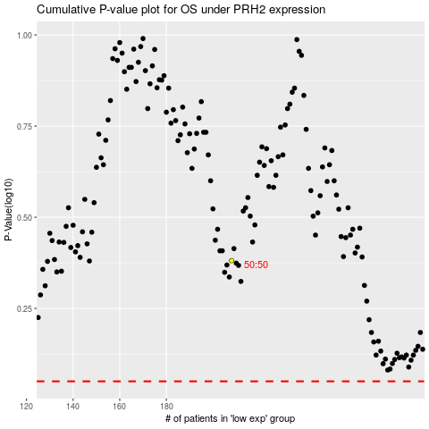

 |  |  |  |  |  | cases_OS | p_OS | rank | exp
 |  |  |  |  |  |  | cases_RFS | p_RFS | rank | exp

