PRICKLE1 _multivariate
Reported by Tex Li-Hsing Chi. tex@gate.sinica.edu.tw 2019-08-16

Table 2. The clinicopathological features of HNSCC cohort and PRICKLE1 expression. (Chi square test)
Cutoff at -0.232 (50.0%)
 |  | PRICKLE1 expression |  | PRICKLE1 expression |  | (Optimised)
 | Features | Low | (%) | High | (%) | Case no | P-value | Remark | Matthews
Gender | Female | 156 | 37.6 | 150 | 36.1 | 415 | 0.5222 | 0 | 0
2 | Male | 51 | 12.3 | 58 | 14
Age at diagnosis | <=65y | 139 | 33.5 | 135 | 32.5 | 415 | 0.7044 | 0 | 0
4 | >65y | 68 | 16.4 | 73 | 17.6
Clinical T Status | T1+T2 | 76 | 18.3 | 73 | 17.6 | 415 | 0.8092 | 0 | 0
6 | T3+T4 | 131 | 31.6 | 135 | 32.5
Clinical N Status | N0 | 104 | 25.1 | 112 | 27 | 415 | 0.5243 | 0 | 0
8 | N1-3 | 103 | 24.8 | 96 | 23.1
Clinical M Status | M0 | 205 | 49.4 | 207 | 49.9 | 415 | 0.6232 | 0 | 0
10 | M1 | 2 | 0.5 | 1 | 0.2
Clinical Stage | Stage I+II | 46 | 11.1 | 56 | 13.5 | 415 | 0.3182 | 0 | 0
12 | Stage III+IV | 161 | 38.8 | 152 | 36.6
Surgical Margin status | Negative | 155 | 37.3 | 163 | 39.3 | 415 | 0.4187 | 0 | 0
14 | Positive | 52 | 12.5 | 45 | 10.8
Tobacco Exposure | Low | 88 | 21.2 | 73 | 17.6 | 415 | 0.1314 | 0 | 0
16 | High | 119 | 28.7 | 135 | 32.5

Table 3. Univariate/Multivariate Cox's proportional hazards regression analyses on OS time of PRICKLE1 gene expression in HNSCC

 |  | Univariate |  |  |  | Multivariate
 | Features | HR | CI95%(L) | CI95%(H) | P-value | HR | CI95%(L) | CI95%(H) | P-value
1 | Female | 1 |  |  |  | 1
Gender | Male | 1.157 | 0.843 | 1.587 | 0.367 | 1.2 | 0.859 | 1.676 | 0.286
11 | <=65y | 1 |  |  |  | 1
Age at diagnosis | >65y | 1.329 | 0.99 | 1.784 | 0.058 | 1.393 | 1.025 | 1.893 | 0.034
12 | T1+T2 | 1 |  |  |  | 1
Clinical T Status | T3+T4 | 1.409 | 1.028 | 1.931 | 0.033 | 2.228 | 1.176 | 4.22 | 0.014
13 | N0 | 1 |  |  |  | 1
Clinical N Status | N1-3 | 1.185 | 0.89 | 1.577 | 0.246 | 1.24 | 0.869 | 1.77 | 0.235
14 | M0 | 1 |  |  |  | 1
Clinical M Status | M1 | 4.097 | 1.009 | 16.644 | 0.049 | 9.324 | 2.033 | 42.761 | 0.004
15 | Stage I+II | 1 |  |  |  | 1
Clinical Stage | Stage III+IV | 1.245 | 0.882 | 1.759 | 0.213 | 0.496 | 0.23 | 1.068 | 0.073
16 | Negative | 1 |  |  |  | 1
Surgical Margin status | Positive | 1.591 | 1.155 | 2.191 | 0.004 | 1.661 | 1.201 | 2.298 | 0.002
17 | Low | 1 |  |  |  | 1
Tobacco Exposure | High | 1.364 | 1.008 | 1.844 | 0.044 | 1.462 | 1.06 | 2.017 | 0.021
18 | Low | 1 |  |  |  | 1
RNAseq(z-score) | High | 0.939 | 0.705 | 1.25 | 0.667 | 0.934 | 0.698 | 1.249 | 0.644

Table 4. Univariate/Multivariate Cox's proportional hazards regression analyses on RFS time of PRICKLE1 gene expression in HNSCC

 |  | Univariate |  |  |  | Multivariate
 | Features | HR | CI95%(L) | CI95%(H) | P-value | HR | CI95%(L) | CI95%(H) | P-value
1 | Female | 1 |  |  |  | 1
Gender | Male | 1.157 | 0.843 | 1.587 | 0.367 | 1.2 | 0.859 | 1.676 | 0.286
11 | <=65y | 1 |  |  |  | 1
Age at diagnosis | >65y | 1.329 | 0.99 | 1.784 | 0.058 | 1.393 | 1.025 | 1.893 | 0.034
12 | T1+T2 | 1 |  |  |  | 1
Clinical T Status | T3+T4 | 1.409 | 1.028 | 1.931 | 0.033 | 2.228 | 1.176 | 4.22 | 0.014
13 | N0 | 1 |  |  |  | 1
Clinical N Status | N1-3 | 1.185 | 0.89 | 1.577 | 0.246 | 1.24 | 0.869 | 1.77 | 0.235
14 | M0 | 1 |  |  |  | 1
Clinical M Status | M1 | 4.097 | 1.009 | 16.644 | 0.049 | 9.324 | 2.033 | 42.761 | 0.004
15 | Stage I+II | 1 |  |  |  | 1
Clinical Stage | Stage III+IV | 1.245 | 0.882 | 1.759 | 0.213 | 0.496 | 0.23 | 1.068 | 0.073
16 | Negative | 1 |  |  |  | 1
Surgical Margin status | Positive | 1.591 | 1.155 | 2.191 | 0.004 | 1.661 | 1.201 | 2.298 | 0.002
17 | Low | 1 |  |  |  | 1
Tobacco Exposure | High | 1.364 | 1.008 | 1.844 | 0.044 | 1.462 | 1.06 | 2.017 | 0.021
18 | Low | 1 |  |  |  | 1
RNAseq(z-score) | High | 0.939 | 0.705 | 1.25 | 0.667 | 0.934 | 0.698 | 1.249 | 0.644

Kaplan-Meier survival estimate: Cutoff at -0.232 (50.0%)



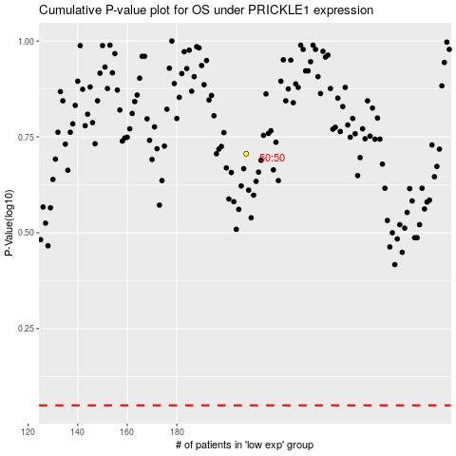

 |  |  |  |  |  | cases_OS | p_OS | rank | exp
 |  |  |  |  |  |  | cases_RFS | p_RFS | rank | exp

