PRIM2 _multivariate
Reported by Tex Li-Hsing Chi. tex@gate.sinica.edu.tw 2019-08-16

Table 2. The clinicopathological features of HNSCC cohort and PRIM2 expression. (Chi square test)
Cutoff at -0.059 (49.8%)
 |  | PRIM2 expression |  | PRIM2 expression |  | (Optimised)
 | Features | Low | (%) | High | (%) | Case no | P-value | Remark | Matthews
Gender | Female | 137 | 33 | 169 | 40.7 | 415 | 7e-04 | 1 | 0
2 | Male | 70 | 16.9 | 39 | 9.4
Age at diagnosis | <=65y | 134 | 32.3 | 140 | 33.7 | 415 | 0.6529 | 0 | 0
4 | >65y | 73 | 17.6 | 68 | 16.4
Clinical T Status | T1+T2 | 68 | 16.4 | 81 | 19.5 | 415 | 0.2336 | 0 | 0
6 | T3+T4 | 139 | 33.5 | 127 | 30.6
Clinical N Status | N0 | 115 | 27.7 | 101 | 24.3 | 415 | 0.184 | 1 | 0
8 | N1-3 | 92 | 22.2 | 107 | 25.8
Clinical M Status | M0 | 207 | 49.9 | 205 | 49.4 | 415 | 0.2482 | 0 | 0
10 | M1 | 0 | 0 | 3 | 0.7
Clinical Stage | Stage I+II | 49 | 11.8 | 53 | 12.8 | 415 | 0.7535 | 0 | 0
12 | Stage III+IV | 158 | 38.1 | 155 | 37.3
Surgical Margin status | Negative | 166 | 40 | 152 | 36.6 | 415 | 0.1042 | 0 | 0
14 | Positive | 41 | 9.9 | 56 | 13.5
Tobacco Exposure | Low | 87 | 21 | 74 | 17.8 | 415 | 0.1911 | 0 | 0
16 | High | 120 | 28.9 | 134 | 32.3

Table 3. Univariate/Multivariate Cox's proportional hazards regression analyses on OS time of PRIM2 gene expression in HNSCC

 |  | Univariate |  |  |  | Multivariate
 | Features | HR | CI95%(L) | CI95%(H) | P-value | HR | CI95%(L) | CI95%(H) | P-value
1 | Female | 1 |  |  |  | 1
Gender | Male | 1.157 | 0.843 | 1.587 | 0.367 | 1.222 | 0.871 | 1.715 | 0.246
11 | <=65y | 1 |  |  |  | 1
Age at diagnosis | >65y | 1.329 | 0.99 | 1.784 | 0.058 | 1.395 | 1.026 | 1.896 | 0.034
12 | T1+T2 | 1 |  |  |  | 1
Clinical T Status | T3+T4 | 1.409 | 1.028 | 1.931 | 0.033 | 2.221 | 1.174 | 4.202 | 0.014
13 | N0 | 1 |  |  |  | 1
Clinical N Status | N1-3 | 1.185 | 0.89 | 1.577 | 0.246 | 1.227 | 0.858 | 1.754 | 0.263
14 | M0 | 1 |  |  |  | 1
Clinical M Status | M1 | 4.097 | 1.009 | 16.644 | 0.049 | 9.152 | 1.991 | 42.063 | 0.004
15 | Stage I+II | 1 |  |  |  | 1
Clinical Stage | Stage III+IV | 1.245 | 0.882 | 1.759 | 0.213 | 0.504 | 0.235 | 1.083 | 0.079
16 | Negative | 1 |  |  |  | 1
Surgical Margin status | Positive | 1.591 | 1.155 | 2.191 | 0.004 | 1.665 | 1.205 | 2.302 | 0.002
17 | Low | 1 |  |  |  | 1
Tobacco Exposure | High | 1.364 | 1.008 | 1.844 | 0.044 | 1.459 | 1.058 | 2.011 | 0.021
18 | Low | 1 |  |  |  | 1
RNAseq(z-score) | High | 1.083 | 0.813 | 1.444 | 0.585 | 1.095 | 0.814 | 1.474 | 0.548

Table 4. Univariate/Multivariate Cox's proportional hazards regression analyses on RFS time of PRIM2 gene expression in HNSCC

 |  | Univariate |  |  |  | Multivariate
 | Features | HR | CI95%(L) | CI95%(H) | P-value | HR | CI95%(L) | CI95%(H) | P-value
1 | Female | 1 |  |  |  | 1
Gender | Male | 1.157 | 0.843 | 1.587 | 0.367 | 1.222 | 0.871 | 1.715 | 0.246
11 | <=65y | 1 |  |  |  | 1
Age at diagnosis | >65y | 1.329 | 0.99 | 1.784 | 0.058 | 1.395 | 1.026 | 1.896 | 0.034
12 | T1+T2 | 1 |  |  |  | 1
Clinical T Status | T3+T4 | 1.409 | 1.028 | 1.931 | 0.033 | 2.221 | 1.174 | 4.202 | 0.014
13 | N0 | 1 |  |  |  | 1
Clinical N Status | N1-3 | 1.185 | 0.89 | 1.577 | 0.246 | 1.227 | 0.858 | 1.754 | 0.263
14 | M0 | 1 |  |  |  | 1
Clinical M Status | M1 | 4.097 | 1.009 | 16.644 | 0.049 | 9.152 | 1.991 | 42.063 | 0.004
15 | Stage I+II | 1 |  |  |  | 1
Clinical Stage | Stage III+IV | 1.245 | 0.882 | 1.759 | 0.213 | 0.504 | 0.235 | 1.083 | 0.079
16 | Negative | 1 |  |  |  | 1
Surgical Margin status | Positive | 1.591 | 1.155 | 2.191 | 0.004 | 1.665 | 1.205 | 2.302 | 0.002
17 | Low | 1 |  |  |  | 1
Tobacco Exposure | High | 1.364 | 1.008 | 1.844 | 0.044 | 1.459 | 1.058 | 2.011 | 0.021
18 | Low | 1 |  |  |  | 1
RNAseq(z-score) | High | 1.083 | 0.813 | 1.444 | 0.585 | 1.095 | 0.814 | 1.474 | 0.548

Kaplan-Meier survival estimate: Cutoff at -0.059 (49.8%)



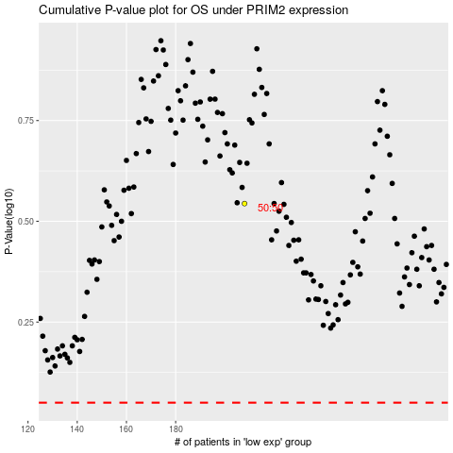

 |  |  |  |  |  | cases_OS | p_OS | rank | exp
 |  |  |  |  |  |  | cases_RFS | p_RFS | rank | exp

