PRKAA1 _multivariate
Reported by Tex Li-Hsing Chi. tex@gate.sinica.edu.tw 2019-08-16

Table 2. The clinicopathological features of HNSCC cohort and PRKAA1 expression. (Chi square test)
Cutoff at -0.157 (49.8%)
 |  | PRKAA1 expression |  | PRKAA1 expression |  | (Optimised)
 | Features | Low | (%) | High | (%) | Case no | P-value | Remark | Matthews
Gender | Female | 142 | 34.2 | 164 | 39.5 | 415 | 0.0238 | 1 | 0
2 | Male | 65 | 15.7 | 44 | 10.6
Age at diagnosis | <=65y | 129 | 31.1 | 145 | 34.9 | 415 | 0.1372 | 0 | 0
4 | >65y | 78 | 18.8 | 63 | 15.2
Clinical T Status | T1+T2 | 73 | 17.6 | 76 | 18.3 | 415 | 0.8666 | 0 | 0
6 | T3+T4 | 134 | 32.3 | 132 | 31.8
Clinical N Status | N0 | 112 | 27 | 104 | 25.1 | 415 | 0.4599 | 0 | 0
8 | N1-3 | 95 | 22.9 | 104 | 25.1
Clinical M Status | M0 | 205 | 49.4 | 207 | 49.9 | 415 | 0.6232 | 0 | 0
10 | M1 | 2 | 0.5 | 1 | 0.2
Clinical Stage | Stage I+II | 50 | 12 | 52 | 12.5 | 415 | 0.9315 | 0 | 0
12 | Stage III+IV | 157 | 37.8 | 156 | 37.6
Surgical Margin status | Negative | 157 | 37.8 | 161 | 38.8 | 415 | 0.729 | 0 | 0
14 | Positive | 50 | 12 | 47 | 11.3
Tobacco Exposure | Low | 85 | 20.5 | 76 | 18.3 | 415 | 0.3655 | 0 | 0
16 | High | 122 | 29.4 | 132 | 31.8

Table 3. Univariate/Multivariate Cox's proportional hazards regression analyses on OS time of PRKAA1 gene expression in HNSCC

 |  | Univariate |  |  |  | Multivariate
 | Features | HR | CI95%(L) | CI95%(H) | P-value | HR | CI95%(L) | CI95%(H) | P-value
1 | Female | 1 |  |  |  | 1
Gender | Male | 1.157 | 0.843 | 1.587 | 0.367 | 1.206 | 0.861 | 1.688 | 0.276
11 | <=65y | 1 |  |  |  | 1
Age at diagnosis | >65y | 1.329 | 0.99 | 1.784 | 0.058 | 1.395 | 1.025 | 1.9 | 0.034
12 | T1+T2 | 1 |  |  |  | 1
Clinical T Status | T3+T4 | 1.409 | 1.028 | 1.931 | 0.033 | 2.201 | 1.164 | 4.163 | 0.015
13 | N0 | 1 |  |  |  | 1
Clinical N Status | N1-3 | 1.185 | 0.89 | 1.577 | 0.246 | 1.238 | 0.867 | 1.768 | 0.241
14 | M0 | 1 |  |  |  | 1
Clinical M Status | M1 | 4.097 | 1.009 | 16.644 | 0.049 | 9.443 | 2.059 | 43.314 | 0.004
15 | Stage I+II | 1 |  |  |  | 1
Clinical Stage | Stage III+IV | 1.245 | 0.882 | 1.759 | 0.213 | 0.506 | 0.236 | 1.087 | 0.081
16 | Negative | 1 |  |  |  | 1
Surgical Margin status | Positive | 1.591 | 1.155 | 2.191 | 0.004 | 1.673 | 1.211 | 2.313 | 0.002
17 | Low | 1 |  |  |  | 1
Tobacco Exposure | High | 1.364 | 1.008 | 1.844 | 0.044 | 1.456 | 1.056 | 2.007 | 0.022
18 | Low | 1 |  |  |  | 1
RNAseq(z-score) | High | 0.959 | 0.72 | 1.277 | 0.773 | 1.026 | 0.766 | 1.374 | 0.863

Table 4. Univariate/Multivariate Cox's proportional hazards regression analyses on RFS time of PRKAA1 gene expression in HNSCC

 |  | Univariate |  |  |  | Multivariate
 | Features | HR | CI95%(L) | CI95%(H) | P-value | HR | CI95%(L) | CI95%(H) | P-value
1 | Female | 1 |  |  |  | 1
Gender | Male | 1.157 | 0.843 | 1.587 | 0.367 | 1.206 | 0.861 | 1.688 | 0.276
11 | <=65y | 1 |  |  |  | 1
Age at diagnosis | >65y | 1.329 | 0.99 | 1.784 | 0.058 | 1.395 | 1.025 | 1.9 | 0.034
12 | T1+T2 | 1 |  |  |  | 1
Clinical T Status | T3+T4 | 1.409 | 1.028 | 1.931 | 0.033 | 2.201 | 1.164 | 4.163 | 0.015
13 | N0 | 1 |  |  |  | 1
Clinical N Status | N1-3 | 1.185 | 0.89 | 1.577 | 0.246 | 1.238 | 0.867 | 1.768 | 0.241
14 | M0 | 1 |  |  |  | 1
Clinical M Status | M1 | 4.097 | 1.009 | 16.644 | 0.049 | 9.443 | 2.059 | 43.314 | 0.004
15 | Stage I+II | 1 |  |  |  | 1
Clinical Stage | Stage III+IV | 1.245 | 0.882 | 1.759 | 0.213 | 0.506 | 0.236 | 1.087 | 0.081
16 | Negative | 1 |  |  |  | 1
Surgical Margin status | Positive | 1.591 | 1.155 | 2.191 | 0.004 | 1.673 | 1.211 | 2.313 | 0.002
17 | Low | 1 |  |  |  | 1
Tobacco Exposure | High | 1.364 | 1.008 | 1.844 | 0.044 | 1.456 | 1.056 | 2.007 | 0.022
18 | Low | 1 |  |  |  | 1
RNAseq(z-score) | High | 0.959 | 0.72 | 1.277 | 0.773 | 1.026 | 0.766 | 1.374 | 0.863

Kaplan-Meier survival estimate: Cutoff at -0.157 (49.8%)

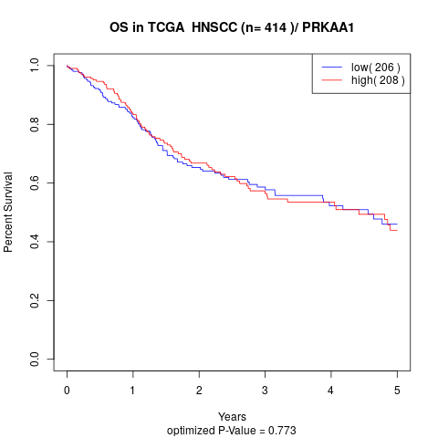

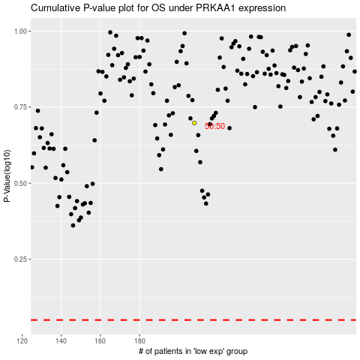

 |  |  |  |  |  | cases_OS | p_OS | rank | exp
 |  |  |  |  |  |  | cases_RFS | p_RFS | rank | exp

