PRKAA2 _multivariate
Reported by Tex Li-Hsing Chi. tex@gate.sinica.edu.tw 2019-08-16

Table 2. The clinicopathological features of HNSCC cohort and PRKAA2 expression. (Chi square test)
Cutoff at -0.119 (69.8%)
 |  | PRKAA2 expression |  | PRKAA2 expression |  | (Optimised)
 | Features | Low | (%) | High | (%) | Case no | P-value | Remark | Matthews
Gender | Female | 215 | 51.8 | 91 | 21.9 | 415 | 0.733 | 0 | 0
2 | Male | 74 | 17.8 | 35 | 8.4
Age at diagnosis | <=65y | 194 | 46.7 | 80 | 19.3 | 415 | 0.5442 | 0 | 0
4 | >65y | 95 | 22.9 | 46 | 11.1
Clinical T Status | T1+T2 | 93 | 22.4 | 56 | 13.5 | 415 | 0.0224 | 1 | 0
6 | T3+T4 | 196 | 47.2 | 70 | 16.9
Clinical N Status | N0 | 150 | 36.1 | 66 | 15.9 | 415 | 1 | 0 | 0
8 | N1-3 | 139 | 33.5 | 60 | 14.5
Clinical M Status | M0 | 287 | 69.2 | 125 | 30.1 | 415 | 1 | 0 | 0
10 | M1 | 2 | 0.5 | 1 | 0.2
Clinical Stage | Stage I+II | 64 | 15.4 | 38 | 9.2 | 415 | 0.1054 | 0 | 0
12 | Stage III+IV | 225 | 54.2 | 88 | 21.2
Surgical Margin status | Negative | 222 | 53.5 | 96 | 23.1 | 415 | 0.9001 | 0 | 0
14 | Positive | 67 | 16.1 | 30 | 7.2
Tobacco Exposure | Low | 121 | 29.2 | 40 | 9.6 | 415 | 0.0624 | 0 | 0
16 | High | 168 | 40.5 | 86 | 20.7

Table 3. Univariate/Multivariate Cox's proportional hazards regression analyses on OS time of PRKAA2 gene expression in HNSCC

 |  | Univariate |  |  |  | Multivariate
 | Features | HR | CI95%(L) | CI95%(H) | P-value | HR | CI95%(L) | CI95%(H) | P-value
1 | Female | 1 |  |  |  | 1
Gender | Male | 1.157 | 0.843 | 1.587 | 0.367 | 1.207 | 0.865 | 1.683 | 0.269
11 | <=65y | 1 |  |  |  | 1
Age at diagnosis | >65y | 1.329 | 0.99 | 1.784 | 0.058 | 1.32 | 0.968 | 1.801 | 0.079
12 | T1+T2 | 1 |  |  |  | 1
Clinical T Status | T3+T4 | 1.409 | 1.028 | 1.931 | 0.033 | 2.309 | 1.219 | 4.371 | 0.01
13 | N0 | 1 |  |  |  | 1
Clinical N Status | N1-3 | 1.185 | 0.89 | 1.577 | 0.246 | 1.224 | 0.857 | 1.746 | 0.266
14 | M0 | 1 |  |  |  | 1
Clinical M Status | M1 | 4.097 | 1.009 | 16.644 | 0.049 | 10.183 | 2.217 | 46.766 | 0.003
15 | Stage I+II | 1 |  |  |  | 1
Clinical Stage | Stage III+IV | 1.245 | 0.882 | 1.759 | 0.213 | 0.501 | 0.233 | 1.075 | 0.076
16 | Negative | 1 |  |  |  | 1
Surgical Margin status | Positive | 1.591 | 1.155 | 2.191 | 0.004 | 1.684 | 1.219 | 2.326 | 0.002
17 | Low | 1 |  |  |  | 1
Tobacco Exposure | High | 1.364 | 1.008 | 1.844 | 0.044 | 1.372 | 0.996 | 1.891 | 0.053
18 | Low | 1 |  |  |  | 1
RNAseq(z-score) | High | 1.572 | 1.166 | 2.12 | 0.003 | 1.555 | 1.147 | 2.107 | 0.004

Table 4. Univariate/Multivariate Cox's proportional hazards regression analyses on RFS time of PRKAA2 gene expression in HNSCC

 |  | Univariate |  |  |  | Multivariate
 | Features | HR | CI95%(L) | CI95%(H) | P-value | HR | CI95%(L) | CI95%(H) | P-value
1 | Female | 1 |  |  |  | 1
Gender | Male | 1.157 | 0.843 | 1.587 | 0.367 | 1.207 | 0.865 | 1.683 | 0.269
11 | <=65y | 1 |  |  |  | 1
Age at diagnosis | >65y | 1.329 | 0.99 | 1.784 | 0.058 | 1.32 | 0.968 | 1.801 | 0.079
12 | T1+T2 | 1 |  |  |  | 1
Clinical T Status | T3+T4 | 1.409 | 1.028 | 1.931 | 0.033 | 2.309 | 1.219 | 4.371 | 0.01
13 | N0 | 1 |  |  |  | 1
Clinical N Status | N1-3 | 1.185 | 0.89 | 1.577 | 0.246 | 1.224 | 0.857 | 1.746 | 0.266
14 | M0 | 1 |  |  |  | 1
Clinical M Status | M1 | 4.097 | 1.009 | 16.644 | 0.049 | 10.183 | 2.217 | 46.766 | 0.003
15 | Stage I+II | 1 |  |  |  | 1
Clinical Stage | Stage III+IV | 1.245 | 0.882 | 1.759 | 0.213 | 0.501 | 0.233 | 1.075 | 0.076
16 | Negative | 1 |  |  |  | 1
Surgical Margin status | Positive | 1.591 | 1.155 | 2.191 | 0.004 | 1.684 | 1.219 | 2.326 | 0.002
17 | Low | 1 |  |  |  | 1
Tobacco Exposure | High | 1.364 | 1.008 | 1.844 | 0.044 | 1.372 | 0.996 | 1.891 | 0.053
18 | Low | 1 |  |  |  | 1
RNAseq(z-score) | High | 1.572 | 1.166 | 2.12 | 0.003 | 1.555 | 1.147 | 2.107 | 0.004

Kaplan-Meier survival estimate: Cutoff at -0.119 (69.8%)

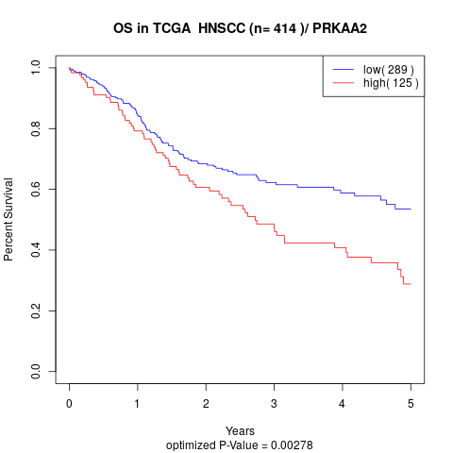

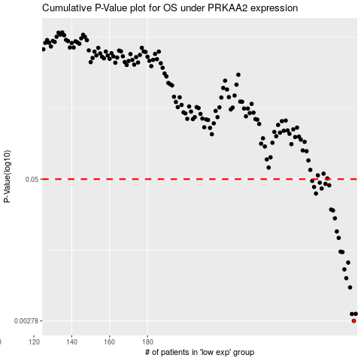

 |  |  |  |  |  | cases_OS | p_OS | rank | exp
 |  |  |  |  |  | 289 | 0.00278 | 278 | -0.11885386766
 |  |  |  |  |  | 288 | 0.0032 | 318 | -0.11892558995
 |  |  |  |  |  | 290 | 0.00321 | 61 | -0.11863892285
 |  |  |  |  |  | 287 | 0.0055 | 362 | -0.11897421899
 |  |  |  |  |  | 285 | 0.00664 | 163 | -0.12478749901
 |  |  |  |  |  | 284 | 0.00795 | 309 | -0.12660720221
 |  |  |  |  |  | 286 | 0.00913 | 57 | -0.12124290814
 |  |  |  |  |  | 283 | 0.0113 | 106 | -0.13494541758
 |  |  |  |  |  | 282 | 0.0114 | 228 | -0.13577633025
 |  |  |  |  |  | 281 | 0.0151 | 233 | -0.13600437603
 |  |  |  |  |  | 280 | 0.0172 | 359 | -0.13816692508
 |  |  |  |  |  | 279 | 0.0225 | 126 | -0.13976546607
 |  |  |  |  |  | 278 | 0.0264 | 354 | -0.14573706804
 |  |  |  |  |  | 277 | 0.0269 | 291 | -0.14847383948
 |  |  |  |  |  | 269 | 0.0373 | 250 | -0.16300948209
 |  |  |  |  |  | 272 | 0.0413 | 308 | -0.15928036732
 |  |  |  |  |  | 268 | 0.0426 | 360 | -0.16324085863
 |  |  |  |  |  | 276 | 0.0441 | 184 | -0.14968601273
 |  |  |  |  |  | 274 | 0.0454 | 401 | -0.15448829719
 |  |  |  |  |  | 271 | 0.0465 | 24 | -0.16195341029
 |  |  |  |  |  | 267 | 0.0483 | 386 | -0.16579266207
 |  |  |  |  |  |  | cases_RFS | p_RFS | rank | exp
 |  |  |  |  |  |  | 288 | 0.00278 | 318 | -0.11892558995
 |  |  |  |  |  |  | 287 | 0.0032 | 362 | -0.11897421899
 |  |  |  |  |  |  | 289 | 0.00321 | 278 | -0.11885386766
 |  |  |  |  |  |  | 286 | 0.0055 | 57 | -0.12124290814
 |  |  |  |  |  |  | 284 | 0.00664 | 309 | -0.12660720221
 |  |  |  |  |  |  | 283 | 0.00795 | 106 | -0.13494541758
 |  |  |  |  |  |  | 285 | 0.00913 | 163 | -0.12478749901
 |  |  |  |  |  |  | 282 | 0.0113 | 228 | -0.13577633025
 |  |  |  |  |  |  | 281 | 0.0114 | 233 | -0.13600437603
 |  |  |  |  |  |  | 280 | 0.0151 | 359 | -0.13816692508
 |  |  |  |  |  |  | 279 | 0.0172 | 126 | -0.13976546607
 |  |  |  |  |  |  | 278 | 0.0225 | 354 | -0.14573706804
 |  |  |  |  |  |  | 277 | 0.0264 | 291 | -0.14847383948
 |  |  |  |  |  |  | 276 | 0.0269 | 184 | -0.14968601273
 |  |  |  |  |  |  | 268 | 0.0373 | 360 | -0.16324085863
 |  |  |  |  |  |  | 271 | 0.0413 | 24 | -0.16195341029
 |  |  |  |  |  |  | 267 | 0.0426 | 386 | -0.16579266207
 |  |  |  |  |  |  | 275 | 0.0441 | 367 | -0.15400134061
 |  |  |  |  |  |  | 273 | 0.0454 | 350 | -0.15763563985
 |  |  |  |  |  |  | 270 | 0.0465 | 103 | -0.16246967752
 |  |  |  |  |  |  | 266 | 0.0483 | 150 | -0.1702874067

